Constituency_Dashboard
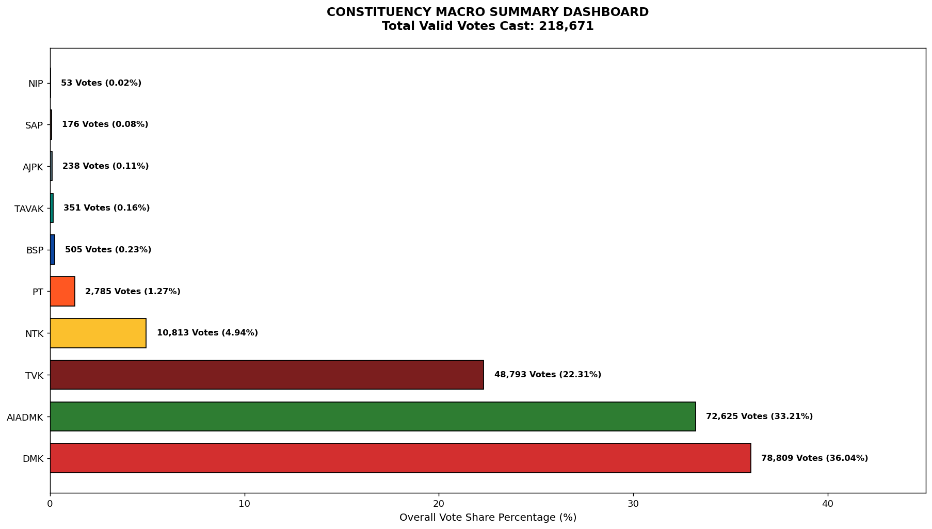
Label | Total_Votes | Share_Percentage
DMK | 78809 | 36.039987012
AIADMK | 72625 | 33.211994275
TVK | 48793 | 22.313429764
NTK | 10813 | 4.9448715193
PT | 2785 | 1.2736028097
BSP | 505 | 0.23094054539
TAVAK | 351 | 0.16051511174
AJPK | 238 | 0.10883930654
SAP | 176 | 0.080486209877
NIP | 53 | 0.024237324565

