Constituency_Dashboard
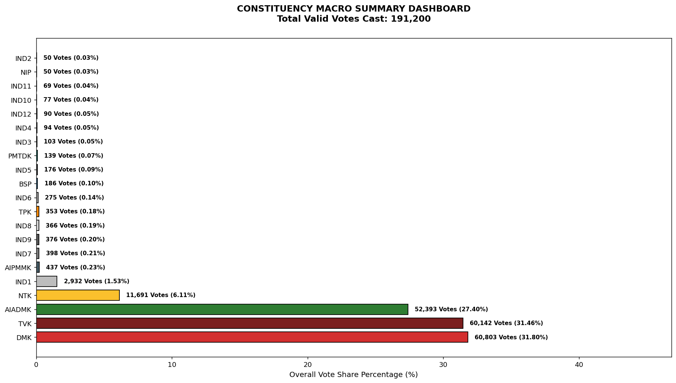
Label | Total_Votes | Share_Percentage
DMK | 60803 | 31.800732218
TVK | 60142 | 31.455020921
AIADMK | 52393 | 27.402196653
NTK | 11691 | 6.114539749
IND1 | 2932 | 1.5334728033
AIPMMK | 437 | 0.22855648536
IND7 | 398 | 0.20815899582
IND9 | 376 | 0.19665271967
IND8 | 366 | 0.19142259414
TPK | 353 | 0.18462343096
IND6 | 275 | 0.14382845188
BSP | 186 | 0.097280334728
IND5 | 176 | 0.092050209205
PMTDK | 139 | 0.07269874477
IND3 | 103 | 0.053870292887
IND4 | 94 | 0.049163179916
IND12 | 90 | 0.047071129707
IND10 | 77 | 0.040271966527
IND11 | 69 | 0.036087866109
NIP | 50 | 0.026150627615
IND2 | 50 | 0.026150627615

