Constituency_Dashboard
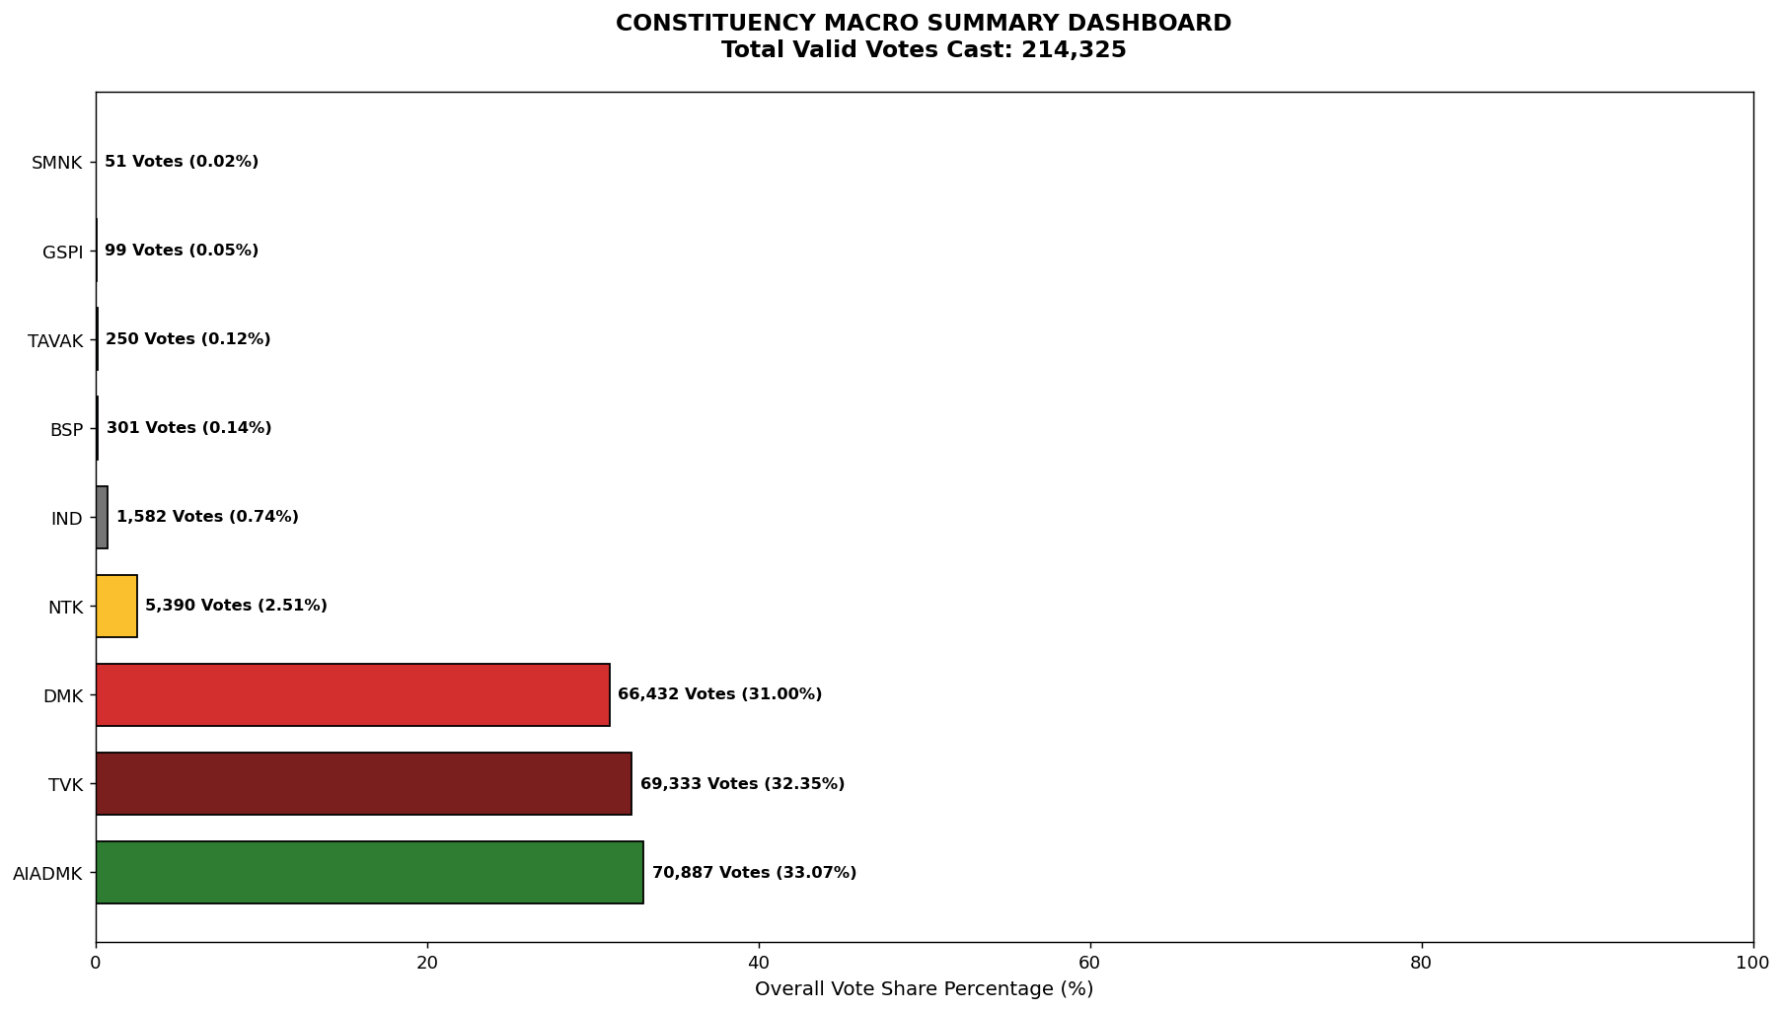
Label | Total_Votes | Share_Percentage
AIADMK | 70887 | 33.074536335
TVK | 69333 | 32.349469264
DMK | 66432 | 30.995917415
NTK | 5390 | 2.5148722734
IND | 1582 | 0.73813134259
BSP | 301 | 0.14044091916
TAVAK | 250 | 0.1166452817
GSPI | 99 | 0.046191531553
SMNK | 51 | 0.023795637466

