Constituency_Dashboard
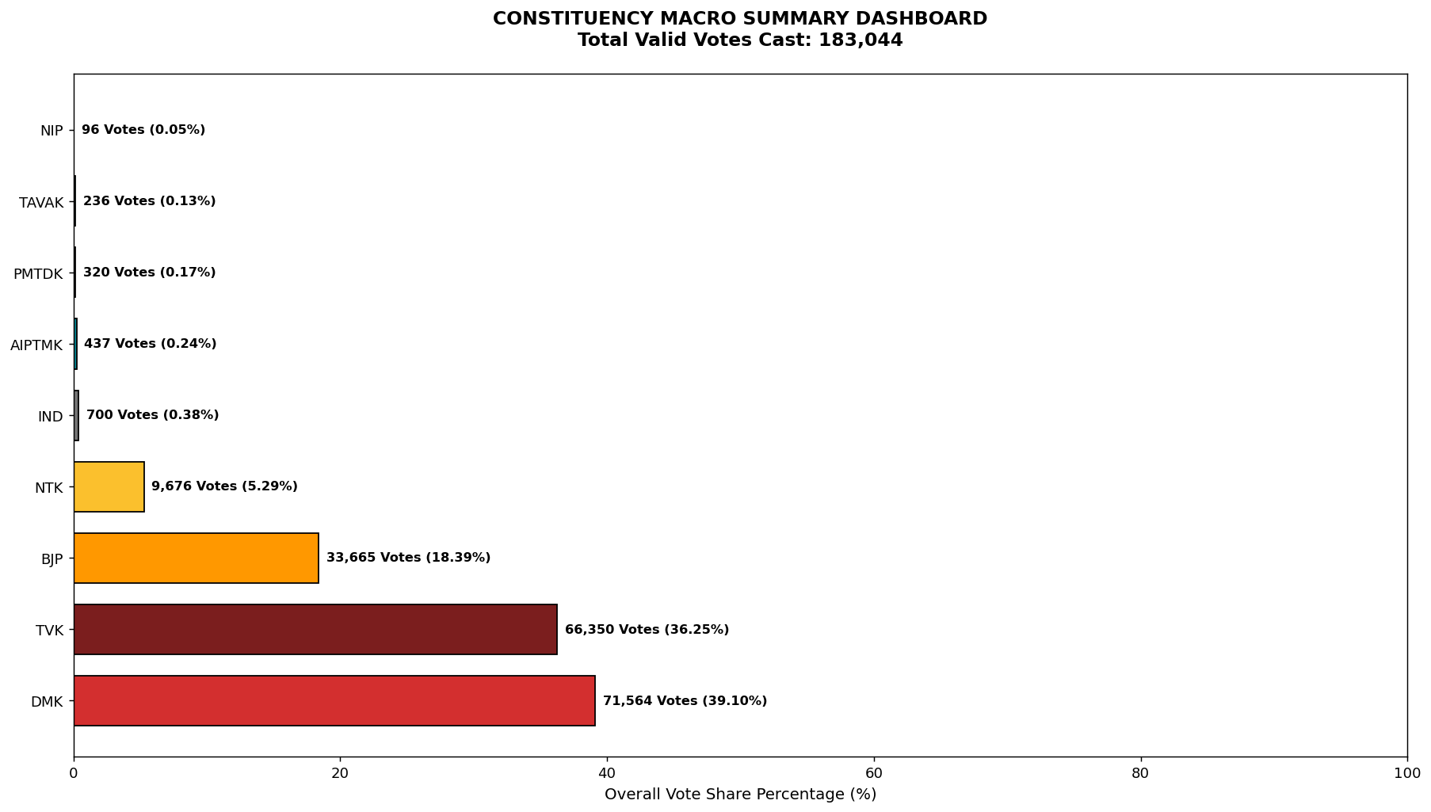
Label | Total_Votes | Share_Percentage
DMK | 71564 | 39.096610651
TVK | 66350 | 36.248115207
BJP | 33665 | 18.391752803
NTK | 9676 | 5.2861607045
IND | 700 | 0.38242171281
AIPTMK | 437 | 0.23874041214
PMTDK | 320 | 0.17482135443
TAVAK | 236 | 0.12893074889
NIP | 96 | 0.052446406329

