Constituency_Dashboard
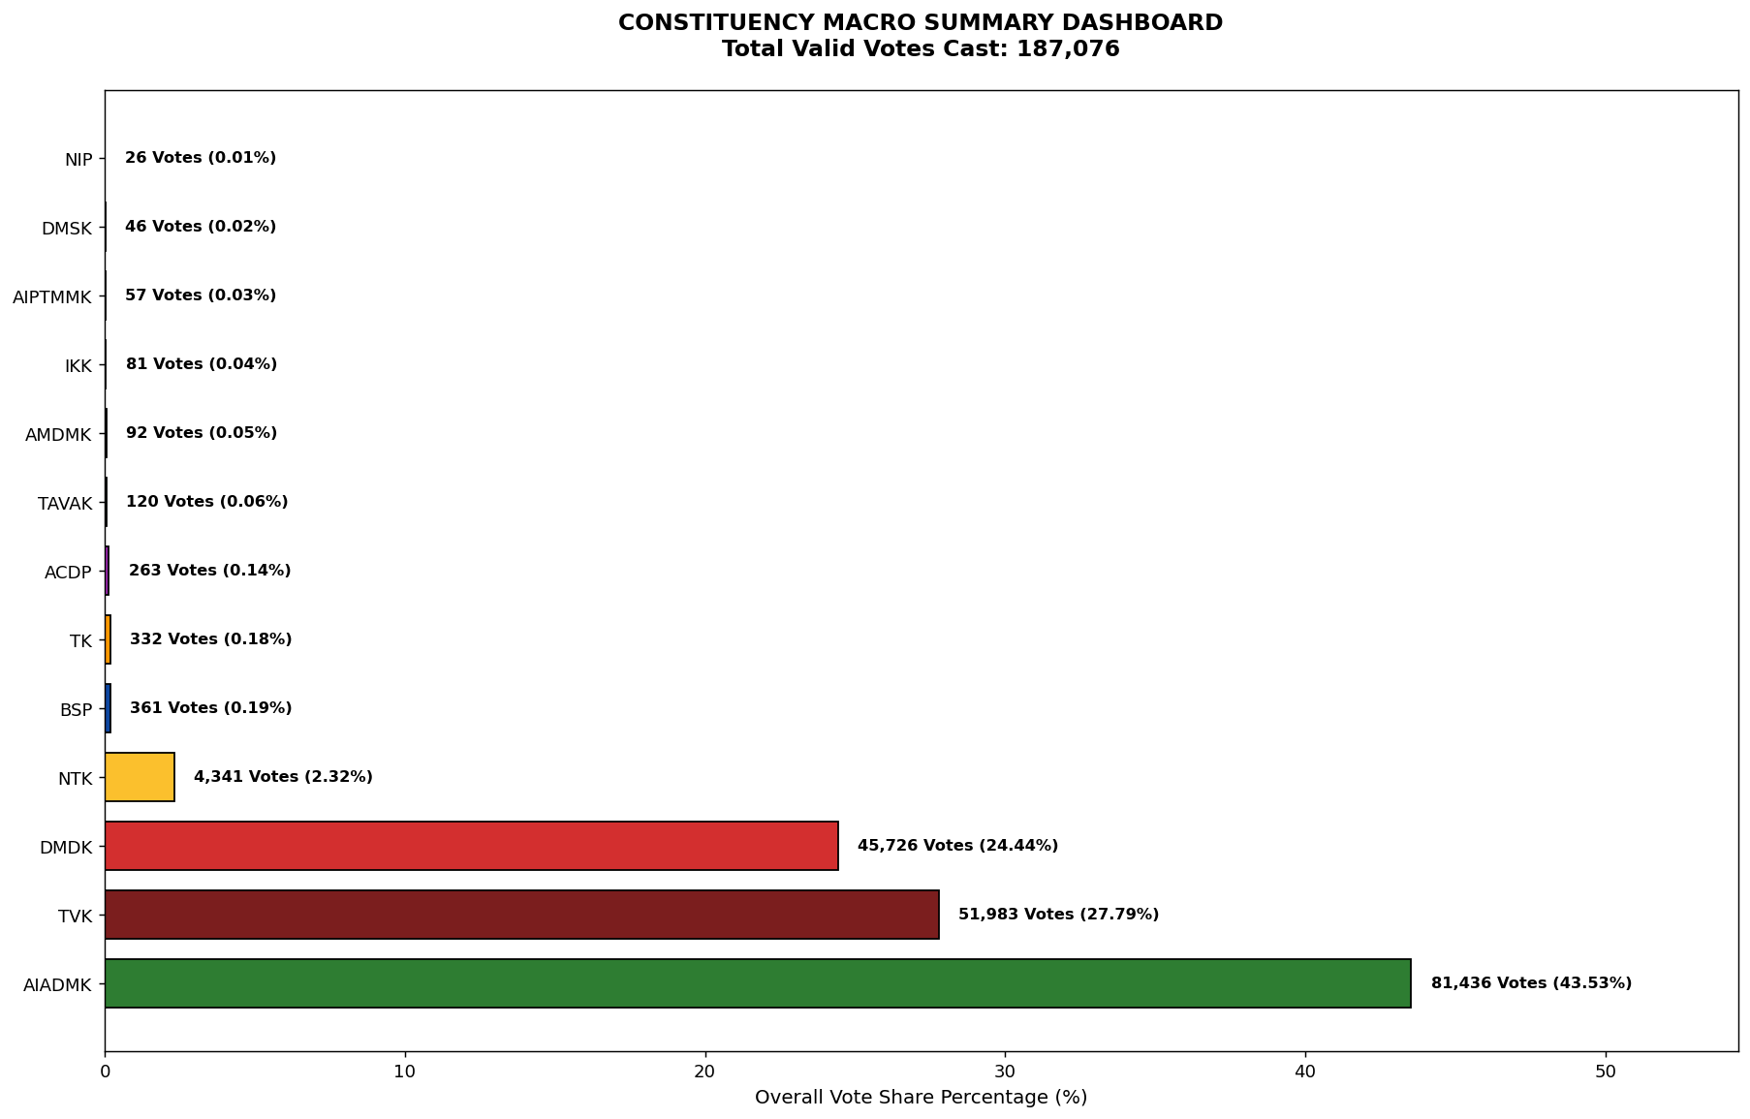
Label | Total_Votes | Share_Percentage
AIADMK | 81436 | 43.53097137
TVK | 51983 | 27.787102568
DMDK | 45726 | 24.442472578
NTK | 4341 | 2.3204473048
BSP | 361 | 0.19296970215
TK | 332 | 0.17746798093
ACDP | 263 | 0.14058457525
TAVAK | 120 | 0.064145053347
AMDMK | 92 | 0.049177874233
IKK | 81 | 0.043297911009
AIPTMMK | 57 | 0.03046890034
DMSK | 46 | 0.024588937116
NIP | 26 | 0.013898094892

