Constituency_Dashboard
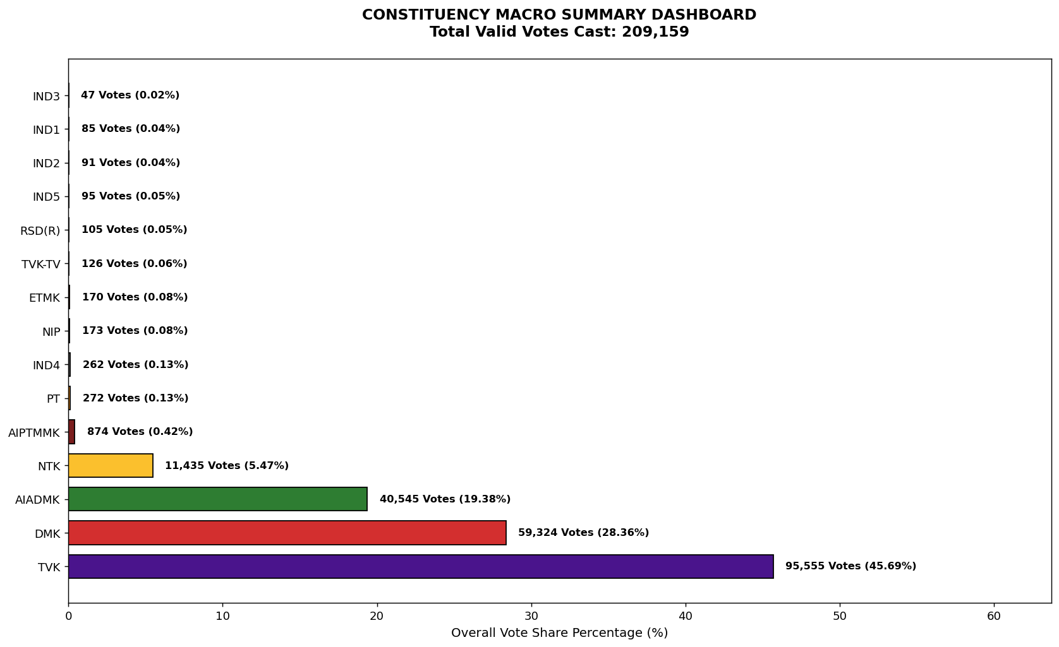
Label | Total_Votes | Share_Percentage
TVK | 95555 | 45.685339861
DMK | 59324 | 28.363111317
AIADMK | 40545 | 19.384774263
NTK | 11435 | 5.4671326598
AIPTMMK | 874 | 0.41786392171
PT | 272 | 0.13004460721
IND4 | 262 | 0.12526355548
NIP | 173 | 0.082712195029
ETMK | 170 | 0.081277879508
TVK-TV | 126 | 0.060241251871
RSD(R) | 105 | 0.050201043225
IND5 | 95 | 0.04541999149
IND2 | 91 | 0.043507570795
IND1 | 85 | 0.040638939754
IND3 | 47 | 0.022470943158

