Constituency_Dashboard
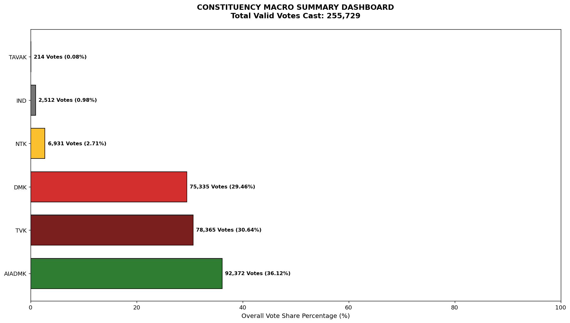
Label | Total_Votes | Share_Percentage
AIADMK | 92372 | 36.121050018
TVK | 78365 | 30.643767426
DMK | 75335 | 29.458919403
NTK | 6931 | 2.7102909721
IND | 2512 | 0.98228984589
TAVAK | 214 | 0.083682335597

