Constituency_Dashboard
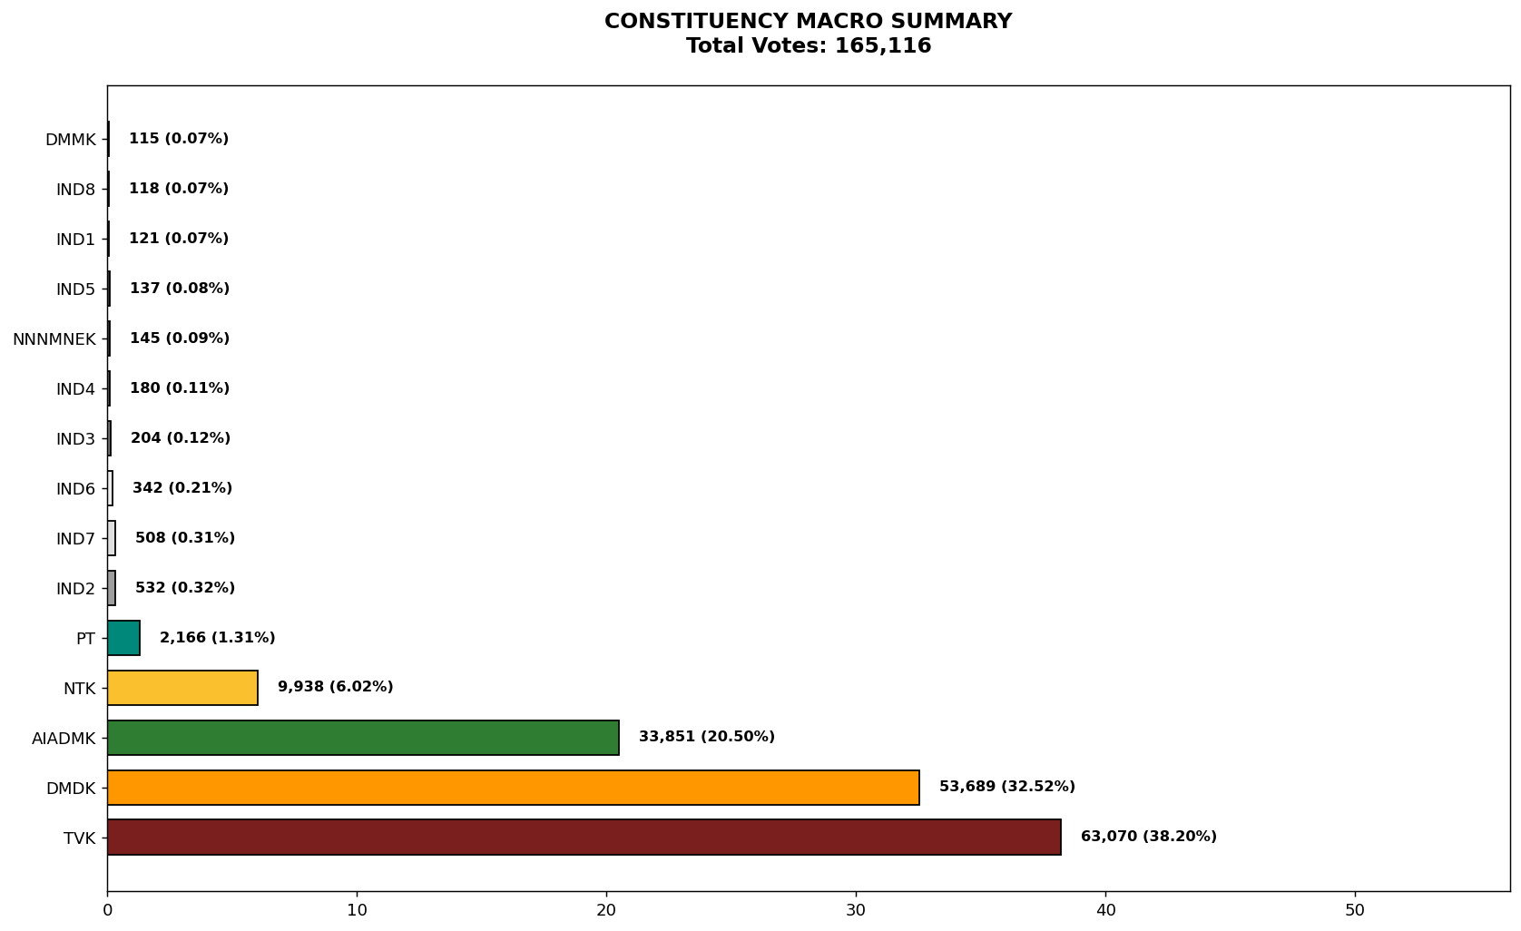
Label | Total_Votes | Share_Percentage
TVK | 63070 | 38.197388503
DMDK | 53689 | 32.515928196
AIADMK | 33851 | 20.501344509
NTK | 9938 | 6.018798905
PT | 2166 | 1.311805034
IND2 | 532 | 0.32219772766
IND7 | 508 | 0.30766249182
IND6 | 342 | 0.20712711064
IND3 | 204 | 0.12354950459
IND4 | 180 | 0.10901426876
NNNMNEK | 145 | 0.087817049832
IND5 | 137 | 0.08297197122
IND1 | 121 | 0.073281813997
IND8 | 118 | 0.071464909518
DMMK | 115 | 0.069648005039

