Wetland budget, MPCA worksheet
Estimating installation and maintenance costs of wetlands
Minnesota Stormwater Manual generally distinguishes between wetlands (shallow) and ponds (deep)
Note that in LS Multimodel assumptions, the distinction on depth is between ponds and marshes
Propose use MSM costs for wetlands for marshes (both upland and flow-through) and pond costs for multimodel upland ponds and flow-through reservoirs
https://stormwater.pca.state.mn.us/index.php?title=Cost-benefit_considerations_for_stormwater_wetlands |  |  |  |  |  |  |  |  |  | Wetland (shallow, depth up to 1 m) input assumptions

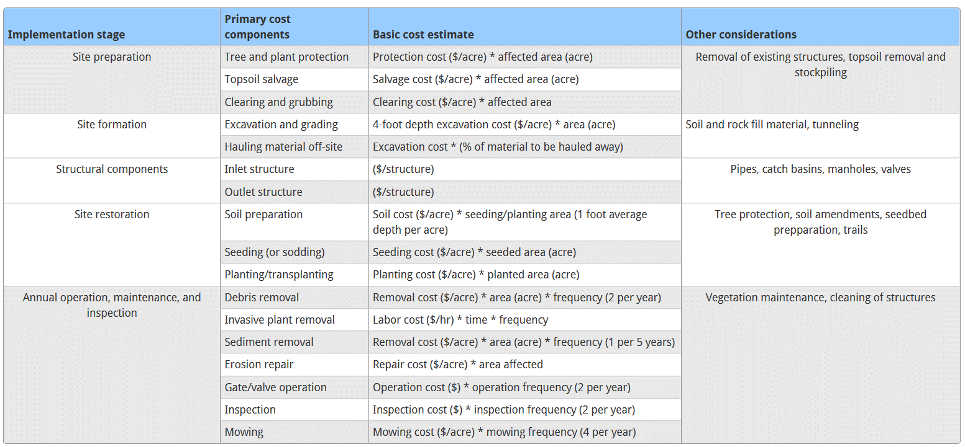
 |  |  |  |  |  |  |  |  |  | Surface area (ha) | 70 | 172.9735 | acres
 |  |  |  |  |  |  |  |  |  | Estimated basin radius, m | 472.03487194 | 1548.6708893 | ft
 |  |  |  |  |  |  |  |  |  | Buffer width (see CAD docs), ft | 25 | 7.62 | m
 |  |  |  |  |  |  |  |  |  | Buffer length, m | 2965.8825719 | 9730.5861771 | ft
 |  |  |  |  |  |  |  |  |  | Buffer area, ha | 2.2600025198
 |  |  |  |  |  |  |  |  |  | Total area, ha | 72.26000252 | 178.55807923 | acres
 |  |  |  |  |  |  |  |  |  | Excavation depth, m | 1 | m
 |  |  |  |  |  |  |  |  |  | Excavation required? 1 if yes, 0 if use existing depressions | 1
 |  |  |  |  |  |  |  |  |  | Tree removal? 0 for no, 1 for yes | 0
 |  |  |  |  |  |  |  |  |  | Fence required? 0 for no, 1 for yes | 0
 |  |  |  |  |  |  |  |  |  | Brush clearing required? 0 for no, 1 for yes | 0
 |  |  |  |  |  |  |  |  |  | Topsoil salvage required? 0 for no, 1 for yes | 0
 |  |  |  |  |  |  |  |  |  | Hauling required? 0 for no, 1 for yes | 0
 |  |  |  |  |  |  |  |  |  | Grading required? = Excavation value | 1
 |  |  |  |  |  |  |  |  |  | Sod required? 0 for no, 1 for yes | 0
 |  |  |  |  |  |  |  |  |  | Planting required (besides seeding)? 0 for no, 1 for yes | 0
 |  |  |  |  |  |  |  |  |  | Soil preparation required? 0 for no, 1 for yes | 0

 |  |  |  |  |  |  |  |  |  | Operation frequency assumptions, year^-1
 |  |  |  |  |  |  |  |  |  | Debris removal | 2
 |  |  |  |  |  |  |  |  |  | Invasive plant removal | 0.2
 |  |  |  |  |  |  |  |  |  | Sediment removal | 0
 |  |  |  |  |  |  |  |  |  | Erosion repair | 0
 |  |  |  |  |  |  |  |  |  | Gate/valve operation | 2
 |  |  |  |  |  |  |  |  |  | Inspection | 2
 |  |  |  |  |  |  |  |  |  | Mowing (10% of buffer area, per Christianson et al 2013 WRE) | 4
 | Description | Units | Quantity | Unit Cost | Total Estimated Price
 | Site Preparation |  |  |  |  |  |  |  |  | Financial assumptions
 | Tree removal - up to 12" diameter | each |  | $350.00 | $0.00 |  |  |  |  | Wetland lifetime, years (from Roley et al., 2016 WRE) | 50
 | Clear and grub brush | square yard | 0 | $1.50 | $0.00 |  |  |  |  | Real discount rate (see ref. 51 in Roley) | 0.019
 | Tree protection - temp. fence | lineal foot | 0 | $3.00 | $0.00 |  |  |  |  | (1.9% in Roley et al 2016, based on Federal water projects guidance)
 | Topsoil - 6" depth, salvage on site | square yard |  | $4.50 | $0.00
 | Site Formation
 | Excavation - deepwater zone - 4' average depth | square yard | 0 | $5.00 | $0.00 | implies 0.8 per sq. yard per ft depth, so 2.62 per 1 meter, assume trapezoidal shape so use 1.5*r_basin as radius, or adjust area by 0.75^2 = 0.5625
 | Excavation cost | sq. m | 393750 | $2.62 | $1,031,625.00
 | Excavation - marsh zone - 1' average depth | square yard |  | $1.00 | $0.00
 | Grading | square yard | 864222.40414 | $1.50 | $1,296,333.61
 | Hauling off-site - 5' depth | square yard |  | $5.00 | $0.00 | implies $ 1 per sq. yard per foot depth
 | Hauling off-site - 1 m depth |  | 393750 | $2.62 | $1,031,625.00
 | Structural Components |  |  |  |  |  | Compare to:
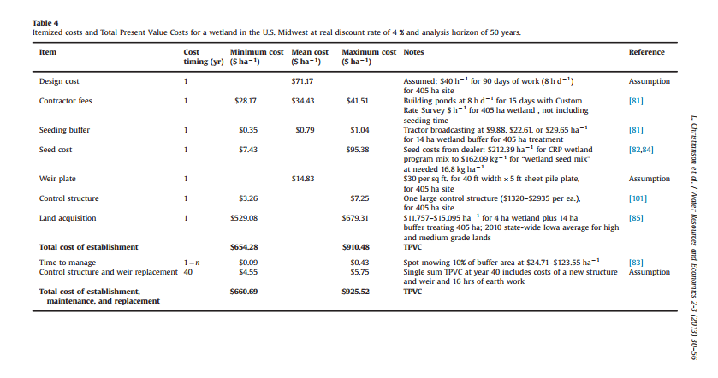
 | Inlet structure | each | 1 | $2,000.00 | $2,000.00
 | Outlet structure | each | 1 | $3,500.00 | $3,500.00
 | Site Restoration
 | Sod - above vegetative bench | square yard | 0 | $4.50 | $0.00
 | Soil preparation | square yard | 0 | $25.00 | $0.00
 | Seeding - vegetative bench | square yard | 27029.404136 | $0.50 | $13,514.70
 | Planting | square yard | 0 | $30.00 | $0.00

 | Annual Operation and Maintenance
 | Debris removal | per visit | 2 | $100.00 | $200.00
 | Remove invasive plants | per visit | 0.2 | $500.00 | $100.00
 | Replant wetland vegetation | per plant | 0 | $10.00 | $0.00
 | Repair erosion | square yard | 0 | $75.00 | $0.00
 | Sediment removal and disposal | cubic yard | 0 | $10.00 | $0.00
 | Mow | per visit | 4 | $150.00 | $600.00 |  | Christianson's values are per AREA TREATED!
 | Gate / valve operation | per visit | 2 | $125.00 | $250.00 |  | Also, they create a large buffer (3.5 times the wetland basin area…)
 | Inspection | per visit | 2 | $125.00 | $250.00
 |  |  |  |  |  |  | Christianson's values on the basis of wetland and buffer are: | min:
 |  |  |  |  | $0.00 |  |  | 131.61 | $/ha of TREATED AREA in non-land acquisition costs on the basis of a 405 hectares treated by a 4 ha wetland
 | TOTAL ANNUAL O&M COST |  |  |  | $1,400.00
 | TOTAL NPV of O&M cost |  |  |  | $44,932.40
 |  |  |  |  |  |  | Per Christianson's 4 ha + 14 ha buffer, it's : | 2961.225 | $/ha
 | Total present value of installation and maintenance costs (TPVC) |  |  |  | $3,423,530.71 |  |  | 1198.3913395 | $/acre
 | Capital recovery factor |  | 0.031157918908
 | Total annualized cost |  |  |  | $106,670.09
 | Total annualized cost, TPVC*CRF, $/acre |  |  |  | $616.68 |  | (Which is not that far off from USFWS numbers reported below)

 | Total annualized cost, TPVC*CRF, $/h |  |  |  | $1,523.86
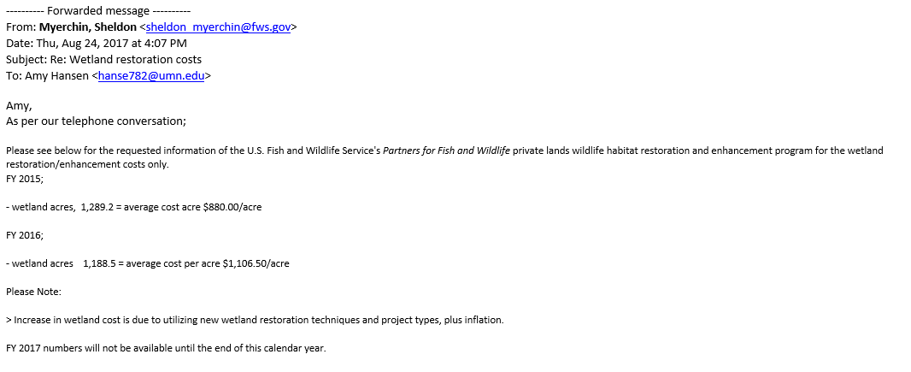

 |  |  |  |  | FROM FWS experience:

 | Sample costs, assuming excavation

 |  | Size, acres | Cost, $/acre
 |  | 0.98842 | 2316.4580035
 |  | 2.47105 | 1315.2449878
 |  | 4.991521 | 969.99299784
 |  | 12.35525 | 761.47977148
 |  | 24.7105 | 687.21706536

Pond budget, MPCA worksh
Estimating installation and maintenance costs of wetlands
Minnesota Stormwater Manual generally distinguishes between wetlands (shallow) and ponds (deep)
Note that in LS Multimodel assumptions, the distinction on depth is between ponds and marshes
Propose use MSM costs for wetlands for marshes (both upland and flow-through) and pond costs for multimodel upland ponds and flow-through reservoirs
https://stormwater.pca.state.mn.us/index.php?title=Cost-benefit_considerations_for_stormwater_wetlands |  |  |  |  |  |  |  |  |  | Pond (deeper, depth up to 8 ft) input assumptions
https://stormwater.pca.state.mn.us/index.php?title=Cost-benefit_considerations_for_stormwater_ponds
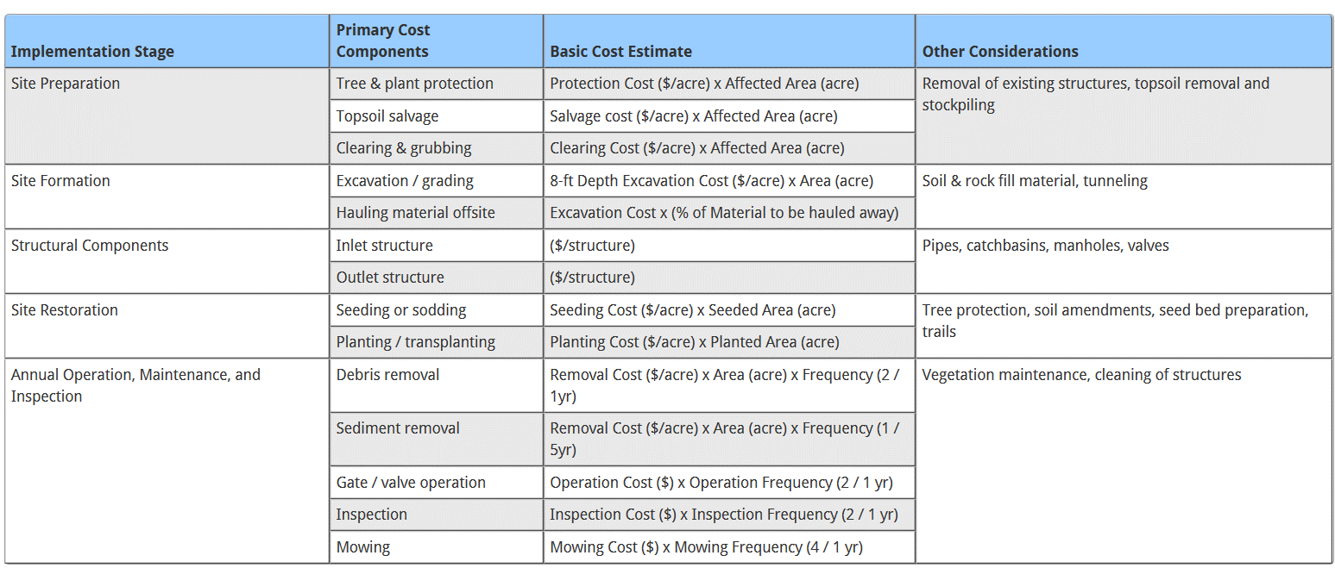
 |  |  |  |  |  |  |  |  |  | Surface area (ha) | 10.1 | 24.957605 | acres
 |  |  |  |  |  |  |  |  |  | Excavation depth (ft) | 4.92126 | 1.5 | meters
 |  |  |  |  |  |  |  |  |  | Estimated basin radius, m | 179.3022546 | 588.26200898 | ft
 |  |  |  |  |  |  |  |  |  | Buffer width (see CAD docs), ft | 25 | 7.62 | m
 |  |  |  |  |  |  |  |  |  | Buffer length, m | 1126.5892916 | 3696.1592116 | ft
 |  |  |  |  |  |  |  |  |  | Buffer area, ha | 0.85846104023
 |  |  |  |  |  |  |  |  |  | Total area, ha | 10.95846104 | 27.078905153 | acres

 |  |  |  |  |  |  |  |  |  | Excavation required? 1 if yes, 0 if use existing depressions | 1
 |  |  |  |  |  |  |  |  |  | Tree removal? 0 for no, 1 for yes | 0
 |  |  |  |  |  |  |  |  |  | Fence required? 0 for no, 1 for yes | 0
 |  |  |  |  |  |  |  |  |  | Brush clearing required? 0 for no, 1 for yes | 0
 |  |  |  |  |  |  |  |  |  | Topsoil salvage required? 0 for no, 1 for yes | 0
 |  |  |  |  |  |  |  |  |  | Hauling required? 0 for no, 1 for yes | 0
 |  |  |  |  |  |  |  |  |  | Grading required? = Excavation value | 1
 |  |  |  |  |  |  |  |  |  | Sod required? 0 for no, 1 for yes | 0
 |  |  |  |  |  |  |  |  |  | Planting required (besides seeding)? 0 for no, 1 for yes | 0
 |  |  |  |  |  |  |  |  |  | Soil preparation required? 0 for no, 1 for yes | 0
 |  |  |  |  |  |  |  |  |  | Mulch required? 0 for no, 1 for yes | 0
 |  |  |  |  |  |  |  |  |  | Operation frequency assumptions, year^-1
 |  |  |  |  |  |  |  |  |  | Debris removal | 2
 |  |  |  |  |  |  |  |  |  | Invasive plant removal | 0.2
 |  |  |  |  |  |  |  |  |  | Sediment removal | 0
 |  |  |  |  |  |  |  |  |  | Erosion repair | 0
 |  |  |  |  |  |  |  |  |  | Gate/valve operation | 2
 |  |  |  |  |  |  |  |  |  | Inspection | 2
 | Description | Units | Quantity | Unit Cost | Total Estimated Price |  |  |  |  | Mowing (10% of buffer area, per Christianson et al 2013 WRE) | 4
 | Site Preparation
 | Tree removal - up to 12" diameter | each |  | $350.00 | $0.00 |  |  |  |  | Financial assumptions
 | Clear and grub brush | square yard | 0 | $1.50 | $0.00 |  |  |  |  | Wetland lifetime, years (from Roley et al., 2016 WRE) | 50
 | Tree protection - temp. fence | lineal foot | 0 | $3.00 | $0.00 |  |  |  |  | Real discount rate (see ref. 51 in Roley) | 0.019
 | Topsoil - 6" depth, salvage on site | square yard |  | $4.50 | $0.00 |  |  |  |  | (1.9% in Roley et al 2016, based on Federal water projects guidance)
 | Site Formation
 | Excavation - 8' depth | square yard | 0 | $10.00 | $0.00 | implies $1.25 per sq. yard per ft depth, so $4.10 per 1 meter, assume trapezoidal shape so use 1.5*r_basin as radius, or adjust area by 0.75^2 = 0.5625
 | Excavation | sq. m | 56812.5 | $4.10 | $349,396.87

 | Grading | square yard | 131062.0982 | $1.50 | $196,593.15
 | Hauling off-site - 5' depth | square yard |  | $5.00 | $0.00 | implies $ 1 per sq. yard per foot depth
 | Hauling off-site |  | 56812.5 | $4.10 | $232,931.25
 | Structural Components |  |  |  |  |  | Compare to:
 | Inlet structure | each | 1 | $2,000.00 | $2,000.00
 | Outlet structure | each | 1 | $3,500.00 | $3,500.00
 | Site Restoration
 | Sod - above vegetative bench | square yard | 0 | $4.50 | $0.00
 | Soil preparation | square yard | 0 | $25.00 | $0.00
 | Seeding - vegetative bench | square yard | 10267.108195 | $0.50 | $5,133.55
 | Mulch | square yard | 0 | $2.00 | $0.00

 | Annual Operation and Maintenance
 | Debris removal | per visit | 2 | $100.00 | $200.00
 | Remove invasive plants | per visit | 0.2 | $500.00 | $100.00
 | Replant wetland vegetation | per plant | 0 | $10.00 | $0.00
 | Repair erosion | square yard | 0 | $75.00 | $0.00
 | Sediment removal and disposal | cubic yard | 0 | $10.00 | $0.00
 | Mow | per visit | 4 | $150.00 | $600.00 |  | Christianson's values are per AREA TREATED!
 | Gate / valve operation | per visit | 2 | $125.00 | $250.00 |  | Also, they create a large buffer (3.5 times the wetland basin area…)
 | Inspection | per visit | 2 | $125.00 | $250.00
 |  |  |  |  |  |  | Christianson's values on the basis of wetland and buffer are: | min:
 |  |  |  |  | $0.00 |  |  | 131.61 | $/ha of TREATED AREA in non-land acquisition costs on the basis of a 405 hectares treated by a 4 ha wetland
 | TOTAL ANNUAL O&M COST |  |  |  | $1,400.00
 | TOTAL NPV of O&M cost |  |  |  | $44,932.40
 |  |  |  |  |  |  | Per Christianson's 4 ha + 14 ha buffer, it's : | 2961.225 | $/ha
 | Total present value of installation and maintenance costs (TPVC) |  |  |  | $834,487.22 |  |  | 1198.3913395 | $/acre
 | Capital recovery factor |  | 0.031157918908
 | Total annualized cost |  |  |  | $26,000.89
 | Total annualized cost, TPVC*CRF, $/acre |  |  |  | $1,041.80

 | Total annualized cost, TPVC*CRF, $/h |  |  |  | $2,574.35

 |  |  |  |  | FROM FWS experience:

Multimodel scenarios justific
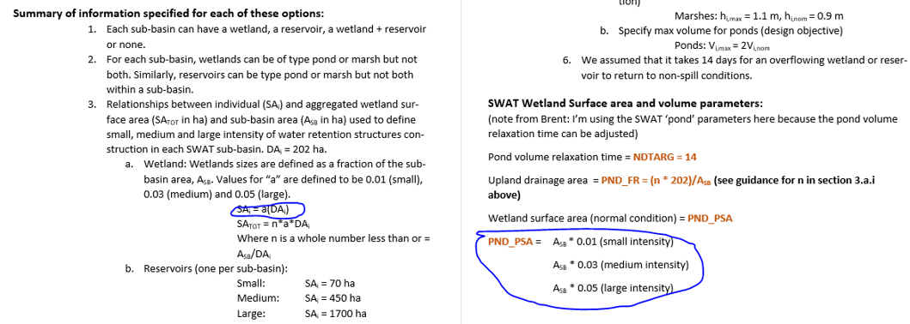
On Wed, Oct 4, 2017 at 4:01 PM, Sergey Rabotyagov <rabotyag@uw.edu> wrote:
Hi all,

Zhengxin and I looked at the cost values that would be generated for the multi-model if we use subbasin-level wetland and reservoir sizes (as outlined in the attached word doc) from the wetland-level USDA model (modified with real-options land cost, also attached).

For reservoirs (a single reservoir is built in every subbasin), the USDA model doesn’t work (it was developed for individual-level wetlands), so I’d propose we just use a combination of county-level land costs plus installation and maintenance estimates. One approach is to use Se Jong’s assumption for WCMOs in terms of installation and maintenance (in the spreadsheet) but we are also looking at other agency literature and cost guidance.

For upland wetlands, the USDA model can work IF I understand the assumptions embedded in the Wetland guidance doc correctly.

Specifically if we look at the circled identities

We can write (since drainage area DAi is a constant 202 ha):

SA = a * DA = a *202, where a = {0.01,0.03,0.05} (surface area of one wetland)

Total wetland surface area:

SAtot = PND_PSA = n*a*202 = a * Asb, which means a drops out and n = Asb/202 (varies by subbasin but not by small/medium/large scenario). So in this setup, within a subbasin, our n is fixed (e.g., assume a subbasin which is 20200 ha, that would mean we are looking to create 100 wetlands), but their individual size differs:

SA_small = 202 * 0.01 = 2.02 ha
SA_medium = 202*.03 = 6.06 ha
SA _ large = 202*0.05 = 10.1 ha

So if we are ok with this, we can apply the USDA estimates to the individual size wetlands, multiply those by n (varying by subbasin) and get our cost estimates for the scenarios.

If we are ok with wetland cost scenarios created this way, Zhengxin can quickly plug these into the combined cost model and develop the cost table.

Sergey

Multimodel scenarios I&M costs
Costs of installation and maintenance developed from MPCA stormwater worksheets -- not including land acquisition costs
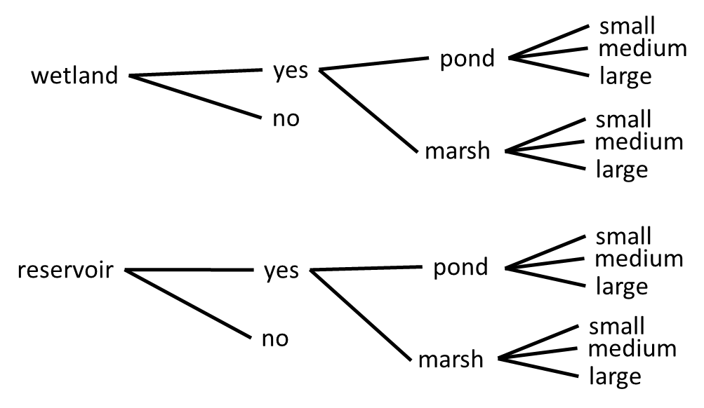
 |  |  |  |  |  | Scenario names

 |  |  |  |  |  | WMSN | Wetland/Marsh/Small/NoExcav
 |  |  |  |  |  | WMMN | Wetland/Marsh/Medium/NoExcav
 |  |  |  |  |  | WMLN | Wetland/Marsh/Large/NoExcav
 |  |  |  |  |  | WMSE | Wetland/Marsh/Small/Excav
 |  |  |  |  |  | WMME | Wetland/Marsh/Medium/Excav
 |  |  |  |  |  | WMLE

 |  |  |  |  |  | WPSN
Costs per individual wetland in a subbasin. Number of wetlands in a subbasin = Subbasin_AREA/202 (see previous sheet) |  |  |  |  |  | WPMN
 |  |  |  |  |  | WPLN
SA_small = 202 * 0.01 = 2.02 ha |  |  |  |  |  | WPSE
SA_medium = 202*.03 = 6.06 ha |  |  |  |  |  | WPME
SA _ large = 202*0.05 = 10.1 ha |  |  |  |  |  | WPLE

To these costs, we need to add area-weighted real options critical payments to get total wetland-level cost, and then multiply by n (varies by subbasin) |  |  |  |  |  | Reservoir scenarios

 | Isolated (shallow) wetland scenarios, use Wetland budget, MPCA worksheet |  |  |  |  | RMSN
 |  |  |  |  |  | RMMN
 |  | Area,ha | I&M Cost, annualized, no excavation | I&M Cost, annualized, excavation (1m) | 0.5 m excavation | RMLN
 | Small | 2.02 |  | $4,841.74 | $4,377.96 | RMSE
 | Medium | 6.06 |  | $11,019.69 | $9,628.34 | RMME
 | Large | 10.1 |  | $17,132.39 | $14,813.48 | RMLE
 |  |  |  |  |  | RPSN
 | Isolated (deeper) wetland scenarios (ponds), use Pond budget, MPCA worksh sheet |  |  |  |  | RPMN
 |  |  |  |  |  | RPLN
 |  | Area,ha | I&M Cost, annualized, no excavation |  | I&M Cost, annualized, excavation (1.5 m) | RPSE
 | Small | 2.02 |  |  | $6,615.44 | RPME
 | Medium | 6.06 |  |  | $16,340.79 | RPLE
 | Large | 10.1 |  |  | $26,000.89

Flow-through reservoirs

 | Shallow reservoir scenarios

 |  | Area,ha | I&M Cost, annualized, no excavation | I&M Cost, annualized, excavation (1m)
 | Small | 70 |  | $106,670.09
 | Medium | 450 |  | $670,648.62
 | Large | 1700 |  | $2,521,363.67

 | Deeper (2 m) reservoir scenarios

 |  | Area,ha | I&M Cost, annualized, no excavation | I&M Cost, annualized, excavation (2m)
 | Small | 70 |  | $193,259.45
 | Medium | 450 |  | $1,227,294.53
 | Large | 1700 |  | $4,624,248.20

