0414
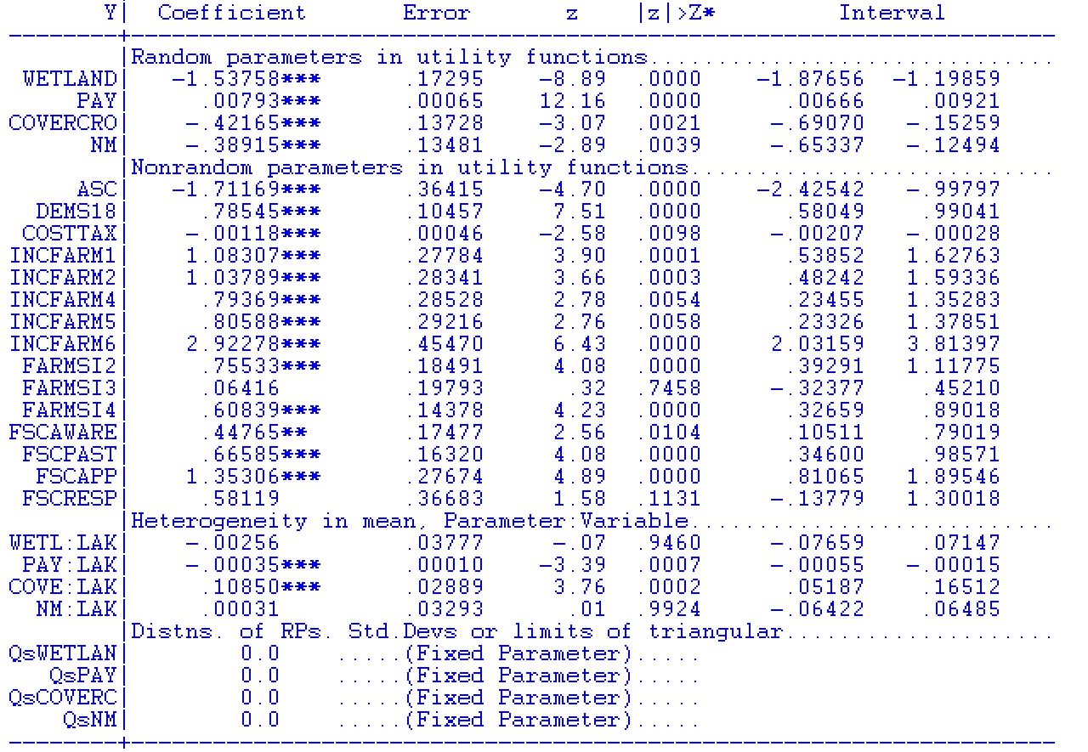
Names | Betas | Betas | Names | Betas
wetland | -1.62848 | -1.53758 | wetland | -1.53758
pay | 0.0070271 | 0.00793459 | pay | 0.00793459
cc | -0.237317 | -0.421645 | cc | -0.421645
nm | -0.395864 | -0.389154 | nm | -0.389154
asc | -1.68482 | -1.71169 | asc | -1.71169
dems18 | 0.780536 | 0.785449 | dems18 | 0.785449
costtax | -0.00111783 | -0.00117835 | costtax | -0.00117835
incfarm1 | 1.05447 | 1.08307 | incfarm1 | 1.08307
incfarm23 | 1.04141 | 1.03789 | incfarm23 | 1.03789
incfarm4 | 0.761398 | 0.793693 | incfarm4 | 0.793693
incfarm5 | 0.810308 | 0.805885 | incfarm5 | 0.805885
incfarm6 | 2.90006 | 2.92278 | incfarm6 | 2.92278
farmsi2 | 0.752027 | 0.755332 | farmsi2 | 0.755332
farmsi3 | 0.129027 | 0.0641646 | farmsi3 | 0.0641646
farmsi4 | 0.612979 | 0.608387 | farmsi4 | 0.608387
fscaware | 0.440741 | 0.44765 | fscaware | 0.44765
fscpast | 0.607807 | 0.665853 | fscpast | 0.665853
fscapp | 1.44401 | 1.35306 | fscapp | 1.35306
fscresp | 0.642626 | 0.581195 | fscresp | 0.581195
plake |  | -0.000345569 | wlake | -0.00256015
clake |  | 0.108496 | plake | -0.000345569
 |  |  | clake | 0.108496
 |  |  | nmlake | 0.00031392
 |  |  |  | 0
 |  |  |  | 0
 |  |  |  | 0
 |  |  |  | 0

