Template - Phase 2
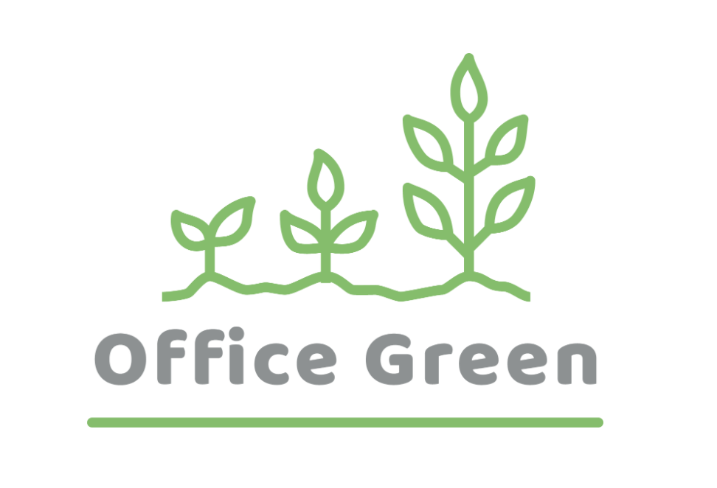
R - Responsible | Completes the deliverable or task.
A - Accountable | Makes final decisions and signs off on task completion. Only 1 per task.
C - Consulted | An advisor, stakeholder, or subject matter expert who offers guidance before an action is taken.
I - Informed | Kept up to date on decisions made.
Plant Pals Landing Page | Web Manager | Graphic Designer | Web Developer | Quality Assurance Tester | Content Writer | Web Designer
PHASE 2
Task/Deliverable
Design a landing page | A | C | I | I | I | R
Create a landing page mockup | A | C | C | I | I | R
Design image assets | A | R | I | I | I | C
Write content | A | I | I | I | R | C
Code the landing page | A | I | R | I | I | C
Test the landing page | A | I | I | R | I | C
Design a landing page | A | C | I | I | I | R
Create a landing page mockup | A | C | C | I | I | R
Design image assets | A | R | I | I | I | C
Write content | A | I | I | I | R | C

