Charts
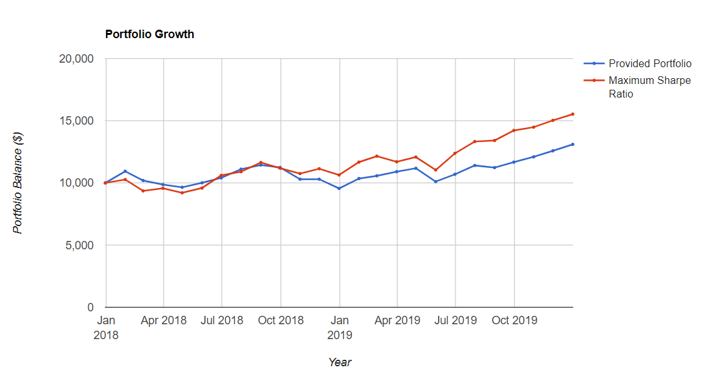
Table 1: Optimisation of current portfolio keeping starting assets | Table 2: Optimal Fronteer

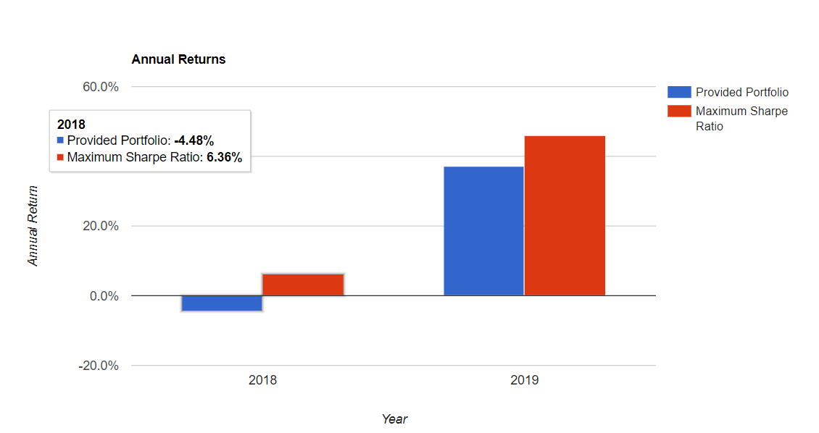
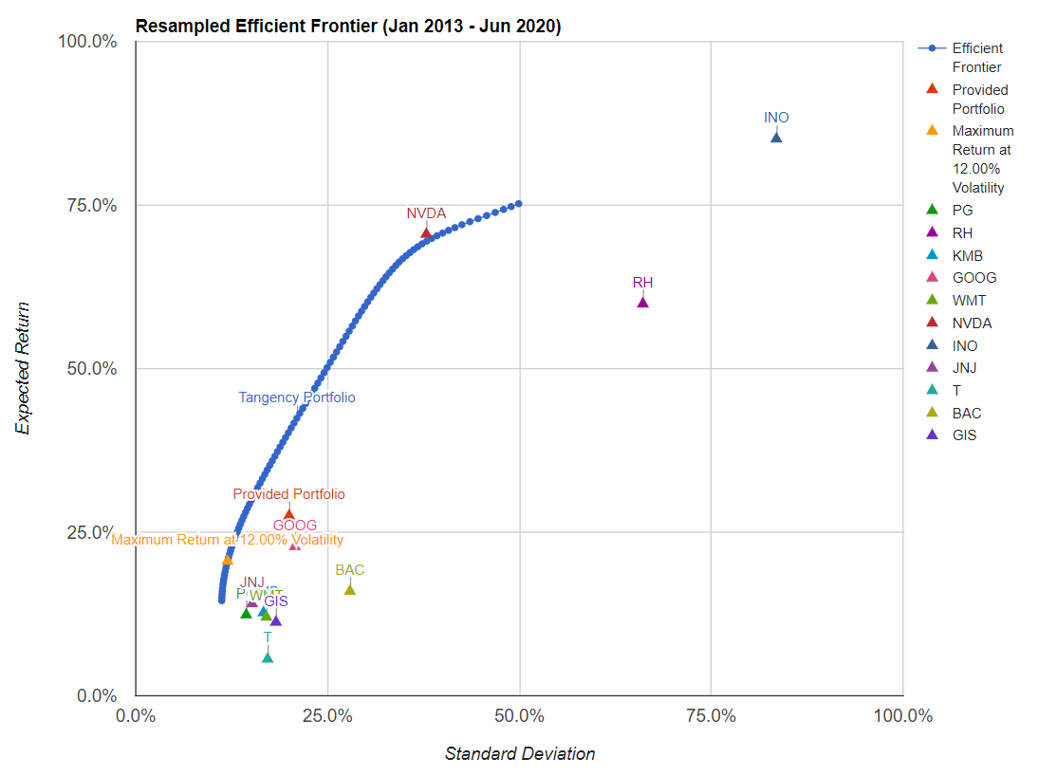
 |  | The object of the optimisation was to maximise
 |  | the return minimising the risk (volatility).
 |  | The solution found was to build a portfolio with
 |  | 12% volatility giving a return that span in the
 |  | range [14.53% - 75.22%]

