Sheet1
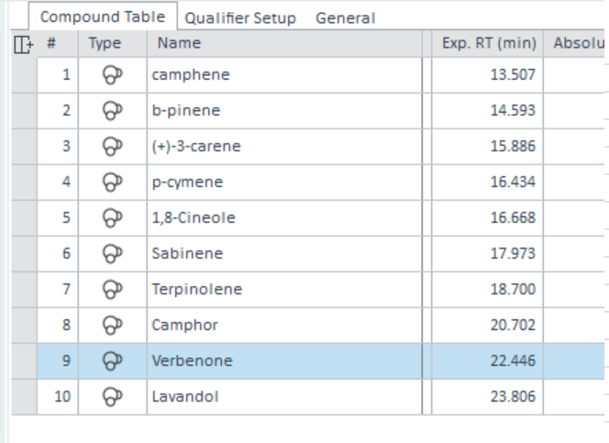
garden_Plant_ID | from metadata

CXXX | Chemical Compound number
RT | Retention time
Peak Area | Area under the peak
Peak Area Percent | Peak area percent of each individual compound peak from total of all peaks

This data shows raw data from alignment using OpenLabs software (Agilent). Our normal cocktail (marked at CTXXX on the data) in recent years included the compounds below. I can do some research on what compounds were used on these runs.

