PS Design A
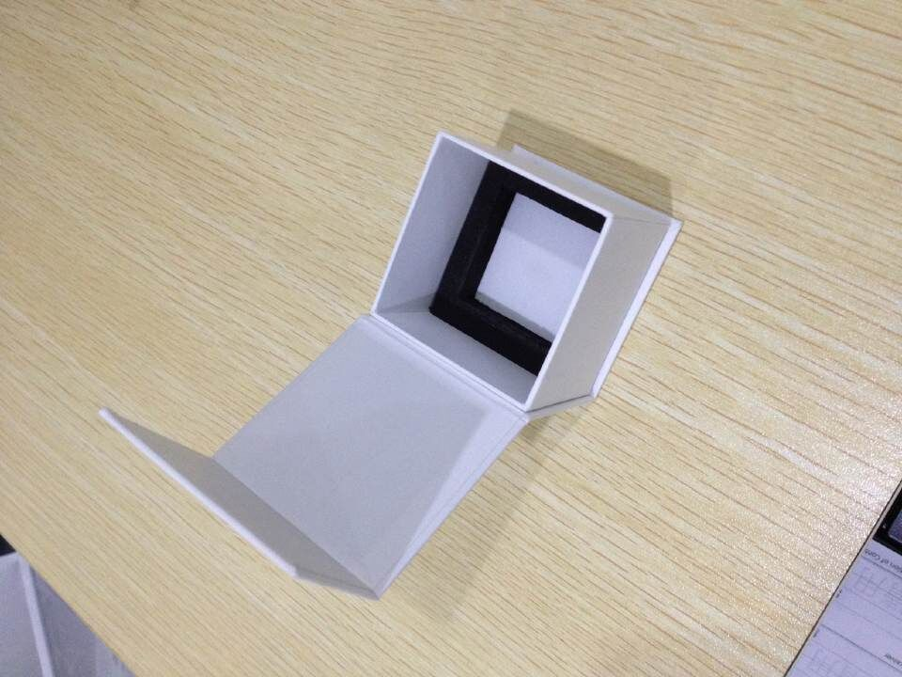
HF Global, Inc. - Pricing Sheet

Supplier | Paishing
Part # + Rev
Part Description | Razor Stand Box（Design 1）
Qty/day | 30000
Material description | Razor Stand Box（Design 1）
Material cost/unit | $0.0585
Usage/unit | 1
# of parts/unit | 1 | 1 | 1 | 1
Material cost | $0.0585 | $0.0000 | $0.0000 | $0.0000
 | Operation | Cost/ part | Material cost/ part added | Op Cost/part | Machine | Cycle time (secs) | Yield | Parts/day | Total Rate $/hr | M/c $/part | Process Yield loss/part | Material Yld loss/ part
Material |  | $0.0585 | 0.0585
1 | Printing | $0.0792 | $0.0187 | $0.0020 | Printing press | 1 | 98.00% | 33122 | 5.6 | $0.001 | $0.000 | $0.001
2 | Coating | $0.0914 | $0.0084 | $0.0037 | P.P.Lamination Machine | 2 | 98.00% | 32473 | 3.8 | $0.002 | $0.000 | $0.002
3 | Diecut | $0.1073 | $0.0130 | $0.0029 | Automatic die-cutting machine | 1 | 98.00% | 31836 | 3.8 | $0.001 | $0.000 | $0.002
4 | Handmade | $0.4752 | $0.2860 | $0.0819 |  | 6 | 98.00% | 31212 | 46.9 | $0.078 | $0.002 | $0.002
5 |  | $0.4752 | $0.0000 | $0.00 |  |  | 100.00% | 30600 | 0.0 | $0.000 | $0.000 | $0.000
6 |  | $0.4752 | $0.0000 | $0.00 |  |  | 100.00% | 30600 | 0.0 | $0.000 | $0.000 | $0.000
7 |  | $0.4752 | $0.0000 | $0.00 |  |  | 100.00% | 30600 | 0.0 | $0.000 | $0.000 | $0.000
8 |  | $0.4752 | $0.0000 | $0.00 |  |  | 100.00% | 30600 | 0.0 | $0.000 | $0.000 | $0.000
9 |  | $0.4752 | $0.0000 | $0.00 |  |  | 100.00% | 30600 | 0.0 | $0.000 | $0.000 | $0.000
10 |  | $0.4752 | $0.0000 | $0.00 |  |  | 100.00% | 30600 | 0.0 | $0.000 | $0.000 | $0.000
11 |  | $0.4752 | $0.0000 | $0.00 |  |  | 100.00% | 30600 | 0.0 | $0.000 | $0.000 | $0.000
12 |  | $0.4752 | $0.0000 | $0.00 |  |  | 100.00% | 30600 | 0.0 | $0.000 | $0.000 | $0.000
13 |  | $0.4752 | $0.0000 | $0.00 |  |  | 100.00% | 30600 | 0.0 | $0.000 | $0.000 | $0.000
14 |  | $0.4752 | $0.0000 | $0.00 |  |  | 100.00% | 30600 | 0.0 | $0.000 | $0.000 | $0.000
15 |  | $0.4752 | $0.0000 | $0.00 |  |  | 100.00% | 30600 | 0.0 | $0.000 | $0.000 | $0.000
16 |  | $0.4752 | $0.0000 | $0.00 |  |  | 100.00% | 30600 | 0.0 | $0.000 | $0.000 | $0.000
17 |  | $0.4752 | $0.0000 | $0.00 |  |  | 100.00% | 30600 | 0.0 | $0.000 | $0.000 | $0.000
18 |  | $0.4752 | $0.0000 | $0.00 |  |  | 100.00% | 30600 | 0.0 | $0.000 | $0.000 | $0.000
19 |  | $0.4752 | $0.0000 | $0.00 |  |  | 100.00% | 30600 | 0.0 | $0.000 | $0.000 | $0.000
20 |  | $0.4752 | $0.0000 | $0.00 |  |  | 100.00% | 30600 | 0.0 | $0.000 | $0.000 | $0.000
21 |  | $0.4752 | $0.0000 | $0.00 |  |  | 100.00% | 30600 | 0.0 | $0.000 | $0.000 | $0.000
22 |  | $0.4752 | $0.0000 | $0.00 |  |  | 100.00% | 30600 | 0.0 | $0.000 | $0.000 | $0.000
23 |  | $0.4752 | $0.0000 | $0.00 |  |  | 100.00% | 30600 | 0.0 | $0.000 | $0.000 | $0.000
24 |  | $0.4752 | $0.0000 | $0.00 |  |  | 100.00% | 30600 | 0.0 | $0.000 | $0.000 | $0.000
25 |  | $0.4752 | $0.0000 | $0.00 |  |  | 100.00% | 30600 | 0.0 | $0.000 | $0.000 | $0.000
26 |  | $0.4752 | $0.0000 | $0.00 |  |  | 100.00% | 30600 | 0.0 | $0.000 | $0.000 | $0.000
Protection |  | $0.4967 | $0.0049 | $0.02 |  | 10 | 98.00% | 30600 | 2.5 | $0.007 | $0.000 | $0.010
Packaging |  | $0.5070 | $0.0034 | $0.01 |  | 10 | 100.00% | 30000 | 2.5 | $0.007 | $0.000 | $0.000
Net Process |  | $0.5070 | $0.3930 | $0.11
Shipping |  | $0.5070 |  | $0.000 |  |  | Req PPD | 30000
G&A (XX%) | 8.0% | $0.5476 |  | $0.04
Profit (XX%) | 4.0% | $0.5679 |  | $0.02 |  |  | 90%
Other | Add here | $0.5679 |  | 0
Total |  | $0.568

PS Design B
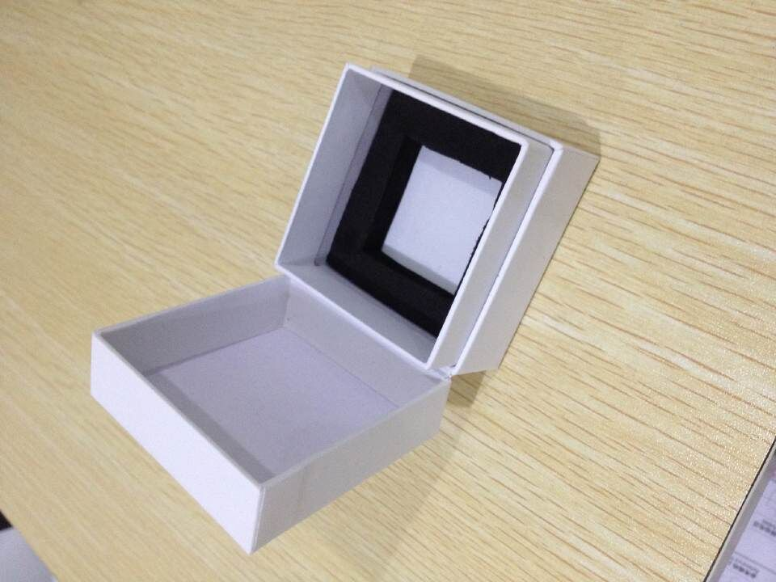
HF Global, Inc. - Pricing Sheet

Supplier | Paishing
Part # + Rev
Part Description | Razor Stand Box（Design 2)
Qty/day | 30000
Material description | Razor Stand Box（Design 2)
Material cost/unit | $0.0556
Usage/unit | 1
# of parts/unit | 1 | 1 | 1 | 1
Material cost | $0.0556 | $0.0000 | $0.0000 | $0.0000
 | Operation | Cost/ part | Material cost/ part added | Op Cost/part | Machine | Cycle time (secs) | Yield | Parts/day | Total Rate $/hr | M/c $/part | Process Yield loss/part | Material Yld loss/ part
Material |  | $0.0556 | 0.0556
1 | Printing | $0.0758 | $0.0183 | $0.0019 | Printing press | 1 | 98.00% | 33122 | 5.6 | $0.001 | $0.000 | $0.001
2 | Coating | $0.0877 | $0.0082 | $0.0037 | P.P.Lamination Machine | 2 | 98.00% | 32473 | 3.8 | $0.002 | $0.000 | $0.002
3 | Diecut | $0.1038 | $0.0133 | $0.0028 | Automatic die-cutting machine | 1 | 98.00% | 31836 | 3.8 | $0.001 | $0.000 | $0.002
4 | Handmade | $0.4478 | $0.2622 | $0.0818 |  | 6 | 98.00% | 31212 | 46.9 | $0.078 | $0.002 | $0.002
5 |  | $0.4478 | $0.0000 | $0.00 |  |  | 100.00% | 30600 | 0.0 | $0.000 | $0.000 | $0.000
6 |  | $0.4478 | $0.0000 | $0.00 |  |  | 100.00% | 30600 | 0.0 | $0.000 | $0.000 | $0.000
7 |  | $0.4478 | $0.0000 | $0.00 |  |  | 100.00% | 30600 | 0.0 | $0.000 | $0.000 | $0.000
8 |  | $0.4478 | $0.0000 | $0.00 |  |  | 100.00% | 30600 | 0.0 | $0.000 | $0.000 | $0.000
9 |  | $0.4478 | $0.0000 | $0.00 |  |  | 100.00% | 30600 | 0.0 | $0.000 | $0.000 | $0.000
10 |  | $0.4478 | $0.0000 | $0.00 |  |  | 100.00% | 30600 | 0.0 | $0.000 | $0.000 | $0.000
11 |  | $0.4478 | $0.0000 | $0.00 |  |  | 100.00% | 30600 | 0.0 | $0.000 | $0.000 | $0.000
12 |  | $0.4478 | $0.0000 | $0.00 |  |  | 100.00% | 30600 | 0.0 | $0.000 | $0.000 | $0.000
13 |  | $0.4478 | $0.0000 | $0.00 |  |  | 100.00% | 30600 | 0.0 | $0.000 | $0.000 | $0.000
14 |  | $0.4478 | $0.0000 | $0.00 |  |  | 100.00% | 30600 | 0.0 | $0.000 | $0.000 | $0.000
15 |  | $0.4478 | $0.0000 | $0.00 |  |  | 100.00% | 30600 | 0.0 | $0.000 | $0.000 | $0.000
16 |  | $0.4478 | $0.0000 | $0.00 |  |  | 100.00% | 30600 | 0.0 | $0.000 | $0.000 | $0.000
17 |  | $0.4478 | $0.0000 | $0.00 |  |  | 100.00% | 30600 | 0.0 | $0.000 | $0.000 | $0.000
18 |  | $0.4478 | $0.0000 | $0.00 |  |  | 100.00% | 30600 | 0.0 | $0.000 | $0.000 | $0.000
19 |  | $0.4478 | $0.0000 | $0.00 |  |  | 100.00% | 30600 | 0.0 | $0.000 | $0.000 | $0.000
20 |  | $0.4478 | $0.0000 | $0.00 |  |  | 100.00% | 30600 | 0.0 | $0.000 | $0.000 | $0.000
21 |  | $0.4478 | $0.0000 | $0.00 |  |  | 100.00% | 30600 | 0.0 | $0.000 | $0.000 | $0.000
22 |  | $0.4478 | $0.0000 | $0.00 |  |  | 100.00% | 30600 | 0.0 | $0.000 | $0.000 | $0.000
23 |  | $0.4478 | $0.0000 | $0.00 |  |  | 100.00% | 30600 | 0.0 | $0.000 | $0.000 | $0.000
24 |  | $0.4478 | $0.0000 | $0.00 |  |  | 100.00% | 30600 | 0.0 | $0.000 | $0.000 | $0.000
25 |  | $0.4478 | $0.0000 | $0.00 |  |  | 100.00% | 30600 | 0.0 | $0.000 | $0.000 | $0.000
26 |  | $0.4478 | $0.0000 | $0.00 |  |  | 100.00% | 30600 | 0.0 | $0.000 | $0.000 | $0.000
Protection |  | $0.4687 | $0.0049 | $0.02 |  | 10 | 98.00% | 30600 | 2.5 | $0.007 | $0.000 | $0.009
Packaging |  | $0.4791 | $0.0034 | $0.01 |  | 10 | 100.00% | 30000 | 2.5 | $0.007 | $0.000 | $0.000
Net Process |  | $0.4791 | $0.3659 | $0.11
Shipping |  | $0.4791 |  | $0.000 |  |  | Req PPD | 30000
G&A (XX%) | 8.0% | $0.5174 |  | $0.04
Profit (XX%) | 4.0% | $0.5366 |  | $0.02 |  |  | 90%
Other | Add here | $0.5366 |  | 0
Total |  | $0.537

