ВОПРОСЫ
Вопросы:
1. Перед вами стоит задача узнать какое поведение будет у приложения на iOS и на Android платформах при «плохом» интернет-соединении. Как вы создадите условия «плохого» интернета для теста?
Я бы подключила гаджеты к Charles Proxy и через Throttling settings искусственно ограничила через настройки пропускную способность канала
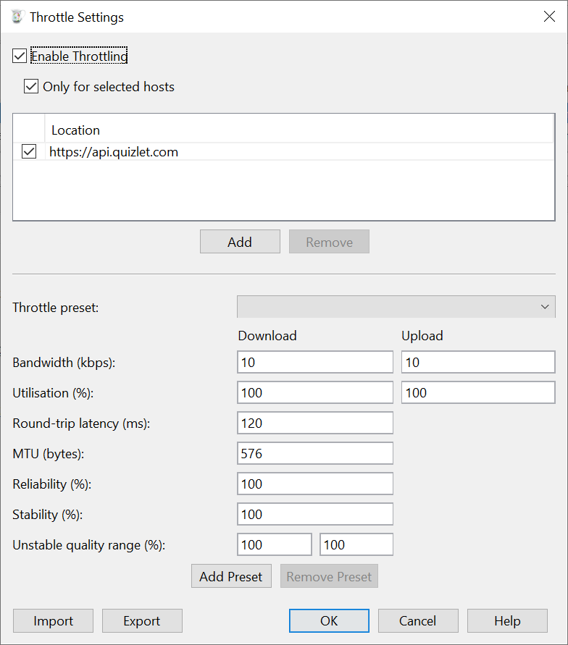
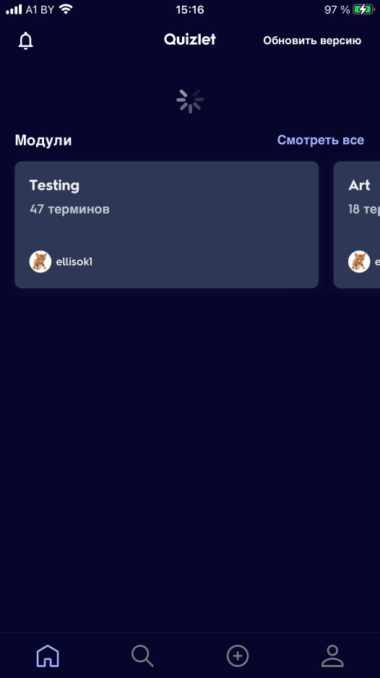
 |  |  | рис.1 - Страница настроек Throttling settings в инструменте Charles
 |  |  | рис.2 - Поведение приложения при снижении скорости интернета

 | рис.1 | рис.2

2. Опишите, когда, по-вашему мнению, следует останавливать тестирование продукта?
1. Все требования покрыт тестами
2. Все баги с высоким и средним приоритетом исправлены, перепроверены и закрыты
Допускается небольшое количество багов с низким приоритетом, которые не влияют на использование программного обеспечения
3.Охват теста должен быть на уровне 95%.
Pass Rate текст-кейса также должен быть 95%
* Все критически важные тест-кейсы оказались успешными
*5% тест-кейсов могут быть провалены, но это относится к низкоприоритетным кейсам
*Достигнуто полное покрытие функционала.
4.Срок, отведенный на тестирование, истек.
5.Вся документация по тестированию, подлежащая сдаче (например, отчет о тестировании), подготовлена, проверена и передана.
6.Бюджет, выделенный на тестирование, полностью израсходован.

3. Какие будут ваши действия, если на проекте нет тестовой документации (тз, спеки и т.д.)? Как будете проводить тестирование?
Если проект не новый, я бы обратилась к уже существующим тест-кейсам, чек листам, бэклогу. Проверила бы электронную переписку по этой теме.
Изучение более ранней версии продукта.
Если это новое приложение, я бы уточняла требования у заказчика. Применяла бы исследовательское тестирование, тестировала бы продукт как пользователь и параллельно
проектировала бы тест-кейсы. Исследовала бы аналогичные функции у конкуретных приложений.
Задала бы вопросы разработчикам, какую логику они использовали в коде.

4. Когда лучше применять автоматизированное тестирование?
1. Долгосрочный проект
2. Планируются частые запуски тестов
3. Стабильный функционал
Что может быть автоматизировано
1. Смоук-тесты
2.Регрессионное тестирование
3.Тестовые сценарии, которые очень сложны и утомительны для выполнения вручную
4.Тестирование производительности и нагрузочное тестирование
5.Конфигурационное тестирование

5. Опишите что вы будете делать, если не знаете, как пройти тест-кейс?
Если этот тест-кейс был написан другим тестировщиком, обращусь к нему за разъяснением.Но такой тест-кейс некорректный, т.к
шаги воспроизведения плохо написаны. Такой тест-кейс необходимо переписать
Если такая проблема возникла на этапе тестирования требований, задумалась бы о выполнимости таких требований,возможно, это "gold plating".
Необходима консультация с коллегами.

ТЕХНИЧЕСКОЕ ЗАДАНИЕ
3. Для тестирования регистрационной формы вам необходимо написать тест-кейсы, покрывающие весь ее функционал.
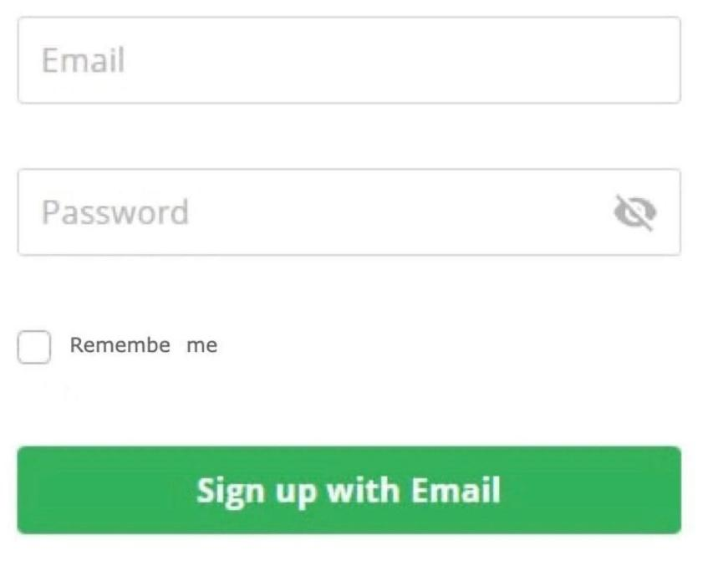

Требования к форме регистрации:
E-mail: до 40 символов; латинские буквы; цифры; e-mail должен иметь структуру: ppp@pp.pp
Password: от 6 до 128 символов; принимаются латинские буквы, цифры
Прочие требования – на основании вашего опыта. Данная информация является единственной предоставленной заказчиком.
 |  |  |  |  | Questions
ID | Summary | Steps to reproduce | Expected result |  | Should there be client side validation? Do validation messages appear?
1 | Sign up with valid data | 1.Enter a valid email in the email field e.g ellisok@mail.ru 2.Enter a valid password in the password field e.g Elllll9045 3.Click on [Sign up with Email] button | 1.The entered email e.g ellisok@mail.ru is displayed in the email field 2. The password field displays as many asterisks as there are characters in the password e.g ********** 3.Successful registration notification appears |  | Is it possible to paste information from the clipboard into the fields?
2 | Email(mail.ru)contains the maximum number of characters allowed | 1.Enter a email contains 40 valid characters in the email field e.g ellisokqwertyuiop123455678999067@mail.ru 2.Enter a valid password in the password field e.g elllll9045 3.Click on [Sign up with Email] button | 1.The entered email e.g ellisokqwertyuiop123455678999067@mail.ru is displayed in the email field 2. The password field displays as many asterisks as there are characters in the password e.g ********** 3.Successful registration notification appears |  | Are upper case characters allowed?
3 | Email (gmail.com) contains the maximum number of characters allowed -1 | 1.Enter email contains 39 valid characters in email field e.g ellisokqwertyuiop1234556789990@gmail.com 2.Enter a valid password in the password field e.g elllll9045 3.Click on [Sign up with Email] button | 1.The entered email e.g ellisokqwertyuiop1234556789990@gmail.com is displayed in the email field 2. The password field displays as many asterisks as there are characters in the password e.g ********** 3.Successful registration notification appears
4 | Email (gmail.com) contains the maximum number of characters allowed +1 | 1.Enter email contains 41 valid characters in email field e.g ellisokqwertyuiop12345567899901@gmail.com | 1.The entered email e.g ellisokqwertyuiop12345567899901@gmail.com is displayed in the email field A validation message about invalid email size appears. The registration button is not active
5 | Email is missing mailbox name | 1.Enter email where there is no mailbox name in the email field e.g @mail.ru | 1.The entered email e.g @mail.ru displayed in the email field A validation message about invalid structure appears. The registration button is not active
6 | Registration with an empty email field | 1.Leave the email field blank 2.Enter a valid password in the password field e.g elllll9045 3.Click on [Sign up with Email] button | 1.Email field remains blank. A validation message appears. 2.The password field displays as many asterisks as there are characters in the password e.g ********** 3.The registration button is not active
7 | Email field filled with spaces | 1.Filling the email field with spaces 2.Enter a valid password in the password field e.g elllll9045 3.Click on [Sign up with Email] button | 1.Email field remains blank. A validation message appears. 2.The password field displays as many asterisks as there are characters in the password e.g ********** 3.The registration button is not active
8 | Space before email | 1.Enter a space before valid email in the email field e.g ellisok@mail.ru 2.Enter a valid password in the password field e.g elllll9045 3.Click on [Sign up with Email] button | 1.The entered email with space before e.g ellisok@mail.ru is displayed in the email field. A validation message appears. 2.The password field displays as many asterisks as there are characters in the password e.g ********** 3.The registration button is not active
9 | Space in the middle of email | 1.Enter a space in the middle of valid email in the email field e.g elliso k@mail.ru 2.Enter a valid password in the password field e.g elllll9045 3.Click on [Sign up with Email] button | 1.The entered email with space in the middle e.g elliso k@mail.ru is displayed in the email field. A validation message appears. 2.The password field displays as many asterisks as there are characters in the password e.g ********** 3.The registration button is not active
10 | Space at the end of email | 1.Enter a space at the end of valid email in the email field e.g ellisok@mail.ru 2.Enter a valid password in the password field e.g elllll9045 3.Click on [Sign up with Email] button | 1.The entered email with space at the end e.g ellisok@mail.ru is displayed in the email field. A validation message appears. 2.The password field displays as many asterisks as there are characters in the password e.g ********** 3.The registration button is not active
11 | Email contains cyrillic | 1.Enter a email contains cyrilic characters in the email field e.g 123елена@mail.ru 2.Enter a valid password in the password field e.g elllll9045 3.Click on [Sign up with Email] button | 1.The entered email e.g 123елена@mail.ru is displayed in the email field. A validation message appears. 2.The password field displays as many asterisks as there are characters in the password e.g ********** 3.The registration button is not active
12 | Email contains special characters | 1.Enter a email contains special characters in the email field e.g <ellis#o&k@mail.ru 2.Enter a valid password in the password field e.g elllll9045 3.Click on [Sign up with Email] button | 1.The entered email e.g <ellis#o&k@mail.ru is displayed in the email field. A validation message appears. 2.The password field displays as many asterisks as there are characters in the password e.g ********** 3.The registration button is not active
13 | Email with correct structure but wrong domain | 1.Enter a invalid email e.g ellisok@maro.ru 2.Enter a valid password in the password field e.g elllll9045 3.Click on [Sign up with Email] button | 1.The entered email e.g ellisok@maro.ru is displayed in the email field. A validation message appears. 2.The password field displays as many asterisks as there are characters in the password e.g ********** 3.The registration button is not active
14 | Email in uppercase | 1.Enter a email in uppercase e.g ELLISOK@MAIL.RU 2.Enter a valid password in the password field e.g elllll9045 3.Click on [Sign up with Email] button | 1.The entered email e.g ELLISOK@MAIL.RU is displayed in the email field. A validation message appears. 2.The password field displays as many asterisks as there are characters in the password e.g ********** 3.The registration button is not active
15 | Entering sql injection in Email field | 1.Enter a valid email in the email field e.g ellisok@mail.ru 2.Enter sql injection e.g foo' OR 1=1-- in the password field 3.Click on [Sign up with Email] button | 1.The entered email e.g ellisok@mail.ru is displayed in the email field. A validation message appears. 2.The password field displays as many asterisks as there are characters in the password e.g *********** A validation message appears. 3.The registration button is not active
16 | Password contains the maximum number of characters allowed | 1.Enter a valid email in the email field e.g ellisok@mail.ru 2.Enter a password contains 128 characters in the password field e.g asdfghjkasdfghjasdfghjasdfghjksdfghjkxcfvgbhnjmxcvbnsdfghsdfghjxscvbnmdfghjkxcvbnmxcvbnmdfghjklfghjkdfghjkldfghjkdfghjkdfghjdfgh 3.Click on [Sign up with Email] button | 1.The entered email e.g ellisok@mail.ru is displayed in the email field 2. The password field displays as many asterisks as there are characters in the password e.g ******************************************************************************************************************************** 3.Successful registration notification appears
17 | Password contains the maximum number of characters allowed-1 | 1.Enter a valid email in the email field e.g ellisok@mail.ru 2.Enter a password contains 127 characters in the password field e.g asdfghjkasdfghjasdfghjasdfghjksdfghjkxcfvgbhnjmxcvbnsdfghsdfghjxscvbnmdfghjkxcvbnmxcvbnmdfghjklfghjkdfghjkldfghjkdfghjkdfghjdfg 3.Click on [Sign up with Email] button | 1.The entered email e.g ellisok@mail.ru is displayed in the email field 2. The password field displays as many asterisks as there are characters in the password e.g ******************************************************************************************************************************* 3.Successful registration notification appears
18 | Password contains the maximum number of characters allowed+1 | 1.Enter a valid email in the email field e.g ellisok@mail.ru 2.Enter a password contains 129 characters in the password field e.g asdfghjkasdfghjasdfghjasdfghjksdfghjkxcfvgbhnjmxcvbnsdfghsdfghjxscvbnmdfghjkxcvbnmxcvbnmdfghjklfghjkdfghjkldfghjkdfghjkdfghjdfgh1 3.Click on [Sign up with Email] button | 1.The entered email e.g ellisok@mail.ru is displayed in the email field. A validation message appears. 2.Enter 128 characters in the password field ******************************************************************************************************************************** A validation message appears. 3.The registration button is not active
19 | Password contains the minimum number of characters allowed | 1.Enter a valid email in the email field e.g ellisok@mail.ru 2.Enter a password contains 6 characters in the password field e.g 123456 3.Click on [Sign up with Email] button | 1.The entered email e.g ellisok@mail.ru is displayed in the email field 2. The password field displays as many asterisks as there are characters in the password e.g ****** 3.Successful registration notification appears
20 | Password contains the minimum number of characters allowed -1 | 1.Enter a valid email in the email field e.g ellisok@mail.ru 2.Enter a password contains 5 characters in the password field e.g 12345 3.Click on [Sign up with Email] button | 1.The entered email e.g ellisok@mail.ru is displayed in the email field. 2.The password field displays as many asterisks as there are characters in the password***** A validation message appears. 3.The registration button is not active
21 | Password contains cyrillic | 1.Enter a valid email in the email field e.g ellisok@mail.ru 2.Enter a password contains cyrillic in the password field e.g фыыввы 3.Click on [Sign up with Email] button | 1.The entered email e.g ellisok@mail.ru is displayed in the email field. 2.The password field displays as many asterisks as there are characters in the password***** A validation message appears. 3.The registration button is not active
22 | Password contains special characters | 1.Enter a valid email in the email field e.g ellisok@mail.ru 2.Enter a password contains special characters in the password field e.g fgh2@#$% 3.Click on [Sign up with Email] button | 1.The entered email e.g ellisok@mail.ru is displayed in the email field. 2.The password field displays as many asterisks as there are characters in the password******** A validation message appears. 3.The registration button is not active
23 | Registration with an empty Password field | 1.Enter a valid email in the email field e.g ellisok@mail.ru 2.Leave the password field blank 3.Click on [Sign up with Email] button | 1.The entered email e.g ellisok@mail.ru is displayed in the email field. 2.The password field remains empty. A validation message appears. 3.The registration button is not active
24 | Password field filled with spaces | 1.Enter a valid email in the email field e.g ellisok@mail.ru 2.Enter spases in the password field 3.Click on [Sign up with Email] button | 1.The entered email e.g ellisok@mail.ru is displayed in the email field. 2.The password field remains empty. A validation message appears. 3.The registration button is not active
25 | Space before password | 1.Enter a valid email in the email field e.g ellisok@mail.ru 2.Enter spases before password e.g 123456 3.Click on [Sign up with Email] button | 1.The entered email e.g ellisok@mail.ru is displayed in the email field. 2.The password field displays as many asterisks as there are characters in the password******** A validation message appears. 3.The registration button is not active
26 | Space in the middle of password | 1.Enter a valid email in the email field e.g ellisok@mail.ru 2.Enter spases in the middle of passworde.g 123 456 3.Click on [Sign up with Email] button | 1.The entered email e.g ellisok@mail.ru is displayed in the email field. 2.The password field displays as many asterisks as there are characters in the password******** A validation message appears. 3.The registration button is not active
27 | Space at the end of email | 1.Enter a valid email in the email field e.g ellisok@mail.ru 2.Enter spases at the end of passworde.g 123456 3.Click on [Sign up with Email] button | 1.The entered email e.g ellisok@mail.ru is displayed in the email field. 2.The password field displays as many asterisks as there are characters in the password******** A validation message appears. 3.The registration button is not active
28 | Password matches personal information (phone) | 1.Enter a valid email in the email field e.g ellisok@mail.ru 2.Enter spases at the end of passworde.g 80296061299 3.Click on [Sign up with Email] button | 1.The entered email e.g ellisok@mail.ru is displayed in the email field. 2.The password field displays as many asterisks as there are characters in the password*********** A validation message appears. 3.The registration button is not active
29 | Ability to paste data from the clipboard into the password field | 1.Enter a valid email in the email field e.g ellisok@mail.ru 2.Paste data(128characters) from the clipboard into the password field 3.Click on [Sign up with Email] button | 1.The entered email e.g ellisok@mail.ru is displayed in the email field 2. The password field displays as many asterisks as there are characters in the password e.g ******************************************************************************************************************************** 3.Successful registration notification appears
30 | Enable password visibility | 1.Enter a password e.g. 123456 in the password field 2.Click | 1. ****** is displayd in the password field 2.123456 displays in the password field
31 | Clearing fields after restoring page | 1.Enter a valid email in the email field e.g ellisok@mail.ru 2.Enter a valid password in the password field e.g Elllll9045 3.Restore page | 1.The entered email e.g ellisok@mail.ru is displayed in the email field 2. ********** is displayed in the password field 3.Email and password fields are empty
32 | Calling a function when clicking on the area associated with the checkbox | 1.Click on the area associated with the checkbox | 1.Сheckbox is checked
33 | Remembering credentials during registration | 1.Enter a valid email in the email field e.g ellisok@mail.ru 2.Enter a valid password in the password field e.g Elllll9045 3.Сlick the checkbox "Remember me" 4.Click on [Sign up with Email] button 5.Restore page | 1.The entered email e.g ellisok@mail.ru is displayed in the email field 2. ********** is displayed in the password field 3.Сheckbox is checked 4.Successful registration notification appears 5.Email and password fields filled with valid credentials

Bug Report
ID | Summary | Description | Steps to reproduce | Severity | Priority | Attachment
1 | Grammatical mistake in checkbox title "Remembe me" | Grammatical mistake in checkbox title "Remembe me" Actual result: Checkbox name is Remembe me Expected result: Checkbox name is Remember me | 1.Open Sign up with email form - Grammatical mistake in checkbox title "Remembe me" | Trivial | High | 