raw screenshot of original
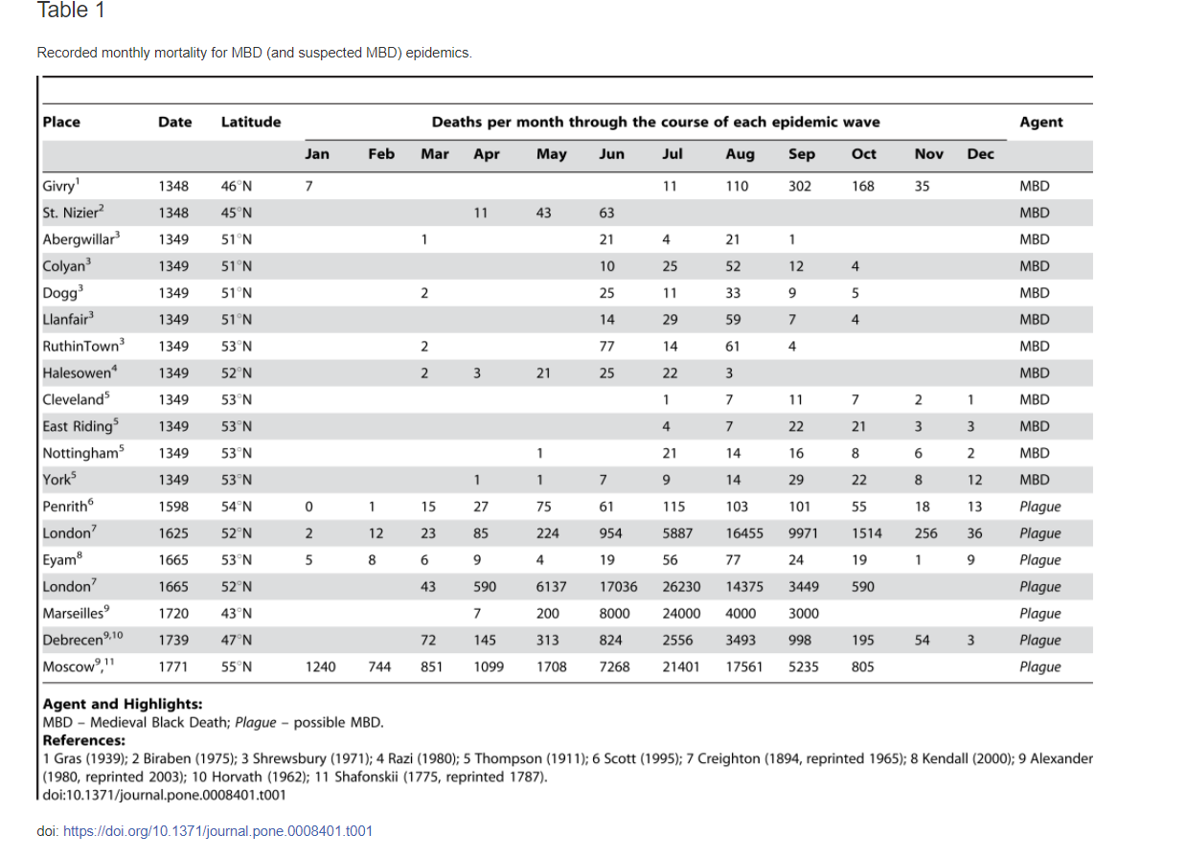
http://journals.plos.org/plosone/article?id=10.1371/journal.pone.0008401

