LineUp Card
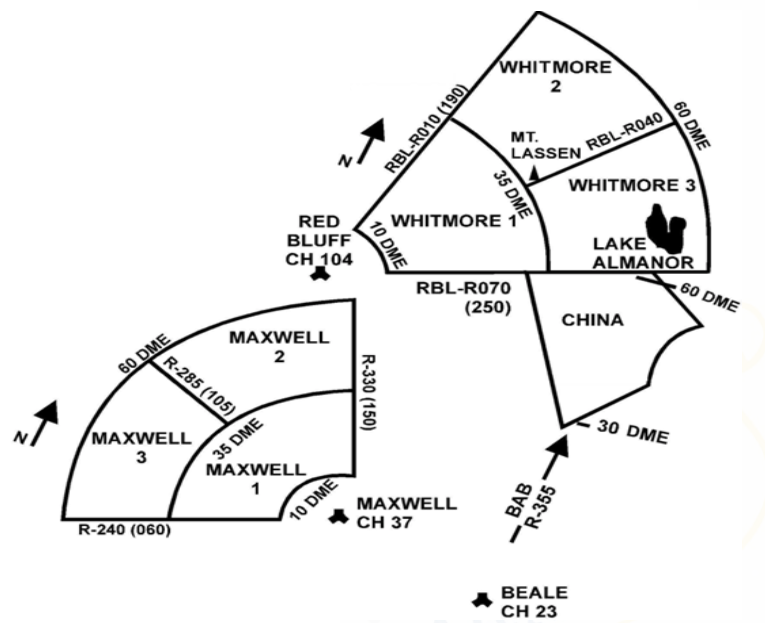
T-38 MISSION DATA CARD |  |  |  |  |  |  |  | BRIEF
CALL SIGN |  | FRONT | BACK | AIRCRAFT |  | JOKER | BINGO | MISSION OBJECTIVE: |  |  | ☐ | TIME HACK
ROPER | 21 | ELMORE | ATIS | 2993 |  | 1.6 | 1.2 | Go Sight Seeing |  |  | ☐ | OBJECTIVES
ROPER | 22 | LMORE | TIS | 2983 |  |  |  | MORE SIGHTSEEING |  |  | ☐ | OVERVIEW
ROPER | 23 | MORE | IS | 2973 |  | ATIS/CLR: |  | TRAINING OBJECTIVE (s): |  |  | ☐ | MISSION DATA CARD
ROPER | 24 | ORE | S | 2963 |  |  |  | STUFF |  |  | ☐ | RM CARD
TOLD |  |  | WEATHER | TIMES |  |  |  |  |  |  | ☐ | FCIF / OPS NOTES / NOTAMS
MACS |  | CFL | PA | SHOW |  |  |  | MORE STUFF |  |  | ☐ | WX
88 / 1 |  | 6113 | CAVOK | 11:00:00 |  |  |  |  |  |  | ☐ | CONTIGENCIES
DS |  | @EOR | TEMP | BRIEF |  |  |  | EVEN MORE STUFF |  |  | ☐ | SPINS
0 |  | >200 | 29°C | 11:15:00 |  |  |  |  |  |  | ☐ | SPECIAL INTEREST ITEMS
RS-EF |  | RS-BEO | WINDS | STEP |  |  |  | PLANNING / QUICKLINKS |  |  | ☐ | TRs
142 |  | 126 | 150/8 | 12:00:00 |  |  |  | NOTAMS: | WEATHER: | TFR's | ☐ | CRM
SETOS |  | GR⬇SECG | CEILING | T/O (S) | (A) |  |  | KBAB KMHR KSUU KSMF KCIC KFAT KNLC KRDD KRNO KSCK |  |  | ☐ | EPOD
164 |  | 389 | 2500 | 12:30:00 |  |  |  |  |  |  | ☐ | ITOD
SETOS+10 |  | GR⬆SECG | ICING | LAND (S) | (A) |  |  | TIME HACK: | MEF (.mil required) | AHAS:
174 |  | 656 | NONE | 13:45:00 |  |  |  | DEBRIEF
 |  |  |  | EG-13 | E - Engine Fail/Shutdown |  |  | BRIEF: |  |  | ☐ | OBJECTIVES
 |  |  |  | EG-15 | R - Restart |  |  |  |  |  | ☐ | BREIFING
 |  |  |  | EJ-11 | A - Alternate GR Extension |  |  |  |  |  | ☐ | GROUND OPS
 |  |  |  | EJ-3 | S - Single Engine Landing |  |  |  |  |  | ☐ | MISSION RECONSTRUCTION
 |  |  |  | EJ-5 | S - Single Engine Go Around |  |  |  |  |  | - | TAKE OFF
 |  |  |  | EI-5 | E - Ejection |  |  |  |  |  | - | DEPARTURE
 |  |  |  |  |  |  |  |  |  |  | - | AREA WORKS
 |  |  |  |  |  |  |  |  |  |  | - | RECOVERY / LANDING
 |  |  |  |  |  |  |  |  |  |  | ☐ | GENERAL
 |  |  |  |  |  |  |  |  |  |  | - | SIIs / RADIOs / CRM
 |  |  |  |  |  |  |  |  |  |  | ☐ | LESSONS LEARNED
 |  |  |  |  |  |  |  | EXECUTION: |  |  | ☐ | COMMENTS / QUESTIONS

