台電測試站
 |  |  |  |  | 公司報表_台電

公司 台電
報表產生時間 2022/09/01
報告內容時間 2022/06/01~2022/08/31

站台營運服務狀態

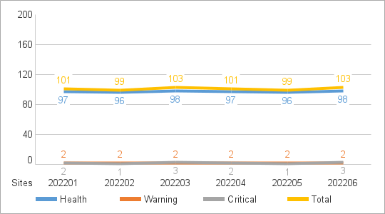
各站台 MXview 主機營運狀況
以是否發生 MXview One Server Alert 區分
Critical Site 當月發生過 Critical Event
Warning Site 當月未發生Critical Event 但有 Warning Event
Health Site 當月未發生 Critical Event 和 Warning Event

 | Health Site | Warning Site | Critical Site | Total
202201 | 97 | 2 | 2 | 101
202202 | 96 | 2 | 1 | 99
202203 | 98 | 2 | 3 | 103
202204 | 97 | 2 | 2 | 101
202205 | 96 | 2 | 1 | 99
202206 | 98 | 2 | 3 | 103

站台網路及設備監控狀態

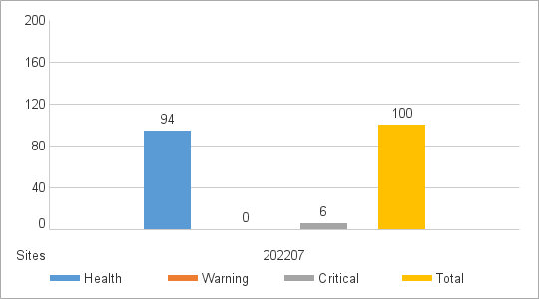
各站台網路及設備狀況
以是否發生 MXview One Server Alert 之外的 Alert 區分
Critical Site 當月發生過 Critical Event
Warning Site 當月未發生Critical Event 但有 Warning Event
Health Site 當月未發生 Critical Event 和 Warning Event

 | Health Site | Warning Site | Critical Site | Total
202207 | 94 | 0 | 6 | 100

Critical Event 發生次數 Top 10

Site | Total |  | Site | Device unreachable |  | Site | Network alert | Site | Ethernet port alert
aaa | 300 |  | aaa | 10 |  | aaa | 9 | aaa | 9
bbb | 200 |  | aaa | 10 |  | aaa | 10 | aaa | 10
ccc | 100 |  | aaa | 10 |  | aaa | 10 | aaa | 10
 |  |  | aaa | 10
 |  |  | aaa | 10

Site | Fiber port alert |  | Site | Power supply alert |  | Site | Network intrusion alert | Site | Device security alert
aaa | 8 |  | aaa | 7 |  | aaa | 7 | aaa | 7
aaa | 10 |  | aaa | 10 |  | aaa | 10 | aaa | 10
aaa | 10 |  | aaa | 10 |  | aaa | 10 | aaa | 10
aaa | 10

Site | Device Status Alert |  | Site | MXview One Server Alert |  | Site | GOOSE
aaa | 6 |  | aaa | 5 |  | aaa | 5
aaa | 10 |  | aaa | 10 |  | aaa | 10
aaa | 10 |  | aaa | 10 |  | aaa | 10
aaa | 10
aaa | 10
aaa | 10

Warning Event 發生次數 Top 10

Site | Total |  | Site | Device unreachable |  | Site | Network alert | Site | Ethernet port alert
bbb | 300 |  | bbb | 10 |  | bbb | 9 | bbb | 9
bbb | 200 |  | aaa | 10 |  | aaa | 10 | aaa | 10
ccc | 100 |  | aaa | 10 |  | aaa | 10 | aaa | 10
 |  |  | aaa | 10
 |  |  | aaa | 10

Site | Fiber port alert |  | Site | Power supply alert |  | Site | Network intrusion alert | Site | Device security alert
bbb | 8 |  | bbb | 7 |  | bbb | 7 | bbb | 7
aaa | 10 |  | aaa | 10 |  | aaa | 10 | aaa | 10
aaa | 10 |  | aaa | 10 |  | aaa | 10 | aaa | 10
aaa | 10

Site | Device Status Alert |  | Site | MXview One Server Alert |  | Site | GOOSE
bbb | 6 |  | bbb | 5 |  | bbb | 5
aaa | 10 |  | aaa | 10 |  | aaa | 10
aaa | 10 |  | aaa | 10 |  | aaa | 10
aaa | 10
aaa | 10
aaa | 10

==========================================================================================

