彰林 PS
 |  |  |  |  | 站台報表 _ 彰林 PS

公司 台電
站台 彰林 PS
報表產生時間 2022/09/01
報告內容時間 2022/06/01~2022/08/31

站台營運服務狀態

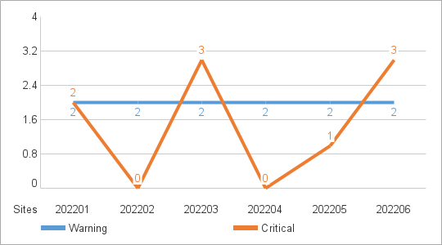
以是否發生 MXview One Server Alert 區分
Critical Site 當月發生過 Critical Event
Warning Site 當月未發生Critical Event 但有 Warning Event
Health Site 當月未發生 Critical Event 和 Warning Event

 | Warning Event | Critical Event | Site Status
202201 | 2 | 2 | Critical Site
202202 | 2 | 0 | Warning Site
202203 | 2 | 3 | Critical Site
202204 | 2 | 0 | Warning Site
202205 | 2 | 1 | Critical Site
202206 | 2 | 3 | Critical Site

站台網路及設備監控狀態

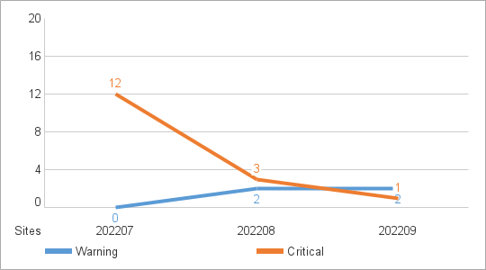
以是否發生 MXview One Server Alert 之外的 Alert 區分
Critical Site 當月發生過 Critical Event
Warning Site 當月未發生Critical Event 但有 Warning Event
Health Site 當月未發生 Critical Event 和 Warning Event

 | Warning Site | Critical Site | Site Status
202207 | 0 | 12 | Critical Site
202208 | 2 | 3 | Critical Site
202209 | 2 | 1 | Critical Site

異常事件分類次數 |  |  |  | 異常事件次數 Top 10

EventType |  | Count |  | Categroy |  | EventType | Count
Device unreachable |  | 10 |  | Device unreachable |  | Device unreachable | 10
Network alert |  | 8 |  | Network alert |  | Network alert | 8
Ethernet port alert |  | 1 |  | Ethernet port alert |  | Ethernet port alert | 1
Fiber port alert |  | 3 |  | Fiber port alert |  | Fiber port alert | 3
Power supply alert |  | 10 |  | Power supply alert |  | Power supply alert | 10
Network intrusion alert |  | 2 |  | Network intrusion alert |  | Network intrusion alert | 2
Device security alert |  | 2 |  | Device security alert |  | Device security alert | 2
Device Status Alert |  | 1 |  | Device Status Alert |  | Device Status Alert | 1
MXview One Server Alert |  | 5 |  | MXview One Server Alert |  | MXview One Server Alert | 5
GOOSE |  | 10 |  | GOOSE |  | GOOSE | 10
Total |  | 52 |  | Total |  |  | 52

==========================================================================================

