Introduction
This document contains mappings of the CIS Critical Security Controls (CIS Controls) and CIS Safeguards to the Australian Signals Directorate's "Essential Eight"
Last updated February 2025

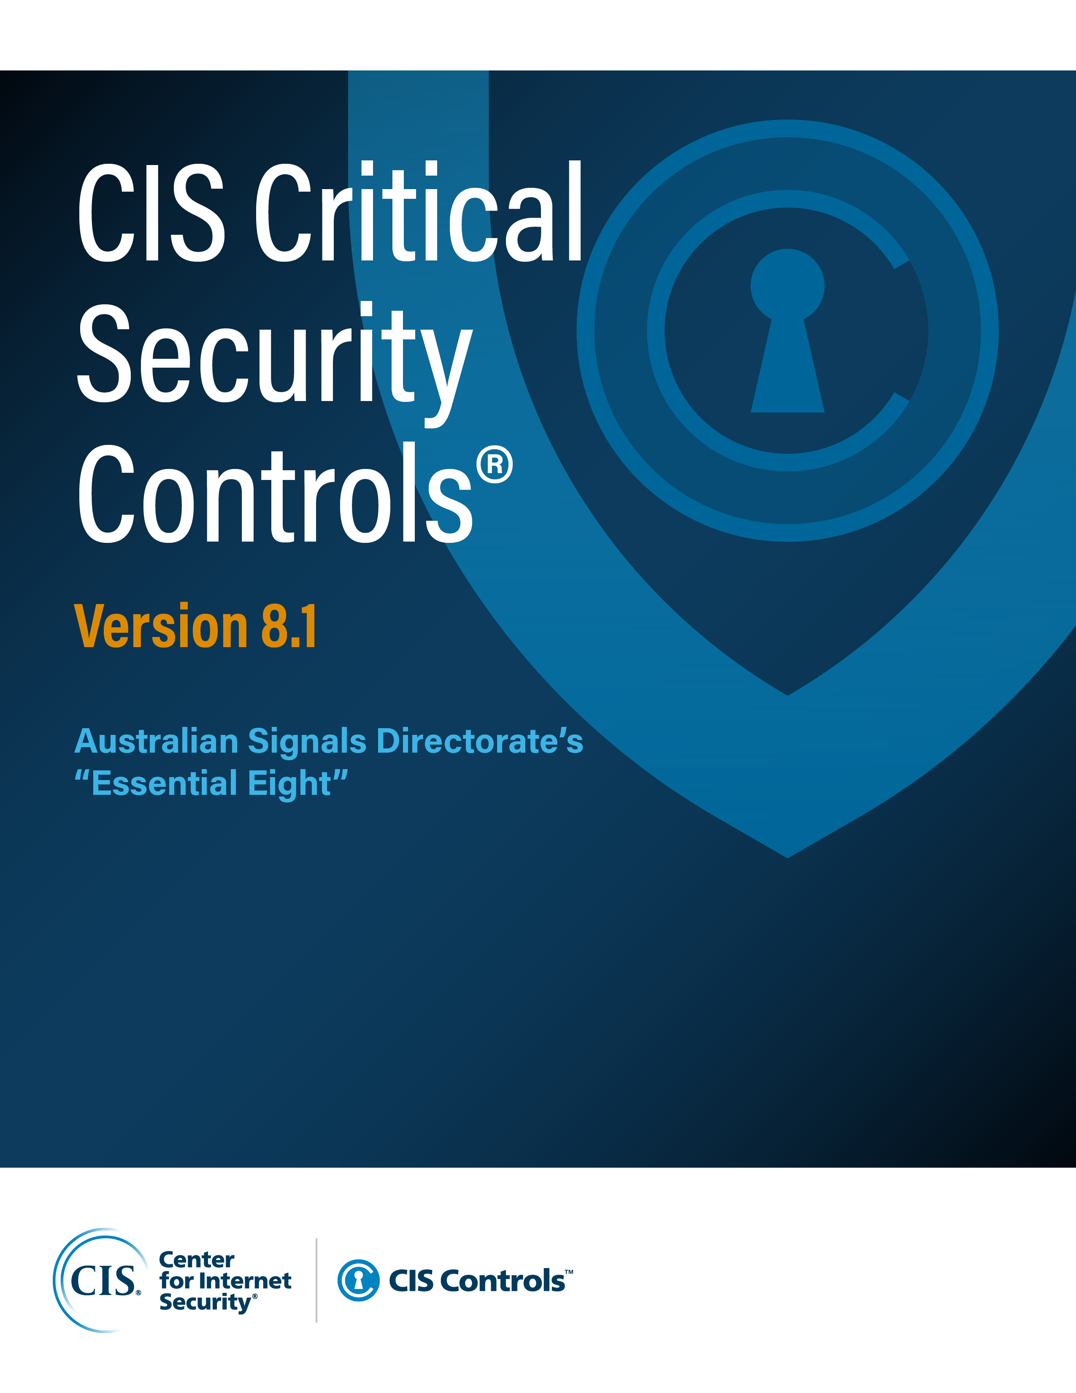

Contact Information
CIS
31 Tech Valley Drive
East Greenbush, NY 12061
518.266.3460
controlsinfo@cisecurity.org

Editors
Thomas Sager

Contributors

