Panel1
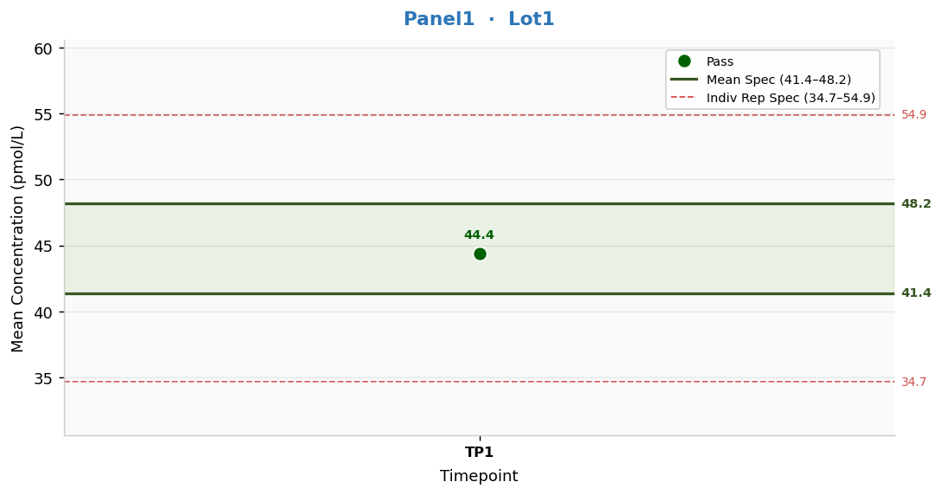
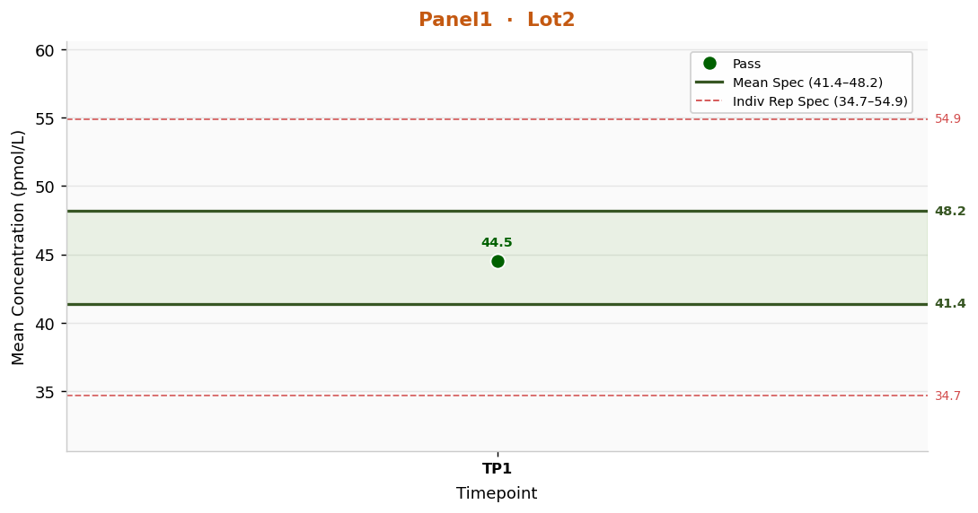
Panel1 — Concentration Trend Across Timepoints
Lot | Metric | TP1 | Mean Spec Low | Mean Spec High
Lot1 | Grand Mean | 44.4 | 41.4 | 48.2
Lot1 | %CV | 1.11 | CV ≤ 7.5% | —
Lot2 | Grand Mean | 44.5 | 41.4 | 48.2
Lot2 | %CV | 0.85 | CV ≤ 7.5% | —

Panel2
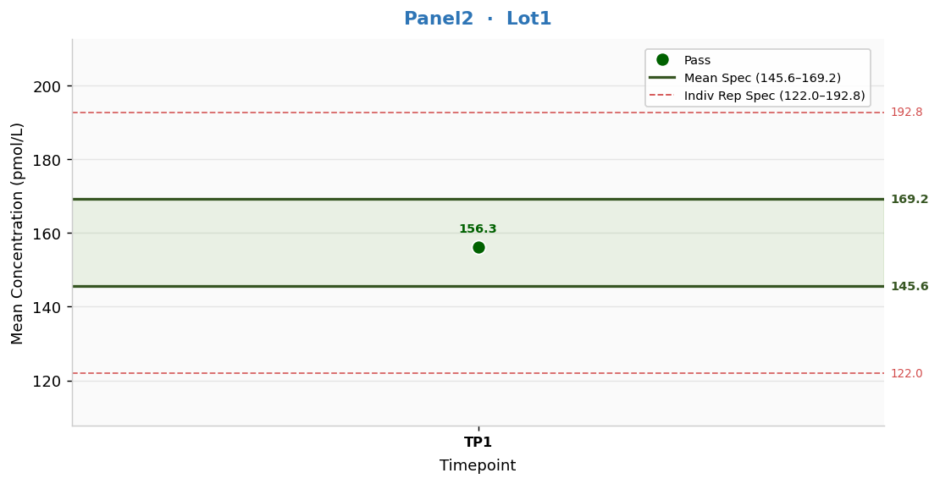
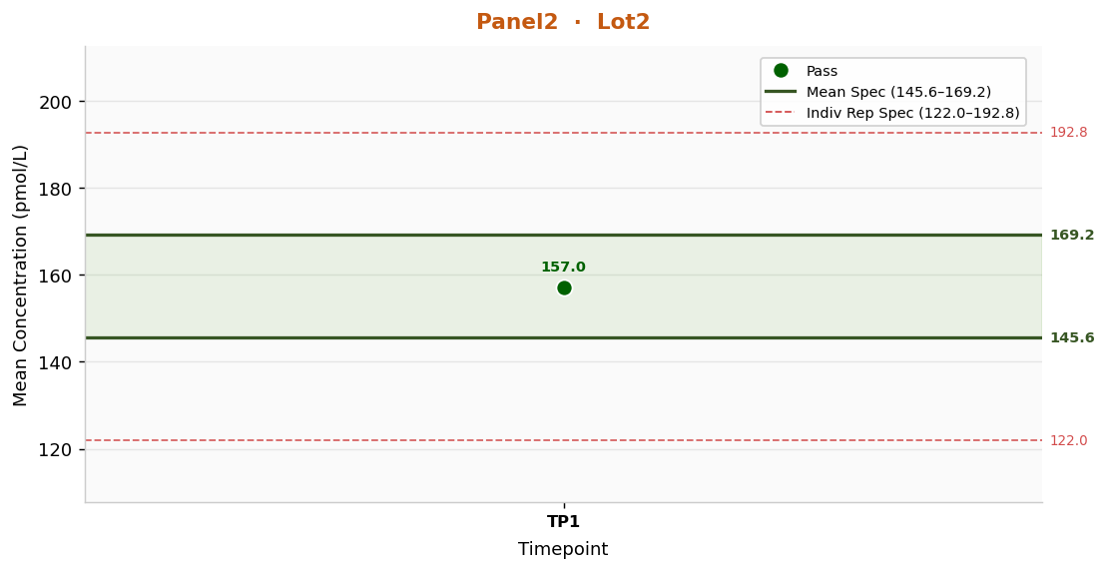
Panel2 — Concentration Trend Across Timepoints
Lot | Metric | TP1 | Mean Spec Low | Mean Spec High
Lot1 | Grand Mean | 156.3 | 145.6 | 169.2
Lot1 | %CV | 0.98 | CV ≤ 7.5% | —
Lot2 | Grand Mean | 157.0 | 145.6 | 169.2
Lot2 | %CV | 0.46 | CV ≤ 7.5% | —

Panel3
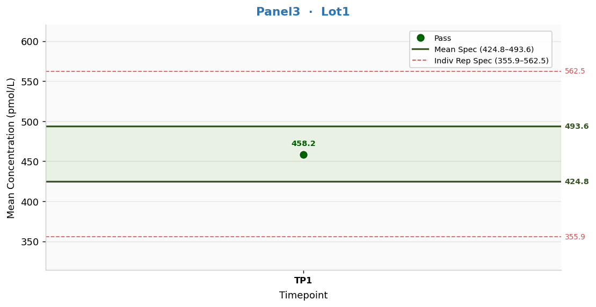
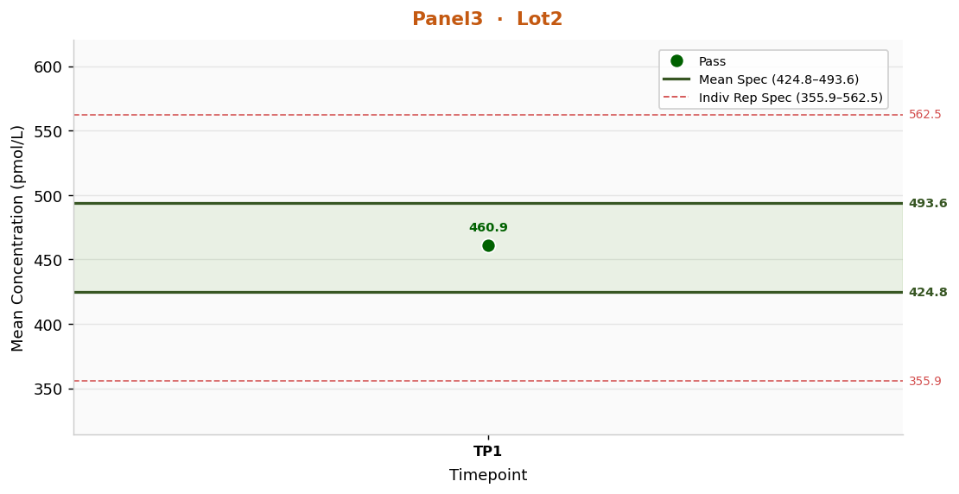
Panel3 — Concentration Trend Across Timepoints
Lot | Metric | TP1 | Mean Spec Low | Mean Spec High
Lot1 | Grand Mean | 458.2 | 424.8 | 493.6
Lot1 | %CV | 0.64 | CV ≤ 7.5% | —
Lot2 | Grand Mean | 460.9 | 424.8 | 493.6
Lot2 | %CV | 0.78 | CV ≤ 7.5% | —

Panel4
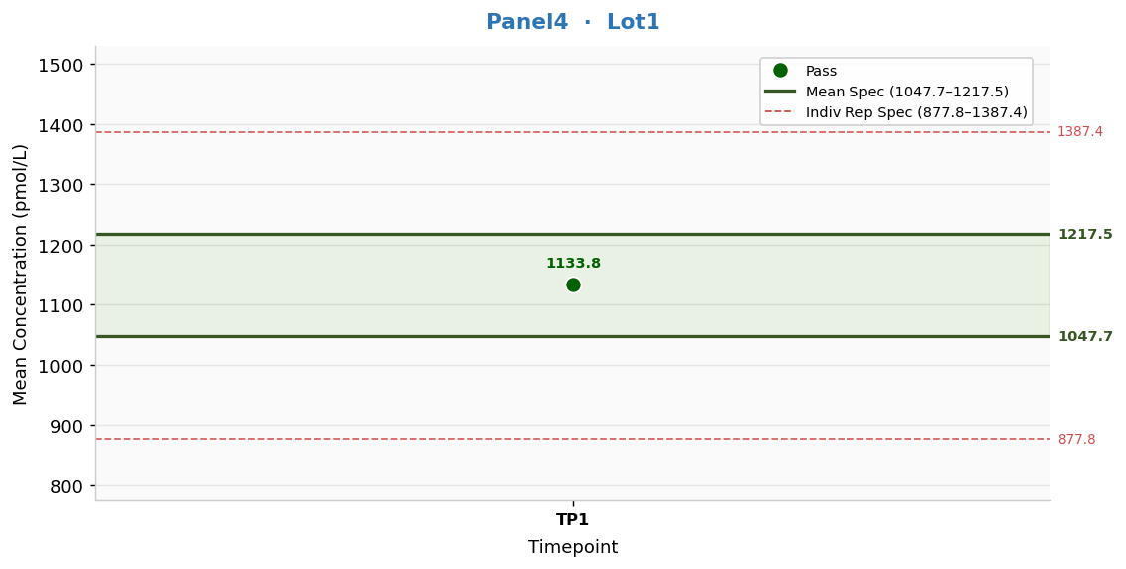

Panel4 — Concentration Trend Across Timepoints
Lot | Metric | TP1 | Mean Spec Low | Mean Spec High
Lot1 | Grand Mean | 1133.8 | 1047.7 | 1217.5
Lot1 | %CV | 0.85 | CV ≤ 7.5% | —
Lot2 | Grand Mean | 1130.4 | 1047.7 | 1217.5
Lot2 | %CV | 0.39 | CV ≤ 7.5% | —

RefCon1
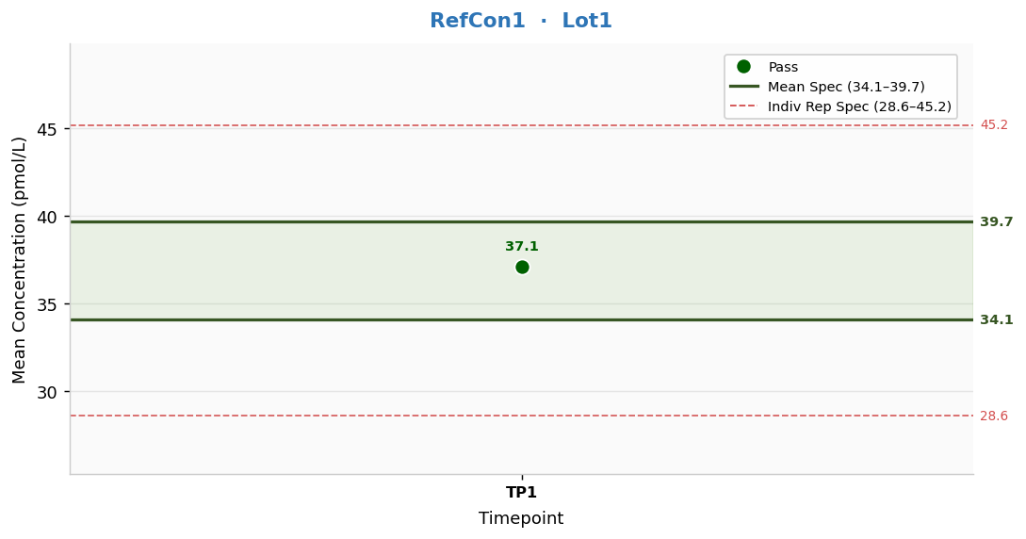
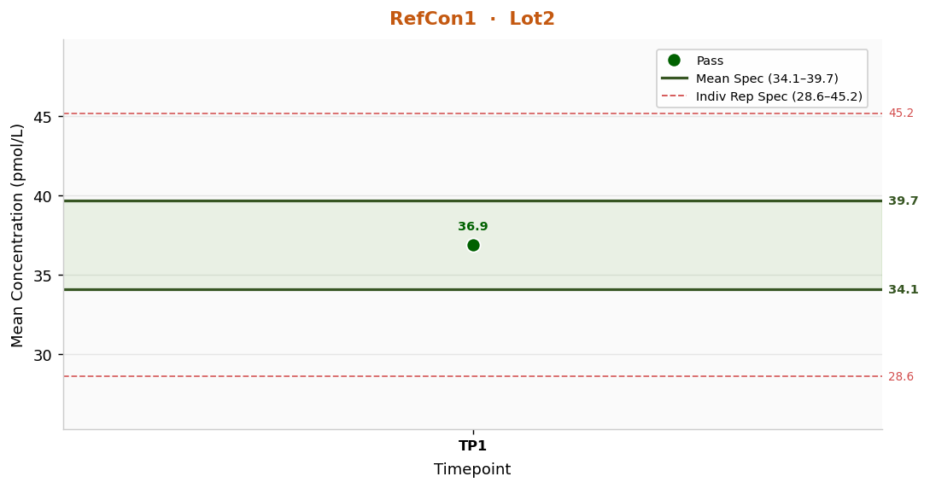
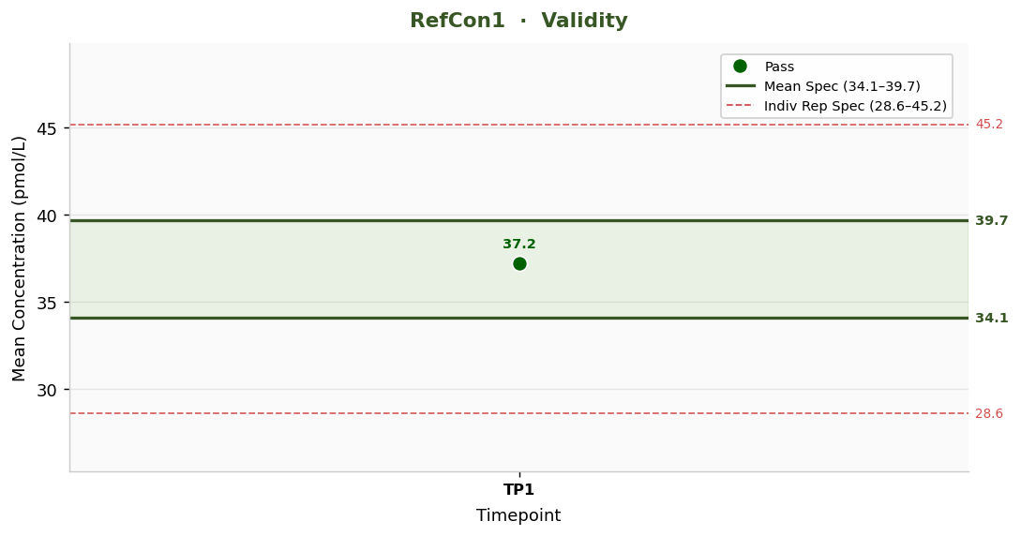
RefCon1 — Concentration Trend Across Timepoints
Lot | Metric | TP1 | Mean Spec Low | Mean Spec High
Lot1 | Grand Mean | 37.1 | 34.1 | 39.7
Lot1 | %CV | 1.04 | CV ≤ 7.5% | —
Lot2 | Grand Mean | 36.9 | 34.1 | 39.7
Lot2 | %CV | 0.89 | CV ≤ 7.5% | —
Validity | Grand Mean | 37.2 | 34.1 | 39.7
Validity | %CV | 1.60 | CV ≤ 7.5% | —

RefCon2

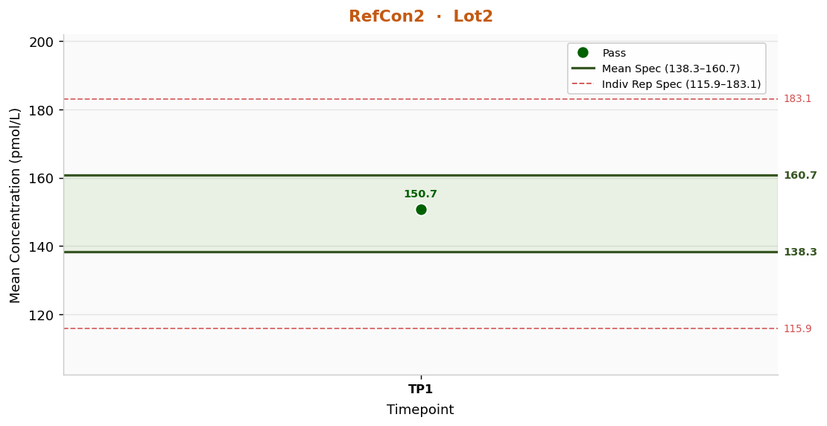
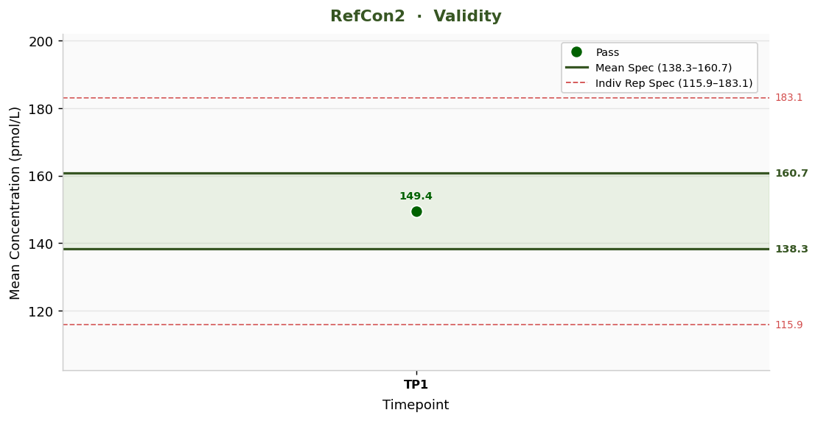
RefCon2 — Concentration Trend Across Timepoints
Lot | Metric | TP1 | Mean Spec Low | Mean Spec High
Lot1 | Grand Mean | 150.0 | 138.3 | 160.7
Lot1 | %CV | 0.70 | CV ≤ 7.5% | —
Lot2 | Grand Mean | 150.7 | 138.3 | 160.7
Lot2 | %CV | 1.11 | CV ≤ 7.5% | —
Validity | Grand Mean | 149.4 | 138.3 | 160.7
Validity | %CV | 1.19 | CV ≤ 7.5% | —

RefCon3
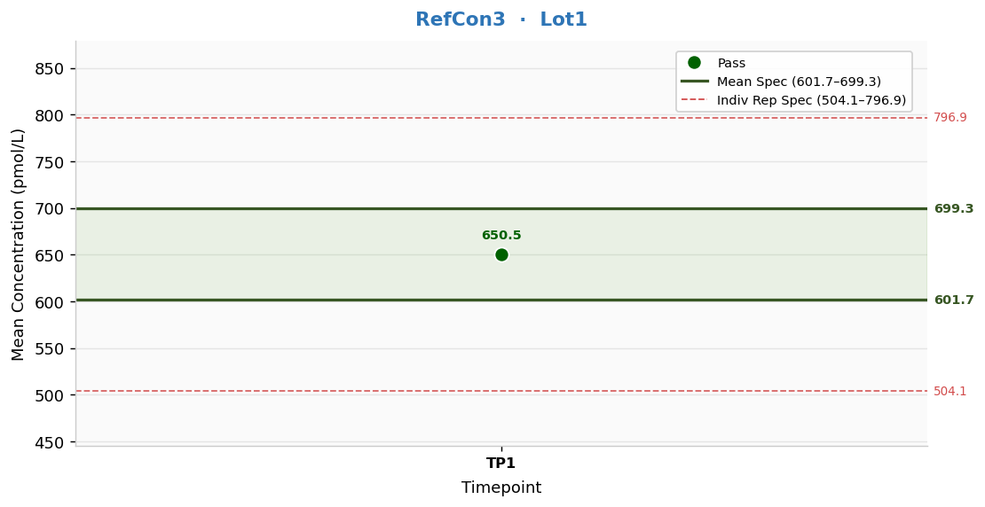
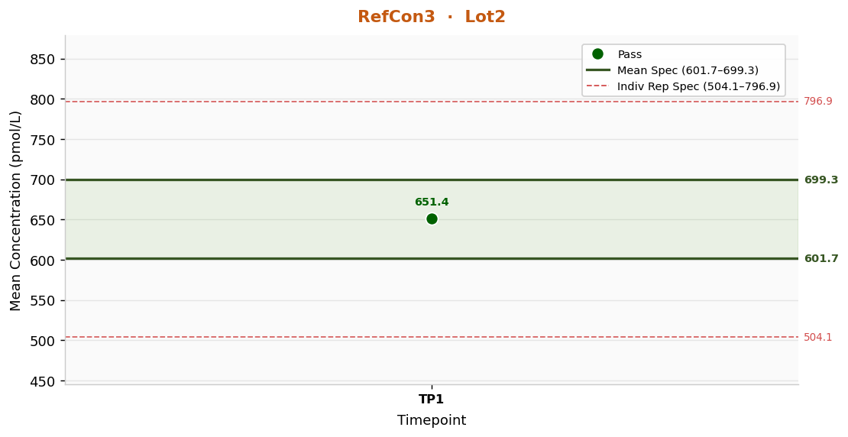
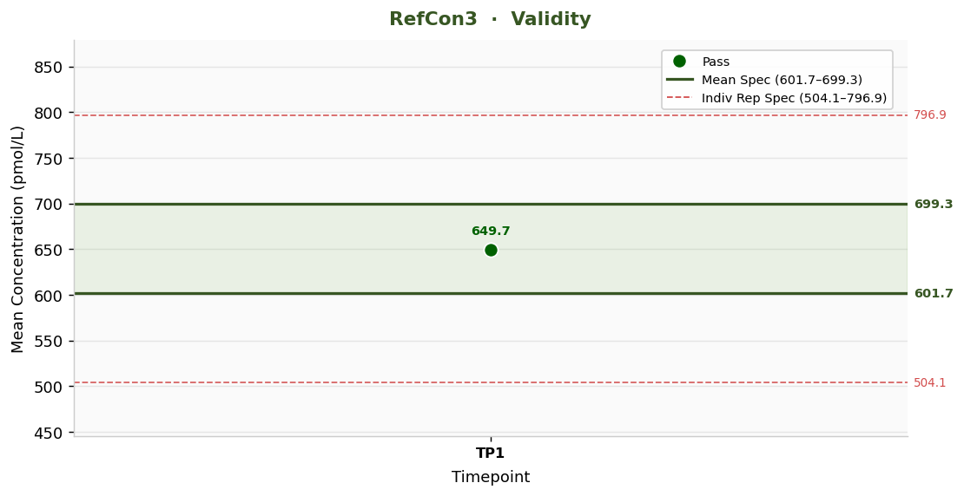
RefCon3 — Concentration Trend Across Timepoints
Lot | Metric | TP1 | Mean Spec Low | Mean Spec High
Lot1 | Grand Mean | 650.5 | 601.7 | 699.3
Lot1 | %CV | 0.50 | CV ≤ 7.5% | —
Lot2 | Grand Mean | 651.4 | 601.7 | 699.3
Lot2 | %CV | 0.92 | CV ≤ 7.5% | —
Validity | Grand Mean | 649.7 | 601.7 | 699.3
Validity | %CV | 1.56 | CV ≤ 7.5% | —

