BUG REPORT
PETSWORLD

OS:WINDOWS,BROWSER:CHROME |  |  |  | DATE:
VERIFIED BY: |  |  |  | TESTED BY:
Bug Id | Test Id | Bug Description | Steps to Reproduce | Screenshot | Severity | Priority | Status
DEF_PWD_01 | PWD_LP_27 | New OTP is not generated. Same OTP is generated and send to the mobile number | 1.Open petsworld site- https://petsworld.in 2.Click 'login' link 3.Identify heading of the page 'LOGIN' 4.Locate mobile number field 5.Enter mobile number 6.Click submit button 7.Redirect to 'verify phone number' page 8.Identify resend OTP text and Its icon 9.Click Resend OTP 10.Again click resend OTP | 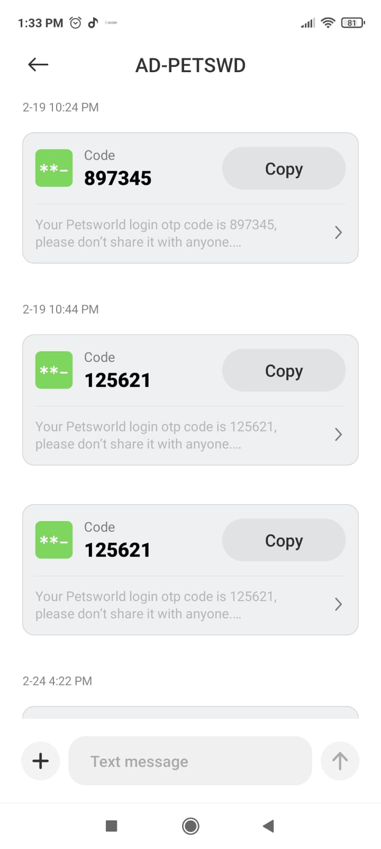 | Major |  | New
DEF_PWD_02 | PWD_RP_15 | The system is not display error message when enter a first name and last name that are longer than the maximum allowed length | 1.Open petsworld site- https://petsworld.in 2.Click 'login' link 3.Identify heading of the page 'LOGIN' 4.Locate mobile number field 5.Enter not registered mobile number 6.Click submit button 7.Find OTP send to this mobile number 8.Enter Correct OTP 9.Click 'verify' button 10.Locate 'account set up' heading 11.Verify all the text field 12.Enter characters in the first name and last name 13.Enter valid email address 14.Click 'continue 'button |  | Critical |  | New
DEF_PWD_03 | PWD_HP_06 | The search function displays results that not match the user's input | 1.Open 'petsworld' site- https://petsworld.in 2.Verify home page 3.Locate 'search' button 4.Enter the item/product for search |  | Minor |  | New
DEF_PWD_04 | PWD_HP_07 | The search function is not displays an error message if no results are found. | 1.Open 'petsworld' site- https://petsworld.in 2.Verify home page 3.Locate 'search' button 4.Enter the item/product for search |  | Major |  | New
DEF_PWD_05 | PWD_HP_09 | The search function is not returns relevant results with correct sorting order as per SRS document | 1.Open 'petsworld' page 2.Verify home page 3.Locate 'search' button 4.Enter data |  | Major |  | New
DEF_PWD_06 | PWD_HP_10 | The search box has no appropriate validation such as minimum and maximum length of input. Its not displays error message | 1.Open 'petsworld' page 2.Verify home page 3.Locate 'search' button 4.Enter minimum and maximum length of input |  | Major |  | New
DEF_PWD_07 | PWD_HP_13 | The search box is not provides a clear button to erase the entered text and start a new search. | 1.Open 'petsworld' page 2.Verify home page 3.Locate 'search' button 4.Identify a 'clear' button |  | Major |  | New
DEF_PWD_08 | PWD_HP_46 | All text on the Home page is not grammatically correct and free of spelling errors. | 1.Open 'petsworld' page 2.Locate all text on the home page 3.Verify all the text on the home page |  | Trivial |  | New
DEF_PWD_09 | PWD_HP_47 | The banner slide is not contain screen reader as per SRS document. | 1.Open 'petsworld' page 2.Verify assistive technologies used in website |  | Major |  | New
DEF_PWD_10 | PWD_HP_58 | The secondary menu 'dog' of primary menu 'shop by pet' is selected automatically when the mouse hover over the primary menu 'shop by pet'. | 1.Open 'pets world' page 2.Identify 3 primary menus 3.Hover mouse over each primary menu 'shop by pet' 4.Locate all secondary menus of 'shop by pet' 5.Verify secondary menus of 'shop by pet' | 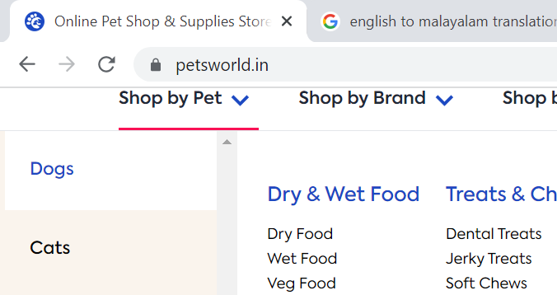 | Minor |  | New
DEF_PWD_11 | PWD_HP_63 | The call-to-action buttons such as “Shop Now” are not working properly in the banner slide. | 1.Open 'pets world' page 2.Locate all 'shop now' button 3.Click 'shop now' button 4.Verify 'shop now' button |  | Critical |  | New
DEF_PWD_12 | PWD_HP_67 | The home page redirects to the 'sitemap' page when click on 'sitemap' in footer section of the home page | 1.open 'petsworld' page 2.Locate footer section of the page 3.Locate 'sitemap' link 4.click 'siemap' link |  | Critical |  | New
DEF_PWD_13 | PWD_HP_69 | Some links 'dog training', 'veterinary care','adoption' and 'pet friendly hotels' and 'cancellation policy' in the footer section is not working properly | 1.open 'petsworld' page 2.Locate footer section of the page 3.Locate all available links in footer section 4.click all link in the footer section 5.Verify all link |  | Major |  | New
DEF_PWD_14 | PWD_HP_70 | The 'keep in touch' mail is not working properly | 1.open 'petsworld' page 2.Locate footer section of the page 3.Locate 'keep in touch' mail link in footer section 4.click 'keep in touch' mail link in the footer section 5.Verify link |  | Critical |  | New
DEF_PWD_15 | PWD_HP_71 | The 'download our app' link is not working properly | 1.open 'petsworld' page 2.Locate footer section of the page 3.Locate 'download our app' link in footer section 4.click 'download our app' link in the footer section 5.Verify link | 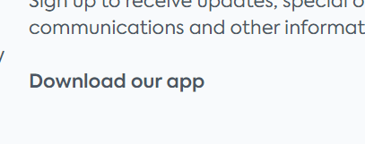 | Minor |  | New
DEF_PWD_16 | PWD_HP_84 | The call-to-action button in 'crates and cages' sub-category of 'shop for cats' are not working or clickable | 1.Open petsworld page 2.Locate category are 'shop for cats' 3.Identify the call-to-action button with message for 'crates and cages' 4.Click 'shop now' button |  | Minor |  | New
DEF_PWD_17 | PWD_HP_85 | The call-to-action button in 'Bowls' sub-category of 'shop for cats' are not working or clickable | 1.Open petsworld page 2.Locate category are 'shop for cats' 3.Identify the call-to-action button with message for 'bowls' 4.Click 'shop now' button |  | Minor |  | New
DEF_PWD_18 | PWD_HP_87 | The 'previous' and 'next' buttons of 'best selling dog products' are not working or clickable | 1.Open petsworld page 2.Locate label for dogs best selling products 3.Locate next and previous button 4.click these two buttons |  | Minor |  | New
DEF_PWD_19 | PWD_HP_88 | The 'previous' and 'next' buttons of 'best selling cat products' are not working or clickable | 1.Open petsworld page 2.Locate label for cats best selling products 3.Locate next and previous button 4.click these two buttons |  | Minor |  | New
DEF_PWD_20 | PWD_HP_94 | The ' previous' and 'next' button of 'recent blog post' are not working | 1.Open petsworld page 2.Locate 'recent blog post' and content 3.Locate 'pevious' and 'next' button 4.Click these two button |  | Minor |  | New
DEF_PWD_21 | PWD_CT_06 | The coupon code is applied and the cart total is not updated accordingly. | 1.Open petsworld page 2.Locate different type of products 3.Click needed products and it go to their site 4.Locate 'add to cart' button 5.Click on the 'add to cart' button 6.Navigate to the shopping cart page 7.Enter a valid coupon code in the 'coupon code' field. 8.Click on the 'apply coupon' button | 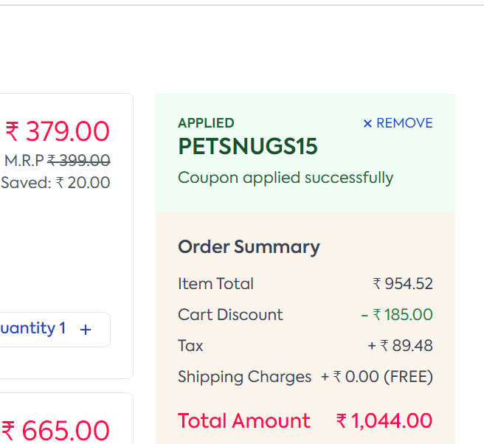 | Critical |  | New
DEF_PWD_22 | PWD_CT_08 | The 'save for later' button is not clickable | 1.Open petsworld page 2.Locate different type of products 3.Click needed products and it go to their site 4.Locate 'add to cart' button 5.Click on the 'add to cart' button 6.Navigate to the shopping cart page 7.Locate 'save for later' button 8.Click 'save for later' button |  | Major |  | New
DEF_PWD_23 | PWD_CT_09 | The item is not saved for later checkout when click on 'save for later' button and also it is not clickable | 1.Open petsworld page 2.Locate different type of products 3.Click needed products and it go to their site 4.Locate 'add to cart' button 5.Click on the 'add to cart' button 6.Navigate to the shopping cart page 7.Locate 'save for later' button 8.Click 'save for later' button |  | Major |  | New
DEF_PWD_24 | PWD_CT_15 | The page is not display error when user click 'apply' button without entering any promo code | 1.Open petsworld page 2.Locate different type of products 3.Click needed products and it go to their site 4.Locate 'add to cart' button 5.Click on the 'add to cart' button 6.Navigate to the shopping cart page 7.Locate 'enter your promo' place holder text field 8.Click 'apply' button | 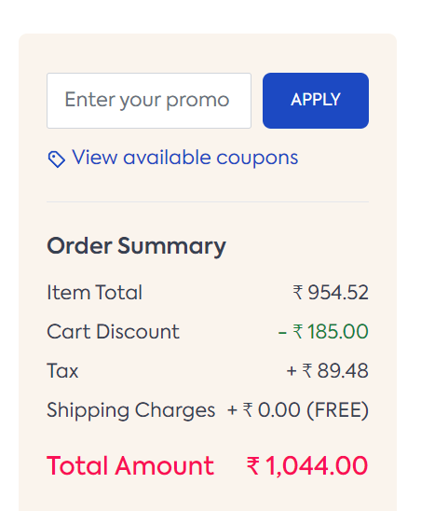 | Minor |  | New
DEF_PWD_25 | PWD_CT_23 | The total amount calculation of product is not correct | 1.Open petsworld page 2.Locate different type of products 3.Click needed products and it go to their site 4.Locate 'add to cart' button 5.Click on the 'add to cart' button 6.Navigate to the shopping cart page 7.Verify order summary of the prodcut | 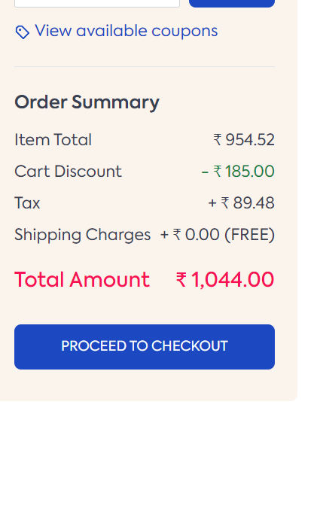 | Critical |  | New
DEF_PWD_26 | PWD_CT_24 | The total amount is not updated when the coupon code is applied | 1.Open petsworld page 2.Locate different type of products 3.Click needed products and it go to their site 4.Locate 'add to cart' button 5.Click on the 'add to cart' button 6.Navigate to the shopping cart page 7.Locate 'view available coupon' link 8.Click the 'view available coupon' link 9.Click coupon code in the pop-up box | 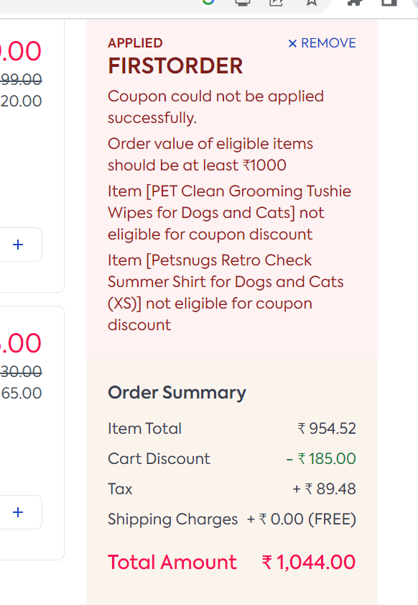 | Major |  | New
DEF_PWD_27 | PWD_CT_28 | The user is not transfers items from the saved cart to the current cart and vice versa. The saved cart option is missing | 1.Open petsworld page 2.Locate different type of products 3.Click needed products and it go to their site 4.Locate 'add to cart' button 5.Click on the 'add to cart' button 6.Navigate to the shopping cart page 7.Locate 'save for later' link 8.Click 'save for later' link |  | Major |  | New
DEF_PWD_28 | PWD_AC_21 | The system not display error message when enter a full name that are longer than the maximum allowed length | 1.Open 'petsworld' page 2..Locate home page 3.Locate 'My Account' link with icon 4.Click 'My Account' link 5.Locate 'add address' section 6.Click 'add address' section 7.Identify the field of 'full name' 8.Enter name longer than the maximum allowed length | 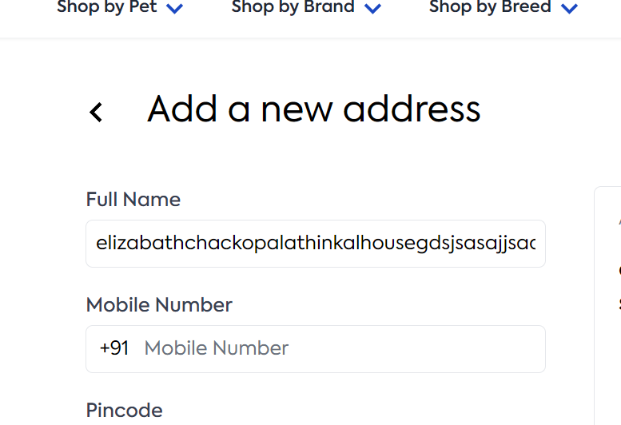 | Minor |  | New
DEF_PWD_29 | PWD_AC_22 | The field not display error message when full name field accept invalid name | 1.Open 'petsworld' page 2..Locate home page 3.Locate 'My Account' link with icon 4.Click 'My Account' link 5.Locate 'add address' section 6.Click 'add address' section 7.Identify the field of 'full name' 8.Enter invalid format of full name | 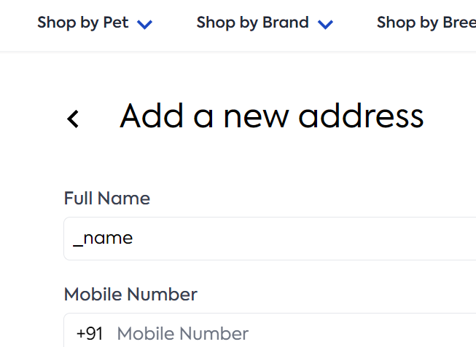 | Minor |  | New
DEF_PWD_30 | PWD_AC_23 | The page not display an error if user entered pincode not match with your area | 1.Open 'petsworld' page 2..Locate home page 3.Locate 'My Account' link with icon 4.Click 'My Account' link 5.Locate 'add address' section 6.Click 'add address' section 7.Identify the field of 'pincode' 8.Enter pincode 9.Enter street1 | 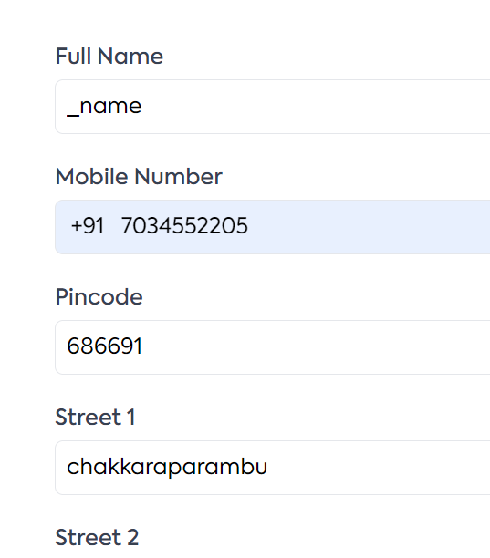 | Major |  | New
DEF_PWD_31 | PWD_AC_28 | The 'edit' button is not work properly | 1.Open 'petsworld' page 2..Locate home page 3.Locate 'My Account' link with icon 4.Click 'My Account' link 5.Locate 'add address' section 6.Click 'add address' section 7.Identify all the field 8.Enter details in all field 9.Click submit button 10.Locate 'saved address' section 11.Identify 'edit' button 12.click 'edit' button | 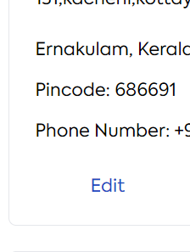 | Minor |  | New
DEF_PWD_32 | PWD_AC_34 | The alignment of saved address is not correct | 1.Open 'petsworld' page 2..Locate home page 3.Locate 'My Account' link with icon 4.Click 'My Account' link 5.Locate 'add address' section 6.Click 'add address' section 7.Identify all the field 8.Enter details in all field 9.Click submit button 10.Locate 'saved address' section | 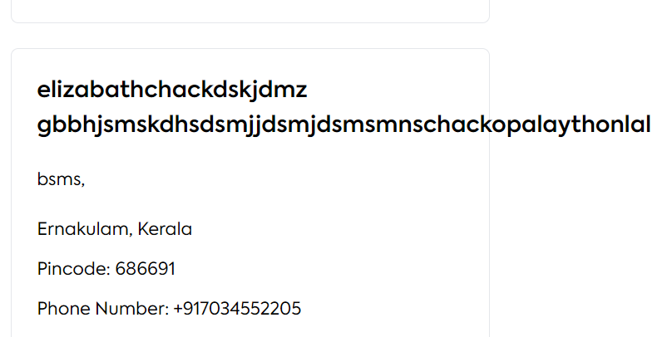 | Trivial |  | New
DEF_PWD_33 | PWD_CO_11 | The calculation of billing is not correct in review order page | 1.Open petsworld page 2.Locate different type of products 3.Click needed products and it go to their site 4.Locate 'add to cart' button 5.Click on the 'add to cart' button 6.Navigate to the shopping cart page 7.Locate 'proceed to checkout' page 8.Click 'proceed to checkout' button 9.Click saved address button 10.Verify billing summary | 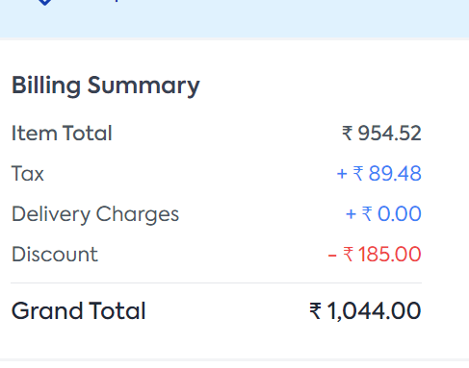 | Critical |  | New
DEF_PWD_34 | PWD_CO_12 | The billing summary is not clear to user or make confusion to user | 1.Open petsworld page 2.Locate different type of products 3.Click needed products and it go to their site 4.Locate 'add to cart' button 5.Click on the 'add to cart' button 6.Navigate to the shopping cart page 7.Locate 'proceed to checkout' page 8.Click 'proceed to checkout' button 9.Click saved address button 10.Verify billing summary | 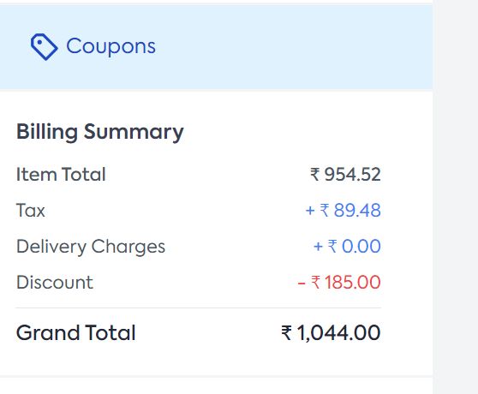 | Minor |  | New
DEF_PWD_35 | PWD_CO_13 | The allignment of addressin review order page is not correct | 1.Open petsworld page 2.Locate different type of products 3.Click needed products and it go to their site 4.Locate 'add to cart' button 5.Click on the 'add to cart' button 6.Navigate to the shopping cart page 7.Locate 'proceed to checkout' page 8.Click 'proceed to checkout' button 9.Click saved address button 10.Verify alignment of address | 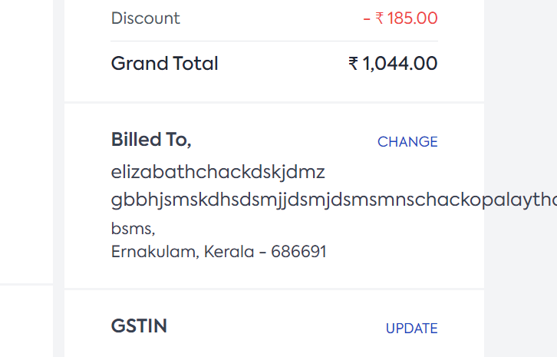 | Trivial |  | New
DEF_PWD_36 | PWD_CO_15 | The all content of pop-up box is not converted into specfied language in the online payment option | 1.Open petsworld page 2.Locate different type of products 3.Click needed products and it go to their site 4.Locate 'add to cart' button 5.Click on the 'add to cart' button 6.Navigate to the shopping cart page 7.Locate 'proceed to checkout' page 8.Click 'proceed to checkout' button 9.Click saved address button 10.Choose payment 11.Click place order button 12.Select language convert option in pop-up box | 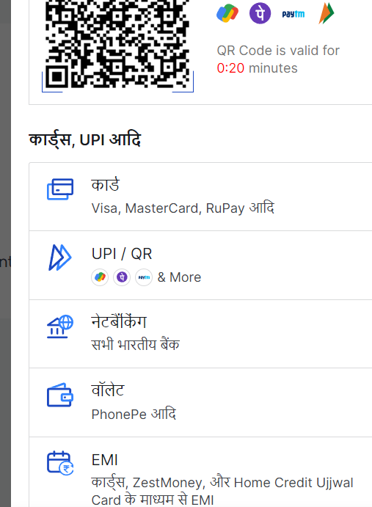 | Minor |  | New
DEF_PWD_37 | PWD_CO_17 | The pop-up box of online payment not display any error message if user not choose any payment method and click 'pay now' button | 1.Open petsworld page 2.Locate different type of products 3.Click needed products and it go to their site 4.Locate 'add to cart' button 5.Click on the 'add to cart' button 6.Navigate to the shopping cart page 7.Locate 'proceed to checkout' page 8.Click 'proceed to checkout' button 9.Click saved address button 10.Choose payment 11.Click place order button 12.Click 'pay now' button | 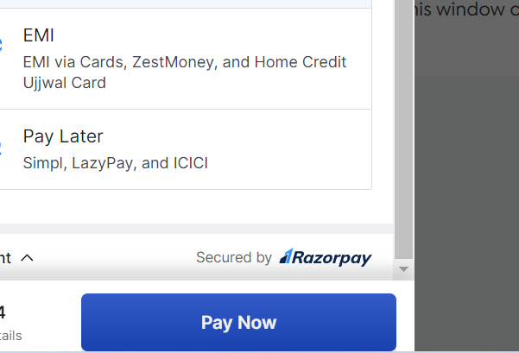 | Minor |  | New
DEF_PWD_38 |  |  |  |  |  |  | New
 |  |  |  |  |  |  | New
 |  |  |  |  |  |  | New
 |  |  |  |  |  |  | New
 |  |  |  |  |  |  | New
 |  |  |  |  |  |  | New
 |  |  |  |  |  |  | New

DEFECT DISTRIBUTION
DEFECT DISTRIBUTION GRAPH

Module Name | Defect distribution
Login | 1
Registration page | 1
Home Page | 18
Cart page | 7
My Account | 5
Checkout Page | 5

