Keymatrix
 | Keymatrix for Samet, Version 4.0
 | 8 rows & 14 colums ()
 |  |  |  |  |  |  |  |  |  |  |  |  |  |  | Row | Board pin | J1
Key number |  |  |  |  |  |  |  |  |  |  |  |  |  |  | 0 | 22 | 20
HID Code | Mod 0x02 | Mod 0x20 |  |  |  |  |  |  | 0x0D | 0x36 | 0x0E | 0x2E | 0x09 | 0x0A
Key name | Left Shift | Right Shift |  |  |  |  |  |  | "J" | ", <" | "K" | "= +" | "F" | "G"
Key number |  |  |  |  |  |  |  |  |  |  |  |  |  |  | 1 | 21 | 21
HID Code |  |  | Mod 0x04 | Mod 0x40 |  |  |  | 0x0C | 0x33 | 0x2F | 0x37 | 0x16 |  | 0x1D
Key name |  |  | Left Alt | Right Alt |  |  |  | "I" | "; :" | "[ {" | ". >" | "S" |  | "Z"
Key number |  |  |  |  |  |  |  | Idx 22 |  |  |  |  |  |  | 2 | 20 | 22
HID Code |  |  |  |  | Mod 0x01 |  |  | 0x4F | 0x13 | 0x25 | 0x04 | 0x18 |  | 0x0F
Key name |  |  |  |  | Left Ctrl |  |  | "Right- Arrow" | "P" | "8 *" | "A" | "U" |  | "L"
Key number |  |  |  |  |  |  |  |  |  |  |  |  | Idx 18 | Idx 6 | 3 | 19 | 23 | Membrane connector
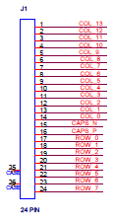
HID Code |  |  |  |  |  | Mod 0x08 |  | 0x38 |  | 0x07 |  | 0x10 | 0x50 | 0x1E
Key name |  |  |  |  |  | Left Win |  | "/ ?" |  | "D" |  | "M" | "Left Arrow" | "1 !"
Key number |  |  |  |  |  |  | Idx 0 |  |  |  | Euro 1 |  | Euro 2 |  | 4 | 18 | 24
HID Code |  |  |  |  |  |  |  | 0x23 | 0x1C | 0x39 | 0x32 | 0x14 | 0x64 | 0x30
Key name |  |  |  |  |  |  | "Left Fn" | "6 ^" | "Y" | "CapsLck" | "$ }" | "Q" | "< >" | "] }"
Key number |  |  | Japan | Japan | Japan | Korean | Korean |  |  |  | Idx 1 |  | Idx 8 |  | 5 | 17 | 25
HID Code | 0x31 | 0x0B | 0x8B | 0x8A | 0x88 |  |  | 0x2B | 0x1B | 0x17 | 0x29 | 0x2D | 0x1F | 0x21
Key name | "Back Slash" | "H" | "Muhenkan" | "Henkan" | "KataHira" | "Hanja" | "Hanguel" | "Tab" | "X" | "T" | "Esc" | "'- _" | "2 @" | "4 $"
Key number |  | Idx 10 |  |  |  |  |  | Idx 16 | Japan |  |  | Idx 24 |  |  | 6 | 16 | 26
HID Code | 0x12 | 0x20 | 0x06 | 0x1A | 0x28 | 0x19 |  | 0x0224 | 0x87 |  | 0x26 | 0x51 | 0x24 | 0x15
Key name | "O" | "3 #" | "C" | "W" | "Enter" | "V" |  | "Back" | "Ro" |  | "9 (" | "Down Arrow" | "7 &" | "R"
Key number |  | Japan |  |  |  |  |  |  | Idx 14 | Idx 20 |  |  |  | Idx 12 | 7 | 15 | 27
HID Code | 0x49 | 0x89 | 0x22 | 0x34 | 0x05 |  | 0x2C | 0x08 | 0x4A | 0x52 |  | 0x11 | 0x27 | 0x2A
Key name | "Insert" | "Yen" ¥ | | "5 %" | "Quote" | "B" |  | "Space" | "E" | "AC Home" | "Up Arrow" | " ` ~ " | "N" | "0 )" | "Back space"

Col | 0 | 1 | 2 | 3 | 4 | 5 | 6 | 7 | 8 | 9 | 10 | 11 | 12 | 13
Board Pin | 48 | 47 | 46 | 45 | 44 | 43 | 42 | 41 | 31 | 30 | 29 | 28 | 27 | 26
J1 | 17 | 16 | 15 | 14 | 13 | 12 | 11 | 10 | 9 | 8 | 7 | 6 | 5 | 4

Layout
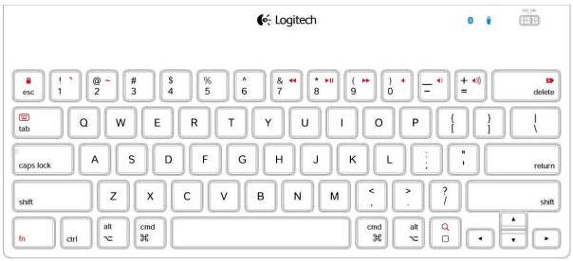
FR-803 Keyboard TABLET layout (US)

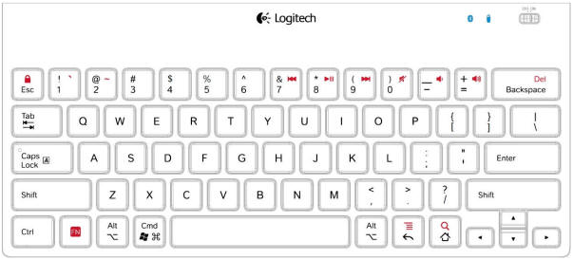

FR-833 SAMET IPAD (Apple) layout (US)

