LUG
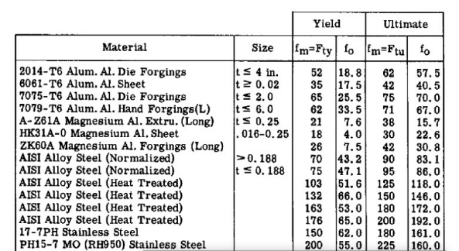

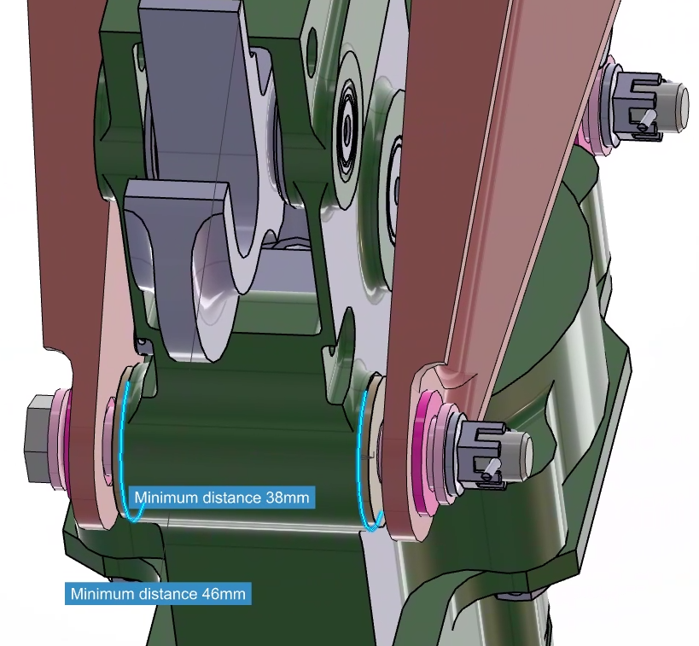
SHEAR PIN NLG_drag
Fsu [Mpa] | 669 MPa
F [N] | 6,235.4 N
FF | 1.15
Area [mm^2] | 10.7 mm²
Diameter | 3.7 mm
Sizing --> | 7.9 mm | *lo que está en maqueta

FEMALE LUG NLG_drag
FUL | 3,741.2 N
FF | 1.15
Ftu | 476 MPa
Beta (Lug tappered angle) | 0 °
Theta (Load angle) | 90 °
D (Lug diameter) | 7.9 mm | *bulón+ casquillos de CRESS y de bronce
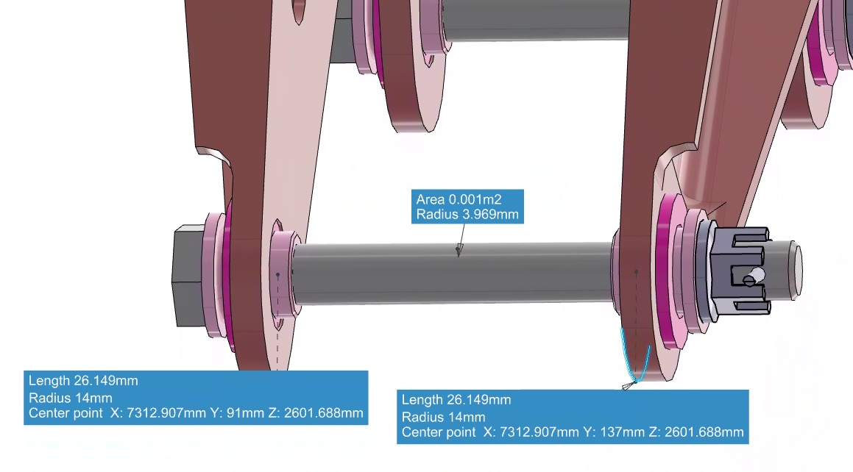
t (Lug Thickness) | 4.0 mm
r (Lug radius) | 14.0 mm
a (Lug eccentricity) | 14.0 mm
W (Lug width) | 28.0 mm

2r/d | 3.5443
Ktb (β=0 / θ=0) | 1.4641
Ktb (β=0 / θ=90) | 1.4403
Ktb (β=0;θ) | 1.4403
Ktb (β=45;θ) | 1.2207
Ktb (β;θ) | 1.4403

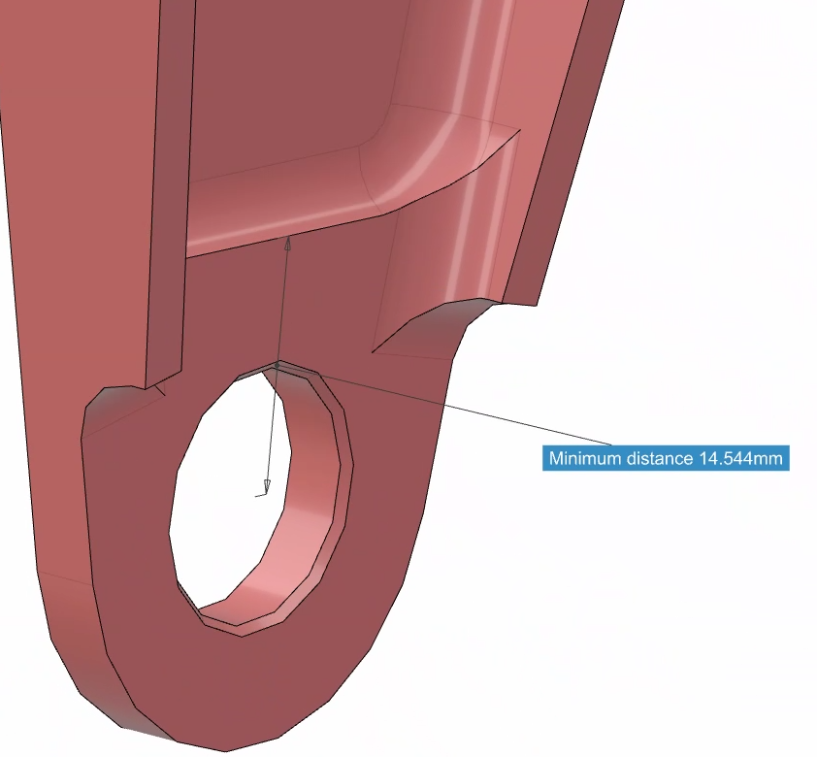
a/r | 1.0000
H(θ=0) | 1.0000
H(θ=45) | 1.0000
H(θ=90) | 1.0000
H(θ) | 1.0000
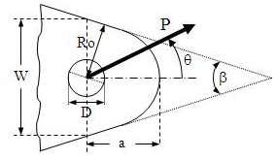
Ktb | 1.4403
KBR | 1.6048
Pultimate | 24,123.3 N
RF | 5.61

FEMALE LUG NLG_before nerves
Force Lateral | 374.1 N
Distance (arm) | 14.5 mm
Bending Moment | 5,424.8 N·mm
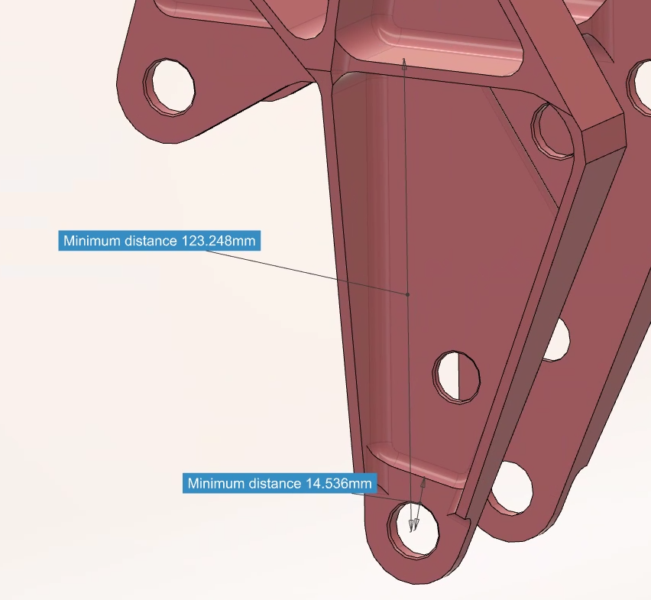
t (Lug Thickness) | 4.0 mm
W (Lug width) | 28.0 mm
Inertia | 149.3 mm⁴
Sigma (Bending) | 72.7 MPa
Force Axial --> Z | 3,741.2 N
Area Axial | 112.0 mm⁴
Sigma (Axial) | 33.4 mm⁴
Force (transversal --> X) | 0.0 N
Bending Moment (vertical) | 0.0 N·mm
Inertia (vertical) | 7,317.3 mm⁴
Sigma (Bending, transversal)) | 0.0 MPa
Sigma TOTAL | 106.1 MPa
RF | 4.49

Shear-bending pin analysis
NAS6712 | Pultima-admisibles ultimos
Pin diameter | 7.9 mm
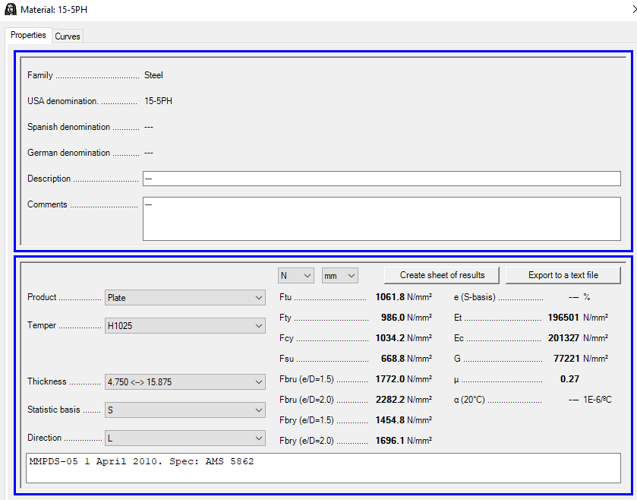
Gap | 4.0 mm
Female Lug distance betw lugs | 46.0 mm | *3DX
Male Lug thickness | 38.0 mm | *3DX
Female Lug thickness | 4.0 mm
Pin area | 49.0 mm²
Pin inertia | 191.2 mm⁴
Arm | 15.5 mm
Ftu (pin) | 1,061.8 MPa
Fty (pin) | 986.0 MPa
Fsu (pin) | 668.8 MPa
Fsy (pin) | 621.1 MPa
Applied Load | 6,235.4 N
Bending Moment | 48,324.2 N·mm
Bending Stress | 998.4 MPa
f0 (from Bruhn) | 1,103.0 MPa
Bending allowable (Cozzone) | 1,833.9 MPa
RF bending | 1.84
Shear Stress | 63.6 MPa
RF shear | 10.51
FF | 1.15
RF Bending-Shear combination | 1.57

