BOLT-PIN-BUSHING
Fitting
Skin
NAS6704
15-5PH BUSHING
NAS1791
Copper BUSHING
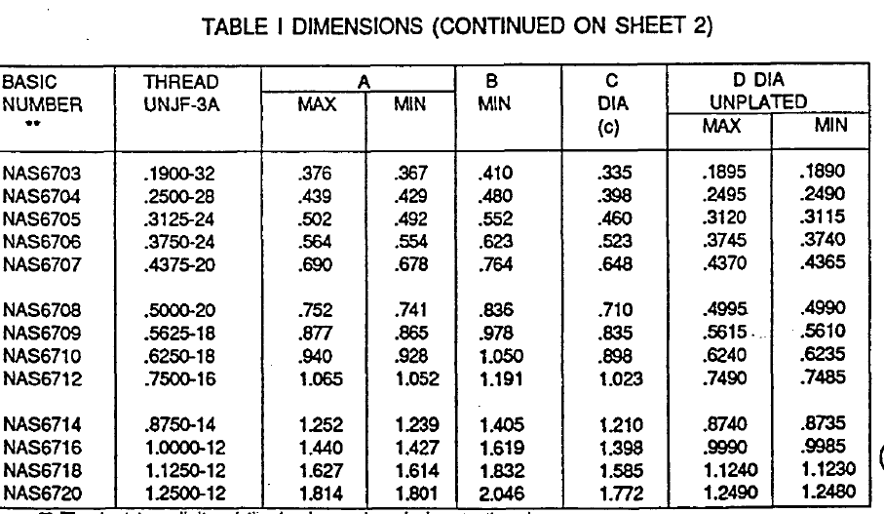
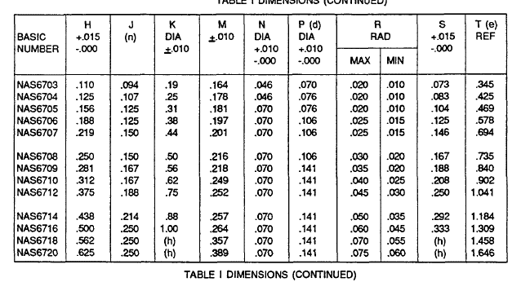
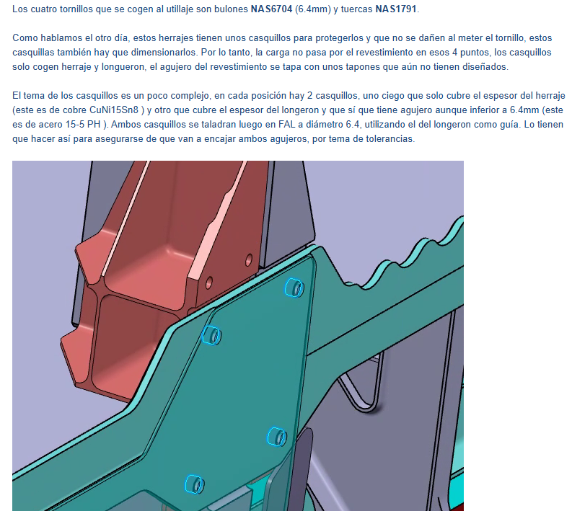
inch to mm | 25.40

 | Jacking
Bolt | NAS6704
Fadmisible | 34,158.0 N
Precarga % | 0.150
Precarga | 5,123.7 N
Diameter | 6.40 mm
Area | 32.2 mm²
σaxial | 159 MPa
Pitch | 0.39 mm
Friction coeff | 0.12
Required External Torque | 4,863 N·mm
Required External Torque | 0.5 Kg·m

BUSHING CuNi15Sn8 |  | BUSHING 15-5PH
CuNi15Sn8_Bar_TX00_D15-D108_A_L |  | 15-5PH_Bar_H1025_0-254_A_L

Axial Strength | Fitting | Axial Strength | Fitting
Dint | 6.00 mm | Dint | 6.00 mm
Th | 1.73 mm | Th | 1.73 mm
Dext | 9.50 mm | Dext | 9.50 mm
Area | 42.6 mm² | Area | 42.6 mm²
Preload | 5,123.7 N | Preload | 5,123.7 N
saxial | 120 MPa | saxial | 120 MPa
Fty | 760 MPa | Fty | 1,000 MPa
FF | 1.15 | FF | 1.15
RF | 5.50 | RF | 7.23

Bearing Strength | Fitting | Bearing Strength | Longeron
Thickness Plain Bush | 1.73 mm | Thickness Plain Bush | 1.73 mm
Dint | 6.00 mm | Dint | 6.00 mm
Thickness Fitting | 2.50 mm | Thickness Longeron | 5.50 mm
Area Bearing | 15.0 mm² | Area Bearing | 33.0 mm²
Fty | 760 MPa | Fty | 1,000 MPa
Bearing Allowable | 21,090.0 N | Bearing Allowable | 61,050.0 N
P(LL) | 3,128.7 N | P(LL) | 3,128.7 N
FF | 1.15 | FF | 1.15
RF | 5.86 | RF | 16.97

