moduli
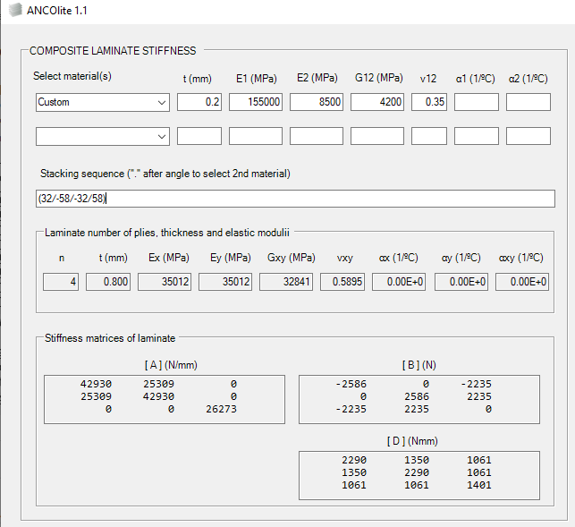
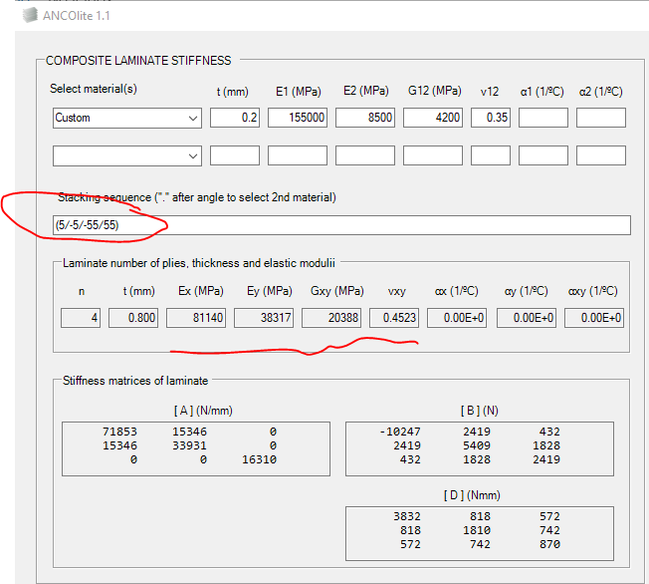
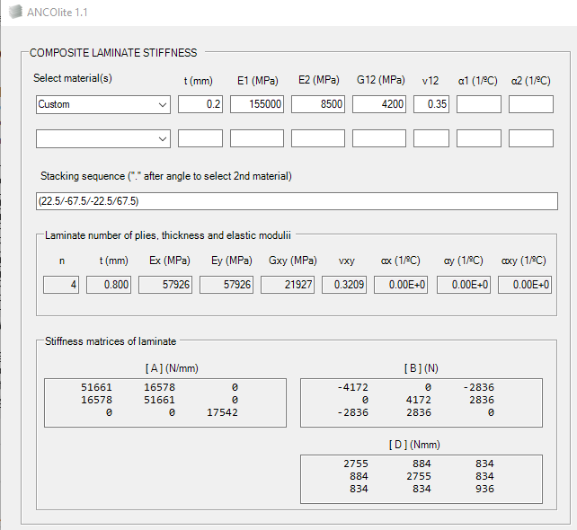
ELASTIC MODULI OF THE LAMINATE FROM LAMINA PROPERTIES AND PLIES WEIGHTS AT 0º, ±45º, 90º DIRECTIONS

Elastic moduli of the lamina

E1 | E2 | G12 | ν12 | ν21 | s=c=sin(45) =cos(45) | s^4=c^4 =s^2·c^2
155000 | 8500 | 4200 | 0.35 | 0.01919 | 0.7071 | 0.25

Stiffness matrix of the lamina at directions 0º, 90º and at 45º (last one at +45/-45 indeed)

 | 156048 | 2995 | 0
Q0 = | 2995 | 8557 | 0
 | 0 | 0 | 4200

 | 8557 | 2995 | 0
Q90 = | 2995 | 156048 | 0
 | 0 | 0 | 4200

 | 46849 | 38449 | 0
Q45 = | 38449 | 46849 | 0
 | 0 | 0 | 39654

Elastic moduli of the laminate defined by plies relative weights at 0º, ±45º, 90º directions

Style | W0º | W45º | W90º | Q11 | Q22 | Q12 | Q66 | Ex | Ey | Gxy | νxy | Kt0
Soft | 10% | 80% | 10% | 53940 | 53940 | 31358 | 32563 | 35709 | 35709 | 32563 | 0.5814 | 2.391
QI | 25% | 50% | 25% | 64576 | 64576 | 20722 | 21927 | 57926 | 57926 | 21927 | 0.3209 | 3.000
Hard | 50% | 40% | 10% | 97619 | 38623 | 17177 | 18382 | 89981 | 35601 | 18382 | 0.4447 | 3.681

Elastic moduli of the laminate built with Tsai's double-double-helix

Style | Stacking sequence |  |  |  |  |  |  | Ex | Ey | Gxy | νxy | Kt0
Soft | (32/-58/-32/58)n |  |  |  |  |  |  | 35012 | 35012 | 32841 | 0.5895 | 2.374 | Se puede afinar un poco mas, pero decimales a los angulos queda raro. Como el (10/80/10) tiene Ex=Ey, era cuestion tambien de iterar con pares α , 90 - α
QI | (22.5/67.5/-22.5/67.5)n |  |  |  |  |  |  | 57926 | 57926 | 21927 | 0.3209 | 3.000 | Era cuestion de dividir el cuadrante de 90º en 4 sectores (22.5º) y poner las telas en 22.5 y 90-22.5
Hard | (5/-5/-55/50)n |  |  |  |  |  |  | 81140 | 38317 | 20388 | 0.4523 | 3.447 | Este hay que buscarlo con algun metodo numerico… o tal vez con los carpet-plots del libro de Tsai

