NUTDB
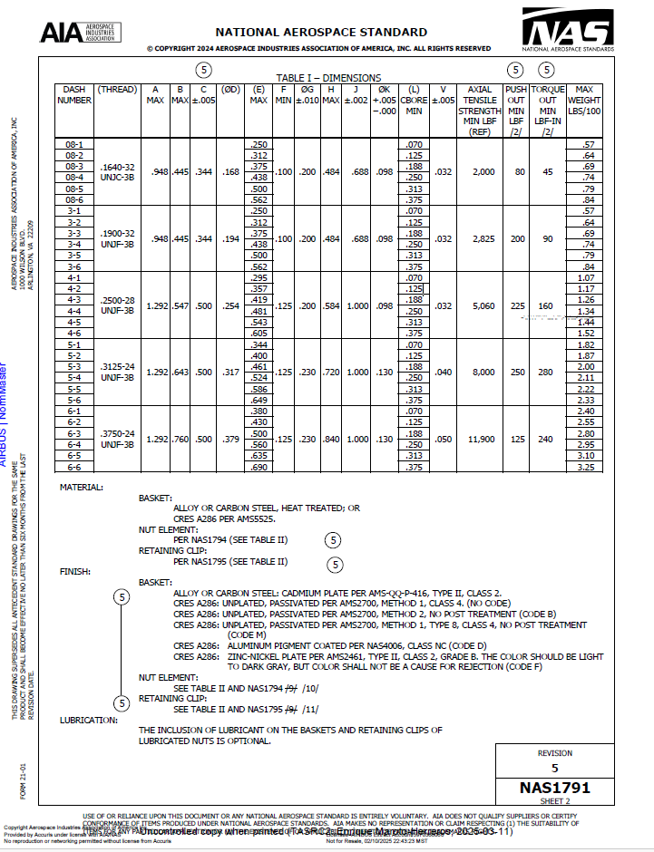
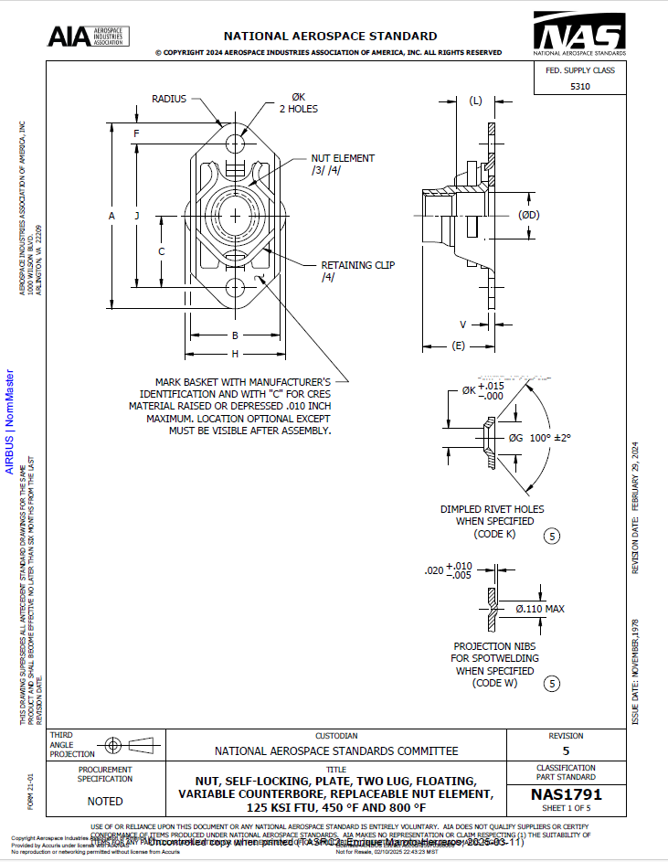
version 1.0.1 |  | 2025-05-06
1 | 2 | 3 | 4 | 5 | 6 | 7 | 8 | 9 | 10 | 11 | Lbf to N | 4.448
Nut_Code | Nut Family | Type | Ref | Head Type | Dash Number | Diameter (mm) | Double Shear Strength [N] | Tensile Strength [N] | Preload [N] | Countersunk head height (H)
NAS1791_03 | NAS1791 | Nut | AIA_2FNAS_NAS1791_2024-02-29 | Float | 3 | 4.8 | --- | 8896 | --- | ---
NAS1791_04 | NAS1791 | Nut | AIA_2FNAS_NAS1791_2024-02-30 | Float | 4 | 6.35 | --- | 12565 | --- | ---
NAS1791_05 | NAS1791 | Nut | AIA_2FNAS_NAS1791_2024-02-31 | Float | 5 | 8 | --- | 22506 | --- | ---
NAS1791_06 | NAS1791 | Nut | AIA_2FNAS_NAS1791_2024-02-32 | Float | 6 | 9.5 | --- | 35584 | --- | ---
----------

