Graphs
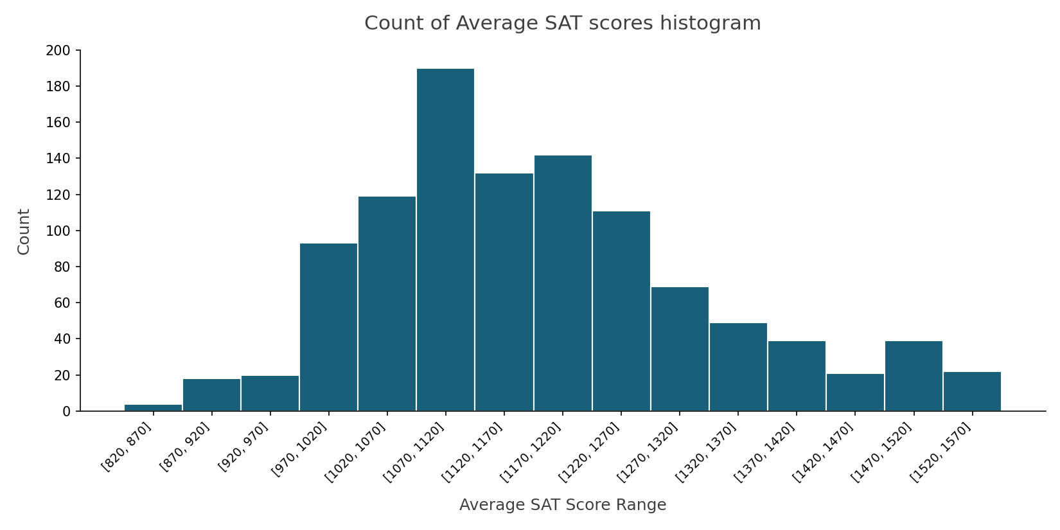
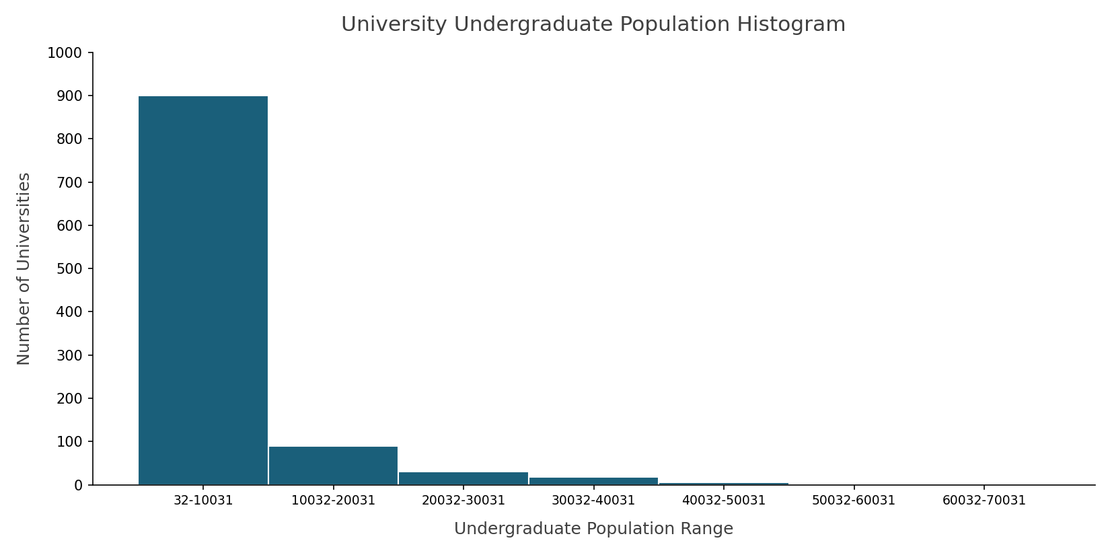

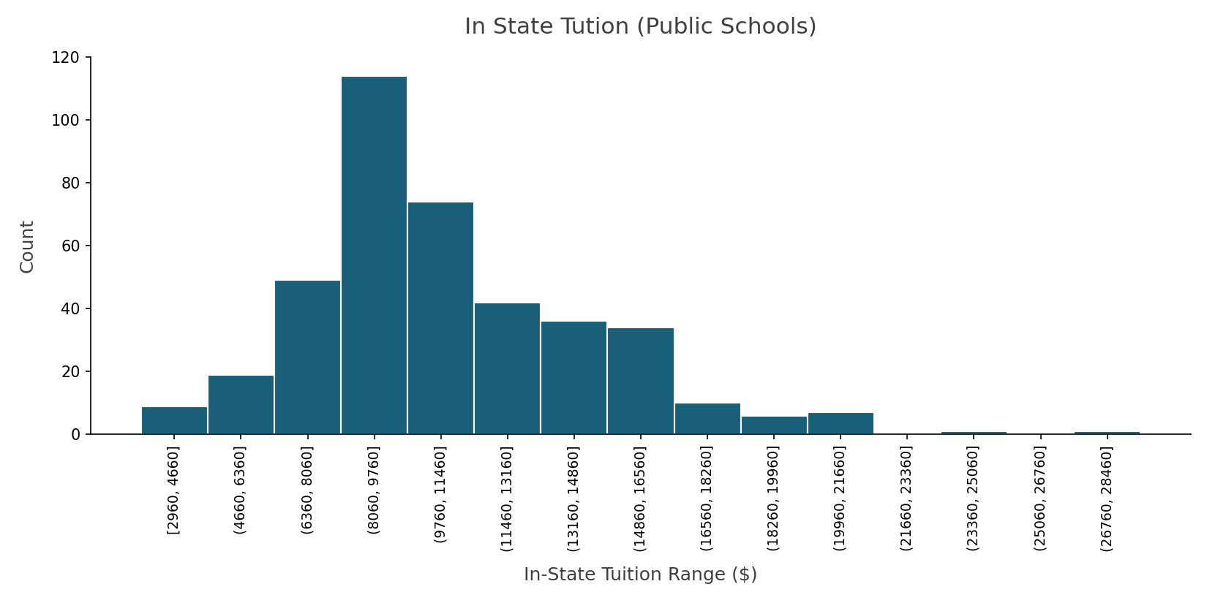
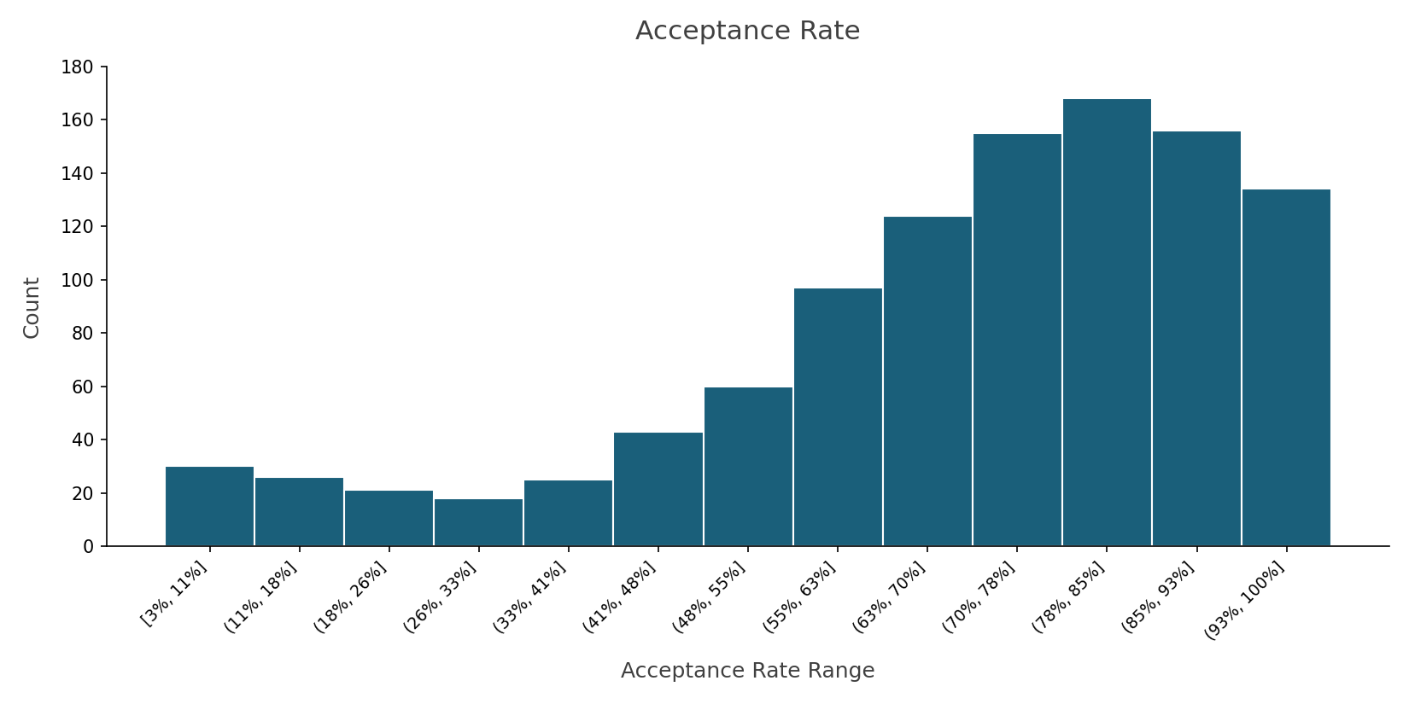

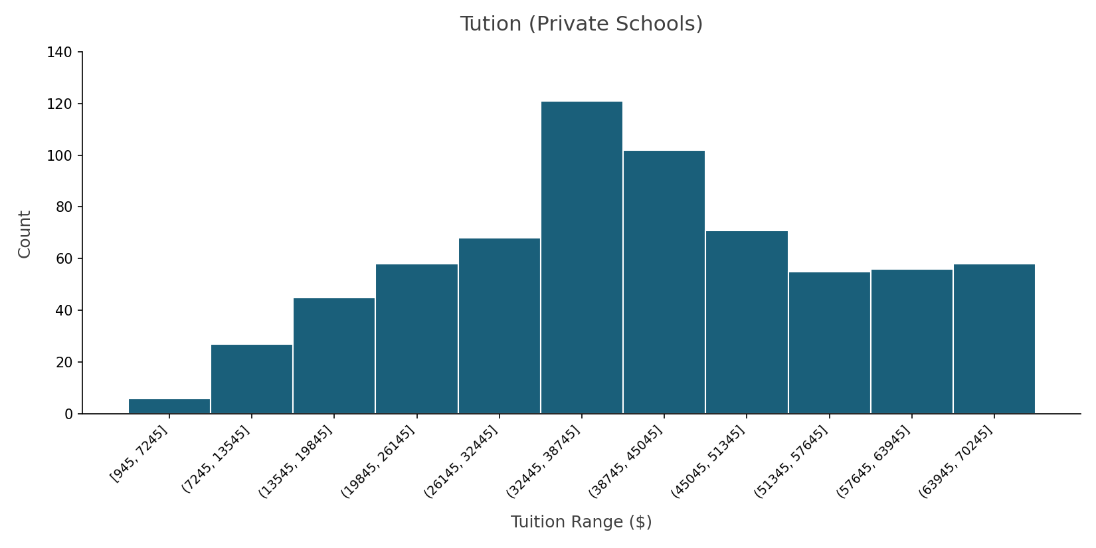
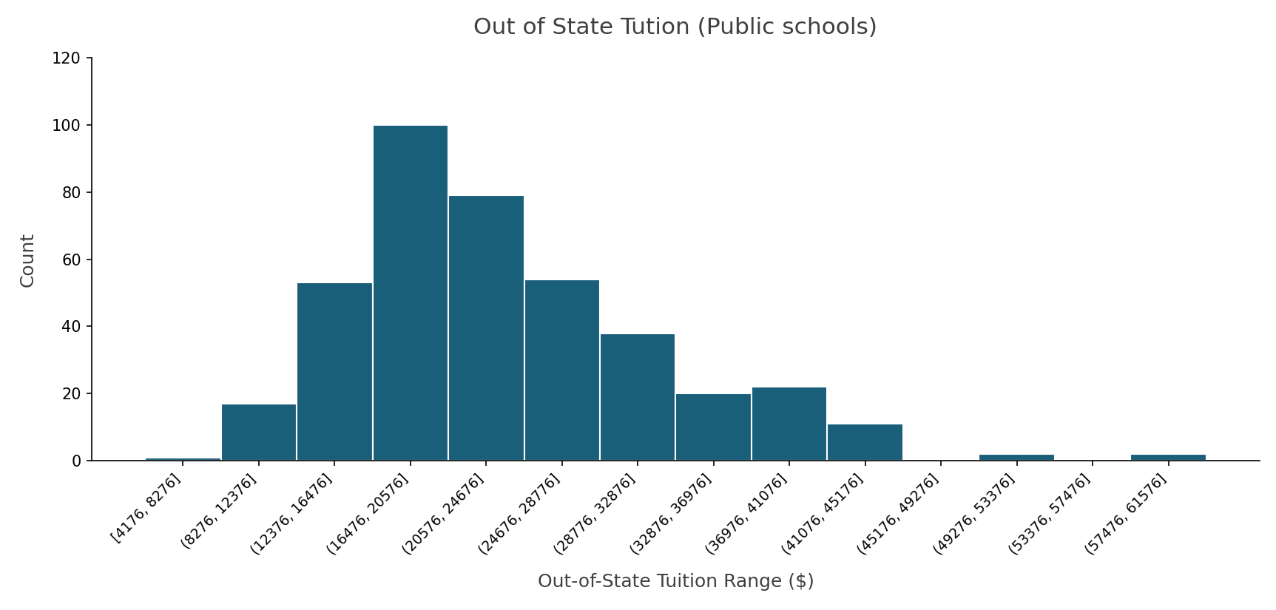

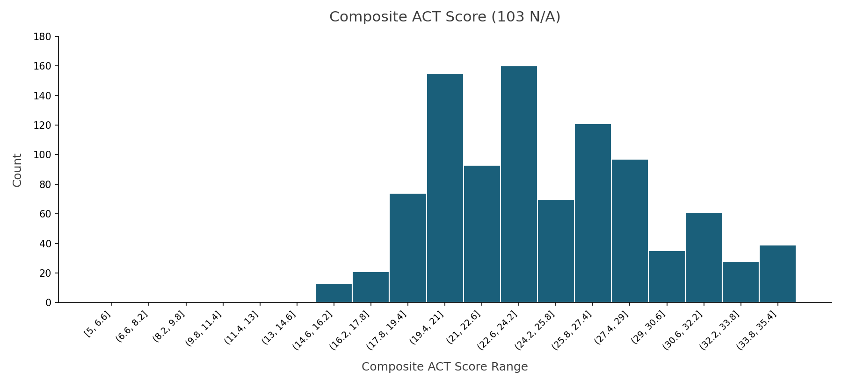
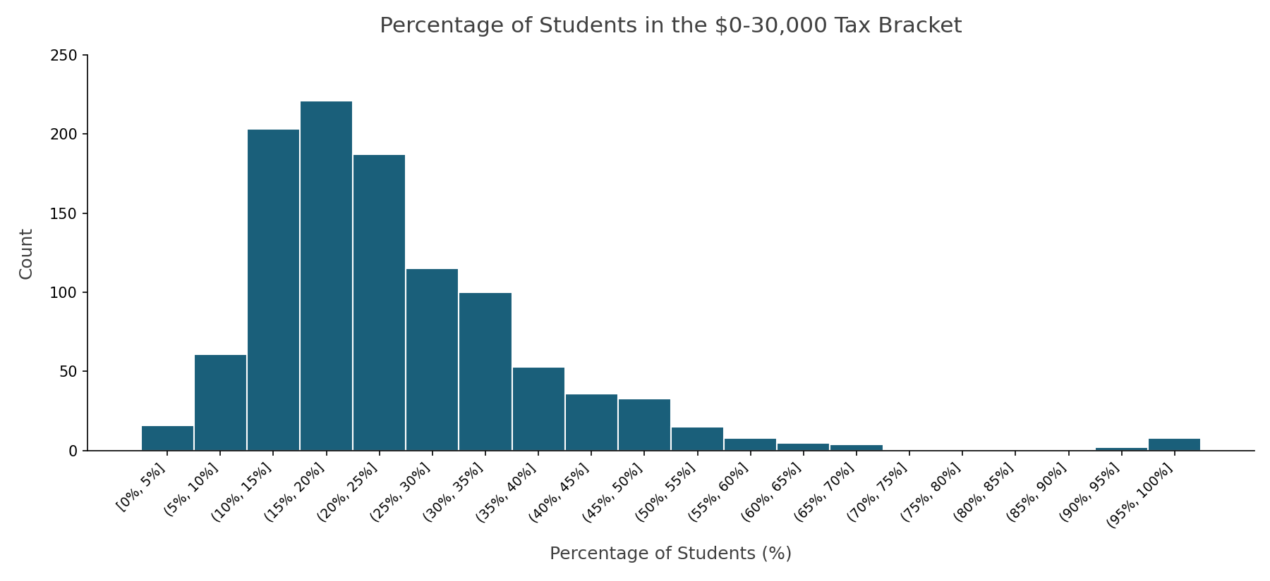

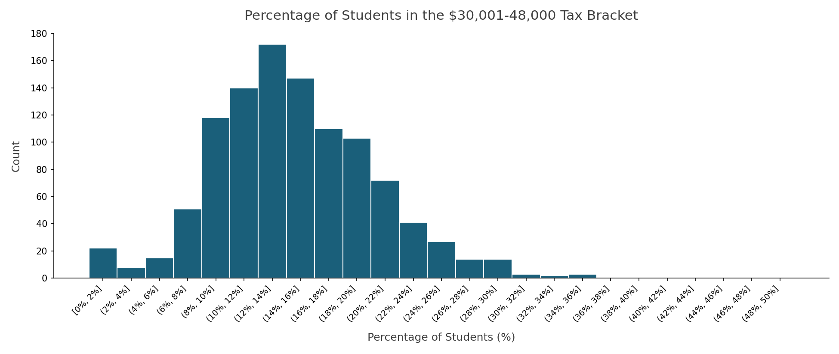
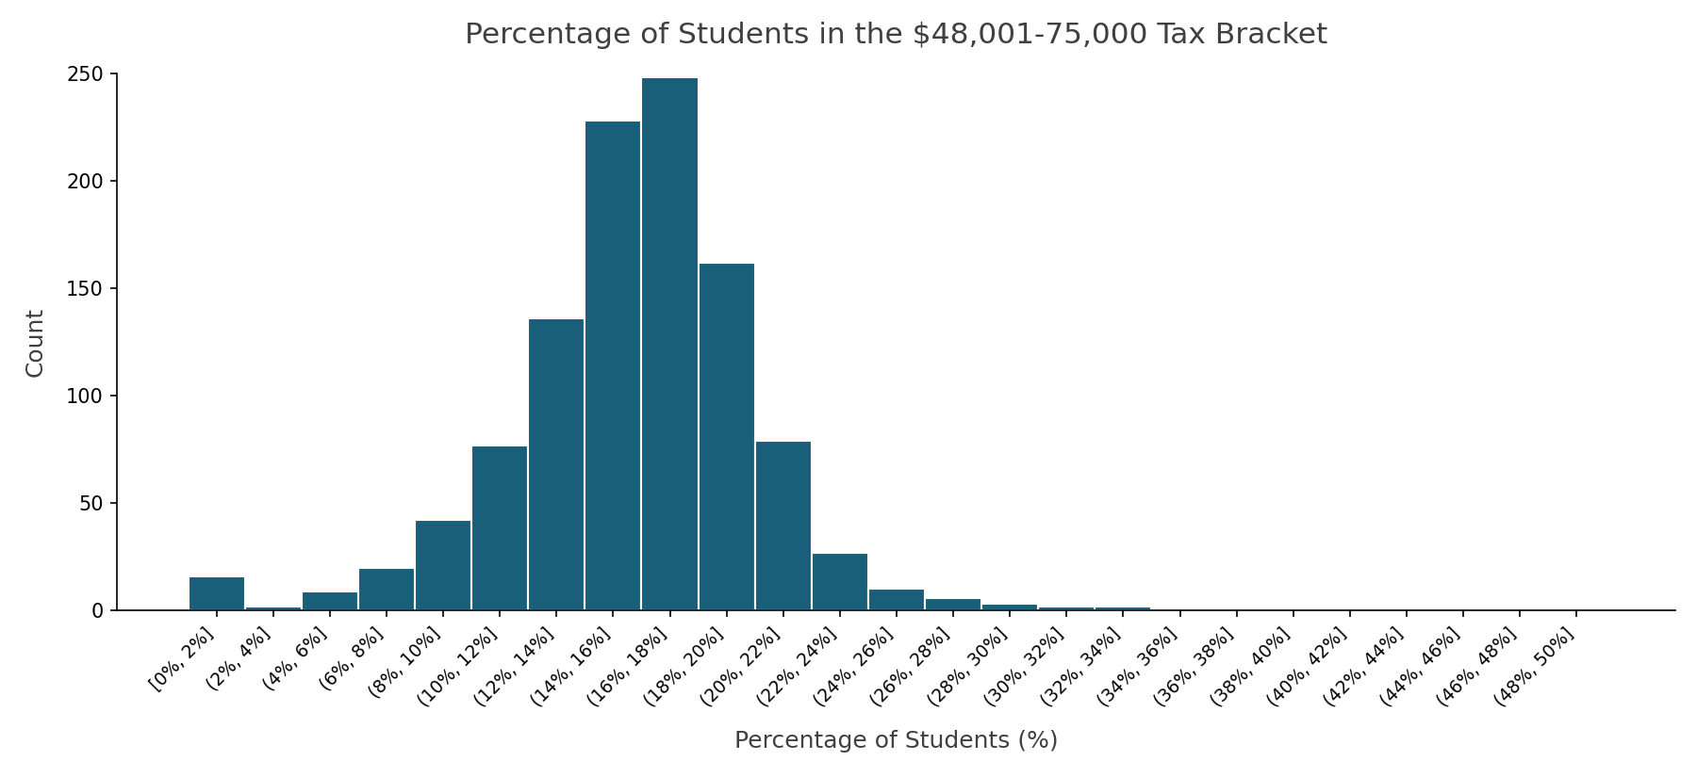

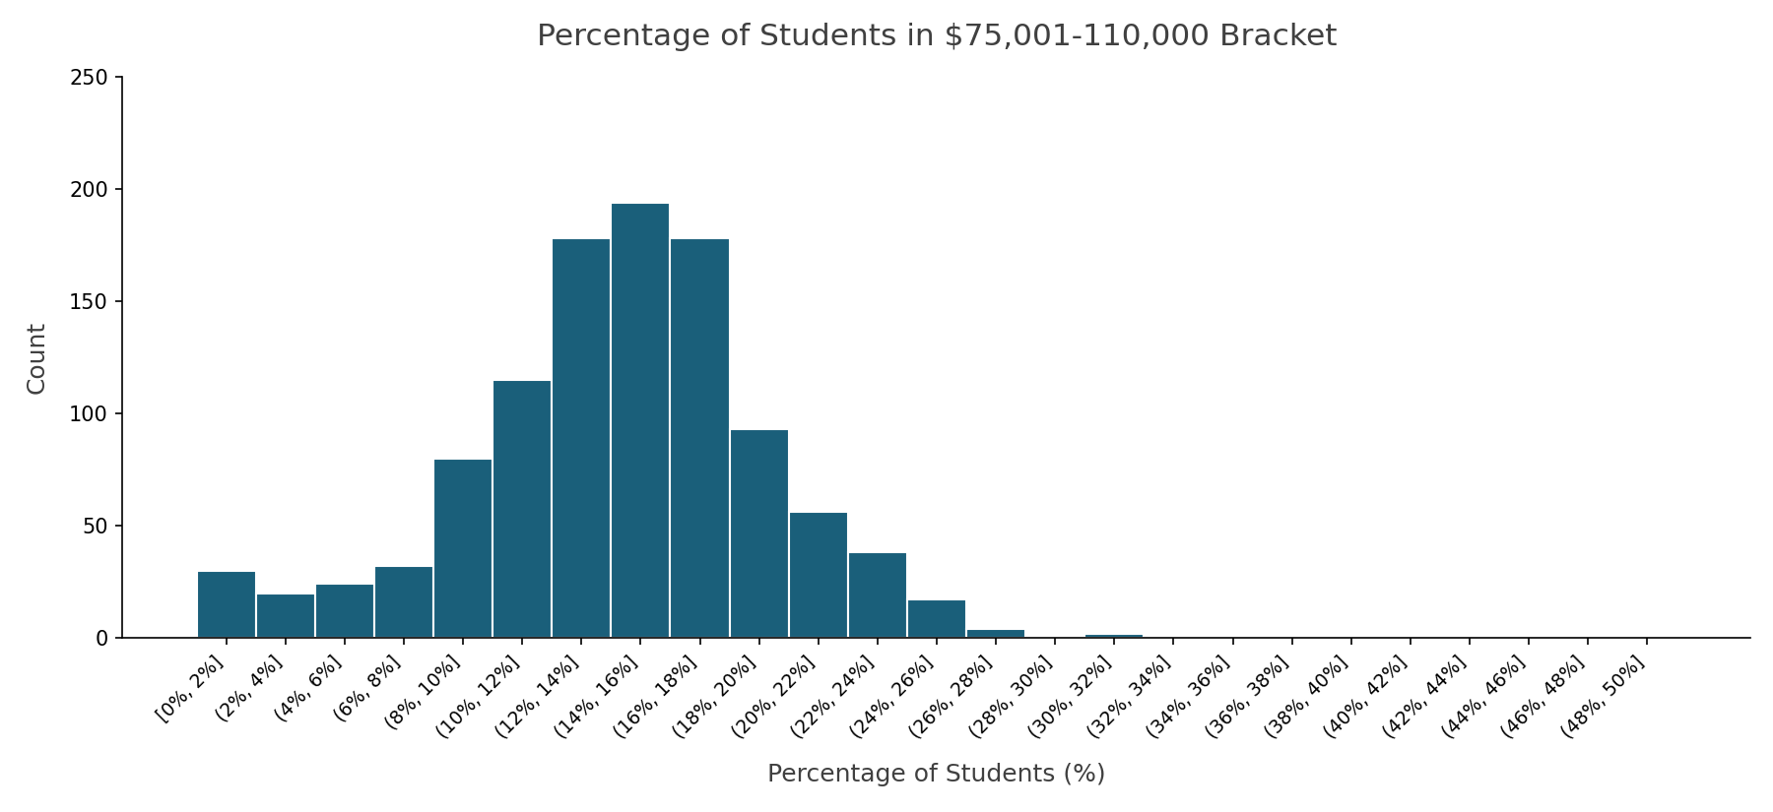
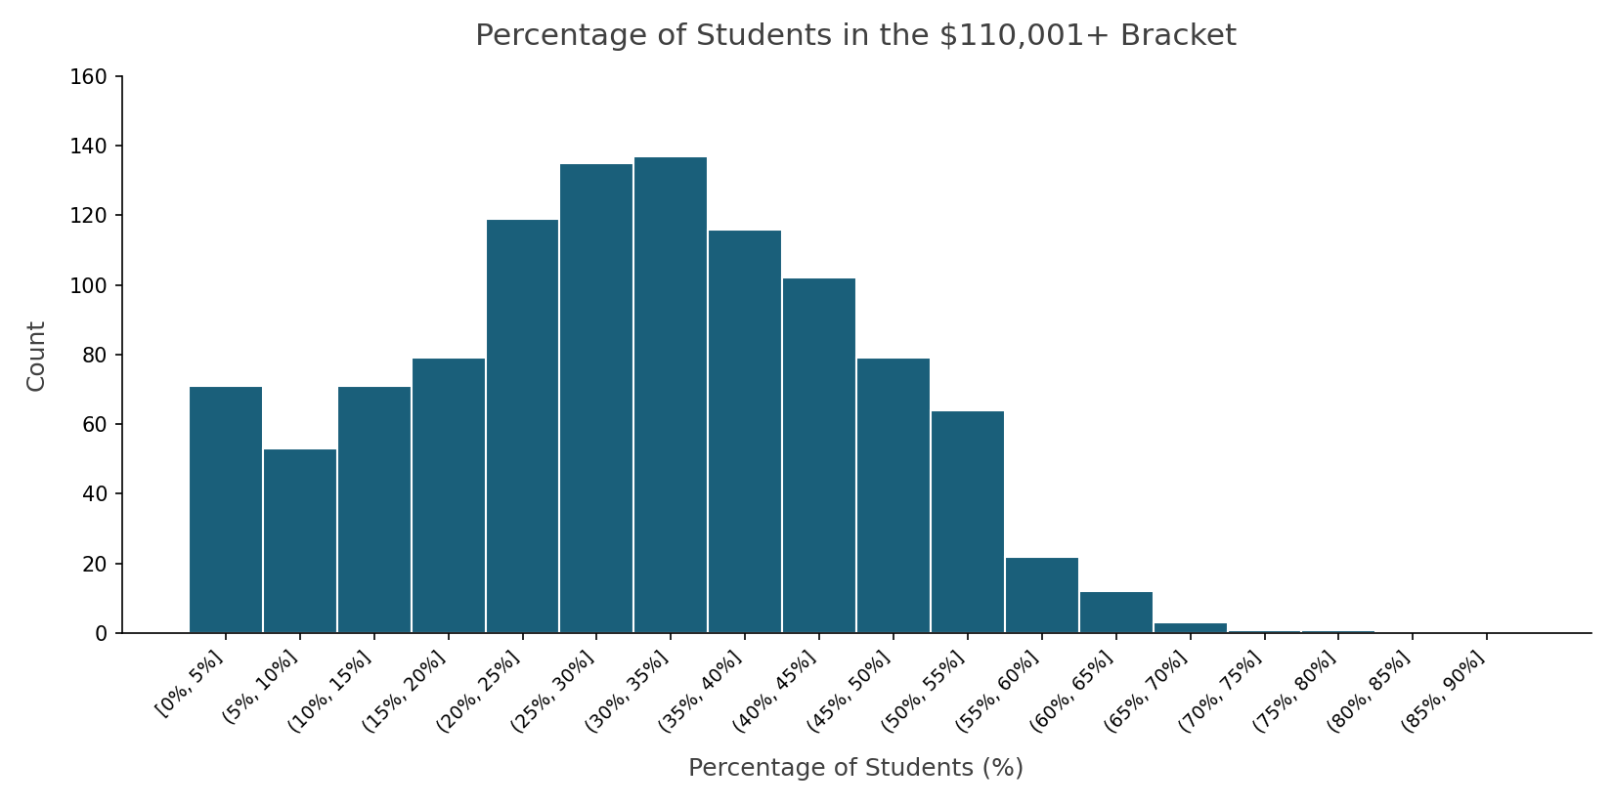

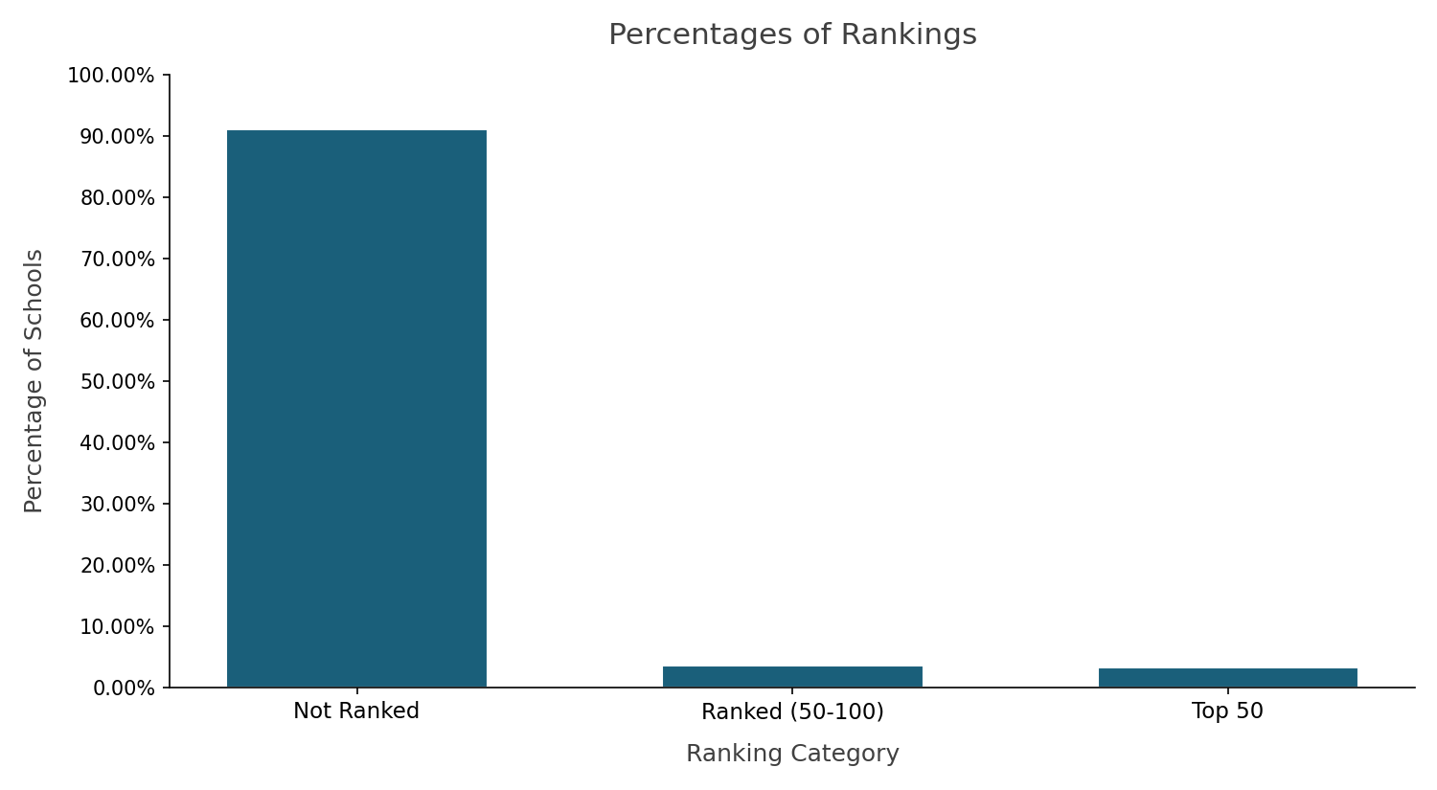
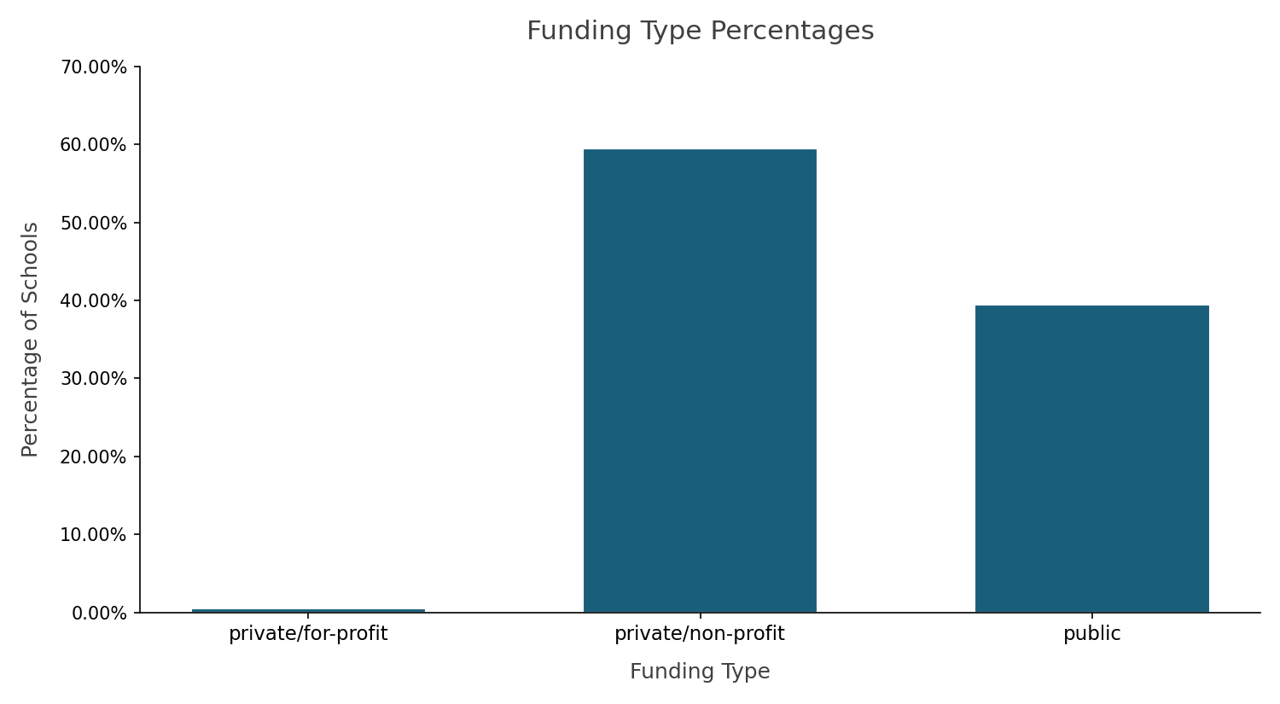

Commentary
Cleaning the data mainly required creating a new category for ranking and removing unnecessary columns. Sorting was needed for some value computing as certain schools did not have info for certain variables. Overall, the distributions make sense and don’t seem to be different than expected. For example, acceptance rate is heavily skewed by lower acceptance rate universities, which there are significantly fewer in comparison to high acceptance rate universities. Tuition for private schools is generally higher than for public (whether in state or out of state).
The only graph to have noticeable outliers is the graph for the $0-$30,000 income tax bracket range. This may be due to colleges that cater towards lower income individuals. Another graph that stood out was the graph for the percentage of students with income bracket $110,000+. This graph stood out because it is the only income bracket range to not have the majority hover around the 15%-20% of students range. Those with income tax brackets above $110,000 have a majority that lies around the 30% - 40% range. This may show how income creates a barrier to entry for education.

