ICONIC_scores
brand_name | category_name | date | daily_iconic_score
Rhode | Beauty | 2026-03-10 | 74.1
Rhode | Beauty | 2026-03-11 | 74.1
Rhode | Beauty | 2026-03-12 | 75
Rhode | Beauty | 2026-03-13 | 75.5
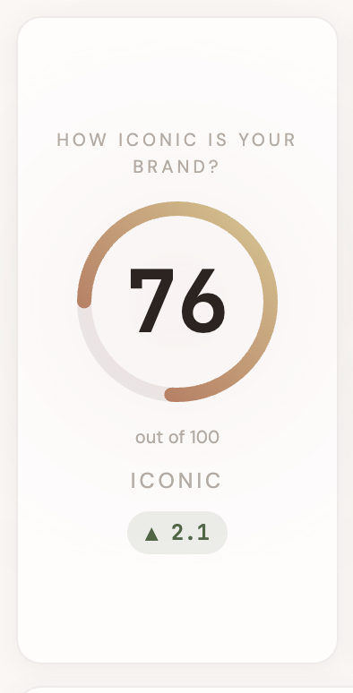
Rhode | Beauty | 2026-03-14 | 76.6
Rhode | Beauty | 2026-03-15 | 77.2
Rhode | Beauty | 2026-03-16 | 78
Summer Fridays | Beauty | 2026-03-10 | 65.6
Summer Fridays | Beauty | 2026-03-11 | 66.5
Summer Fridays | Beauty | 2026-03-12 | 66.7
Summer Fridays | Beauty | 2026-03-13 | 67.5
Summer Fridays | Beauty | 2026-03-14 | 68.4
Summer Fridays | Beauty | 2026-03-15 | 68.5
Summer Fridays | Beauty | 2026-03-16 | 69.3
Glossier | Beauty | 2026-03-10 | 70.1
Glossier | Beauty | 2026-03-11 | 70.6
Glossier | Beauty | 2026-03-12 | 70.9
Glossier | Beauty | 2026-03-13 | 71.9
Glossier | Beauty | 2026-03-14 | 72.7
Glossier | Beauty | 2026-03-15 | 72.5
Glossier | Beauty | 2026-03-16 | 73.9
Clinique | Beauty | 2026-03-10 | 59.2
Clinique | Beauty | 2026-03-11 | 59.4
Clinique | Beauty | 2026-03-12 | 59.9
Clinique | Beauty | 2026-03-13 | 61.3
Clinique | Beauty | 2026-03-14 | 61.2
Clinique | Beauty | 2026-03-15 | 61.6
Clinique | Beauty | 2026-03-16 | 62.2
Laneige | Beauty | 2026-03-10 | 63.3
Laneige | Beauty | 2026-03-11 | 63.7
Laneige | Beauty | 2026-03-12 | 64.5
Laneige | Beauty | 2026-03-13 | 65
Laneige | Beauty | 2026-03-14 | 65.4
Laneige | Beauty | 2026-03-15 | 66.5
Laneige | Beauty | 2026-03-16 | 66.5

ICONIC_alerts
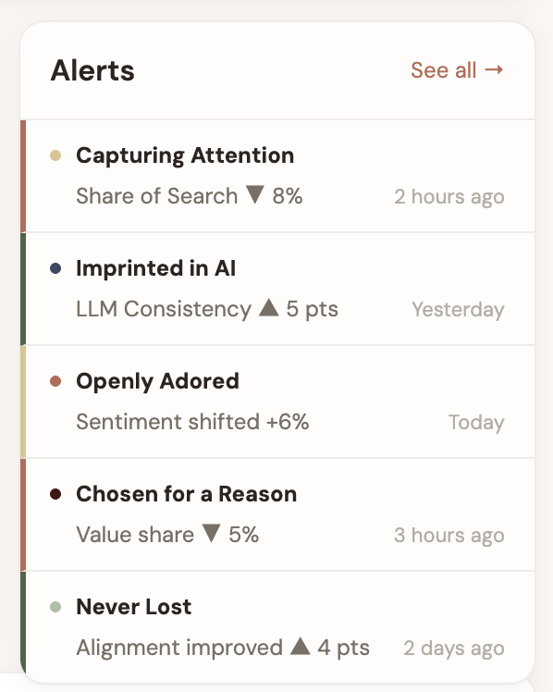
brand_name | page_key | alert_severity | alert_title | alert_body | alert_created_at
Rhode | C1 | negative | Capturing Attention | Share of Search down 8% vs last week | 2026-03-16T10:00:00Z
Rhode | I1 | positive | Imprinted in AI | LLM Consistency up 5 pts — new all-time high | 2026-03-15T14:22:00Z
Rhode | O | neutral | Openly Adored | Sentiment shifted +6% — driven by pop-up event | 2026-03-16T08:15:00Z
Rhode | C2 | negative | Chosen for a Reason | Value share down 5% — dupe conversation spike | 2026-03-16T09:30:00Z
Rhode | N | positive | Never Lost in Translation | Sender-Receiver alignment improved 4 pts | 2026-03-14T16:45:00Z
Rhode | I2 | positive | Ingrained in Culture | Clean Beauty attribute hit 88 — highest in set | 2026-03-13T11:00:00Z
Rhode | C1 | positive | Capturing Attention | TikTok engagement rate hit 12.1% | 2026-03-12T09:00:00Z
Glossier | C1 | negative | Capturing Attention | Search momentum declining 3rd week | 2026-03-15T13:00:00Z
Summer Fridays | I2 | positive | Ingrained in Culture | Self-Care Ritual score 86 — category leader | 2026-03-14T10:30:00Z

ICONIC_news_feed
brand_name | category_name | news_source_tag | news_headline | news_source_name | news_created_at
Rhode | Beauty | Press | Rhode Skin named in TIME's Most Influential Brands of 2026 | TIME | 2026-03-16T10:00:00Z
Rhode | Beauty | Industry | Clean beauty market projected to reach $22B by 2027 | Business of Fashion | 2026-03-16T07:00:00Z
Rhode | Beauty | Social | Hailey Bieber shares new Rhode peptide lip tint — 2.1M likes in 6 hours | Instagram | 2026-03-16T04:00:00Z
Rhode | Beauty | Press | Rhode expands into Southeast Asian markets with Sephora partnership | WWD | 2026-03-15T12:00:00Z
Rhode | Beauty | Competitor | Glossier launches 'Future Dew' reformulation targeting Gen Z | Allure | 2026-03-15T09:00:00Z
Rhode | Beauty | Industry | TikTok Shop beauty sales surge 340% year-over-year | Modern Retail | 2026-03-14T14:00:00Z
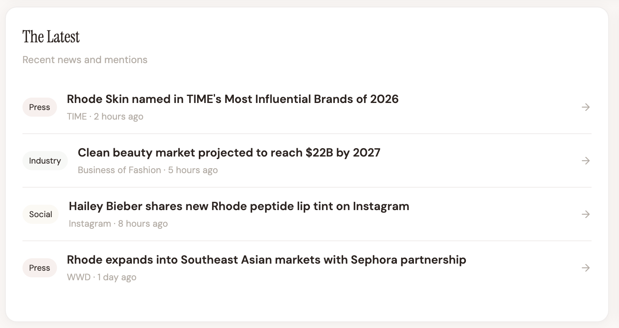
Rhode | Beauty | Social | Rhode glazing milk goes viral again — 45M views on TikTok | TikTok | 2026-03-14T06:00:00Z
Rhode | Beauty | Press | Hailey Bieber: 'We wanted to prove celebrity beauty could be substance-first' | Vogue | 2026-03-13T10:00:00Z
Rhode | Beauty | Competitor | Laneige launches lip sleeping mask collab with K-pop group | Hypebeast | 2026-03-12T08:00:00Z
Rhode | Beauty | Industry | Gen Z beauty spending up 18% — skincare outpacing makeup | McKinsey | 2026-03-11T11:00:00Z

ICONIC_social_feed
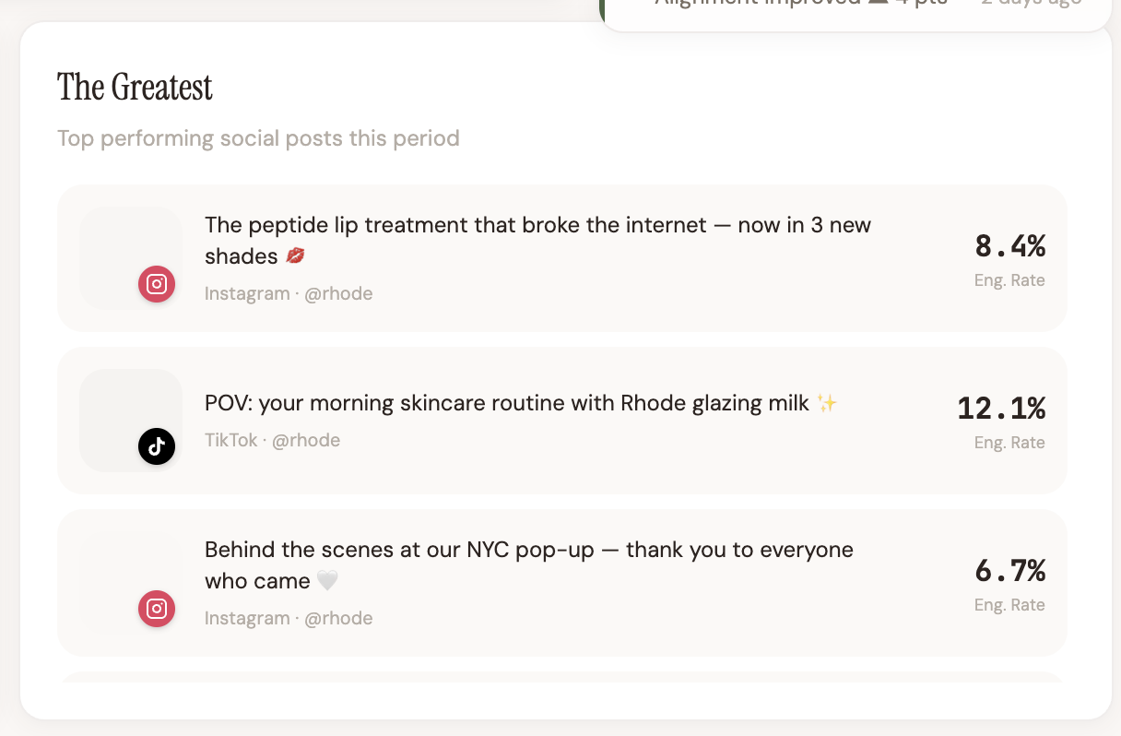
brand_name | social_platform | social_handle | social_caption | social_engagement_rate | social_likes | social_comments | social_followers | social_views | social_shares | social_posted_at | social_post_url | social_image_url | n_alignment_score
Rhode | Instagram | @rhode | The peptide lip treatment — now in 3 new shades | 8.4 | 1240000 | 18400 | 10 | 10 | 42000 | 2026-03-16T12:00:00Z | https://www.tiktok.com/@reginainfluencer2020/video/7611951457859849493 | https://p16-common-sign.tiktokcdn-us.com/tos-alisg-p-0037/oQBCAFF2ANijIXHRMEZVOjiBI2jvaaSlAMBYV~tplv-tiktokx-origin.image?dr=9636&x-expires=1773460800&x-signature=dG1I0YsG5fcq6w2wF%2FtTEXfSIfA%3D&t=4d5b0474&ps=13740610&shp=81f88b70&shcp=43f4a2f9&idc=useast5 | 20.1
Rhode | TikTok | @rhode | POV: morning skincare with Rhode glazing milk | 12.1 | 2800000 | 34200 | 10 | 10 | 156000 | 2026-03-15T14:00:00Z | https://www.tiktok.com/@reginainfluencer2020/video/7611951457859849493 | https://p16-common-sign.tiktokcdn-us.com/tos-alisg-p-0037/oQBCAFF2ANijIXHRMEZVOjiBI2jvaaSlAMBYV~tplv-tiktokx-origin.image?dr=9636&x-expires=1773460800&x-signature=dG1I0YsG5fcq6w2wF%2FtTEXfSIfA%3D&t=4d5b0474&ps=13740610&shp=81f88b70&shcp=43f4a2f9&idc=useast6 | 21.1
Rhode | Instagram | @rhode | Behind the scenes at our NYC pop-up | 6.7 | 890000 | 12100 | 10 | 10 | 28000 | 2026-03-15T10:00:00Z | https://www.tiktok.com/@reginainfluencer2020/video/7611951457859849493 | https://p16-common-sign.tiktokcdn-us.com/tos-alisg-p-0037/oQBCAFF2ANijIXHRMEZVOjiBI2jvaaSlAMBYV~tplv-tiktokx-origin.image?dr=9636&x-expires=1773460800&x-signature=dG1I0YsG5fcq6w2wF%2FtTEXfSIfA%3D&t=4d5b0474&ps=13740610&shp=81f88b70&shcp=43f4a2f9&idc=useast7 | 22.1
Rhode | TikTok | @skincarebyhyram | Ranking every Rhode product from good to OBSESSED | 9.3 | 1650000 | 22800 | 10 | 10 | 89000 | 2026-03-14T16:00:00Z | https://www.tiktok.com/@reginainfluencer2020/video/7611951457859849493 | https://p16-common-sign.tiktokcdn-us.com/tos-alisg-p-0037/oQBCAFF2ANijIXHRMEZVOjiBI2jvaaSlAMBYV~tplv-tiktokx-origin.image?dr=9636&x-expires=1773460800&x-signature=dG1I0YsG5fcq6w2wF%2FtTEXfSIfA%3D&t=4d5b0474&ps=13740610&shp=81f88b70&shcp=43f4a2f9&idc=useast8 | 23.1
Rhode | Instagram | @rhode | Rhode x Krispy Kreme strawberry glaze drop | 11.2 | 2100000 | 28600 | 10 | 10 | 118000 | 2026-03-14T09:00:00Z | https://www.tiktok.com/@reginainfluencer2020/video/7611951457859849493 | https://p16-common-sign.tiktokcdn-us.com/tos-alisg-p-0037/oQBCAFF2ANijIXHRMEZVOjiBI2jvaaSlAMBYV~tplv-tiktokx-origin.image?dr=9636&x-expires=1773460800&x-signature=dG1I0YsG5fcq6w2wF%2FtTEXfSIfA%3D&t=4d5b0474&ps=13740610&shp=81f88b70&shcp=43f4a2f9&idc=useast9 | 24.1
Rhode | TikTok | @rhode | 3 ways to use the barrier butter you haven't tried | 7.8 | 980000 | 15600 | 10 | 10 | 52000 | 2026-03-13T13:00:00Z | https://www.tiktok.com/@reginainfluencer2020/video/7611951457859849493 | https://p16-common-sign.tiktokcdn-us.com/tos-alisg-p-0037/oQBCAFF2ANijIXHRMEZVOjiBI2jvaaSlAMBYV~tplv-tiktokx-origin.image?dr=9636&x-expires=1773460800&x-signature=dG1I0YsG5fcq6w2wF%2FtTEXfSIfA%3D&t=4d5b0474&ps=13740610&shp=81f88b70&shcp=43f4a2f9&idc=useast10 | 25.1
Rhode | YouTube | @rhode | The science behind peptide lip treatments | 4.2 | 320000 | 8900 | 10 | 10 | 12000 | 2026-03-12T11:00:00Z | https://www.tiktok.com/@reginainfluencer2020/video/7611951457859849493 | https://p16-common-sign.tiktokcdn-us.com/tos-alisg-p-0037/oQBCAFF2ANijIXHRMEZVOjiBI2jvaaSlAMBYV~tplv-tiktokx-origin.image?dr=9636&x-expires=1773460800&x-signature=dG1I0YsG5fcq6w2wF%2FtTEXfSIfA%3D&t=4d5b0474&ps=13740610&shp=81f88b70&shcp=43f4a2f9&idc=useast11 | 26.1
Rhode | TikTok | @charlidamelio | My everyday skincare ft. Rhode | 14.6 | 4200000 | 52000 | 10 | 10 | 210000 | 2026-03-11T15:00:00Z | https://www.tiktok.com/@reginainfluencer2020/video/7611951457859849493 | https://p16-common-sign.tiktokcdn-us.com/tos-alisg-p-0037/oQBCAFF2ANijIXHRMEZVOjiBI2jvaaSlAMBYV~tplv-tiktokx-origin.image?dr=9636&x-expires=1773460800&x-signature=dG1I0YsG5fcq6w2wF%2FtTEXfSIfA%3D&t=4d5b0474&ps=13740610&shp=81f88b70&shcp=43f4a2f9&idc=useast12 | 27.1

C1_attention_metrics
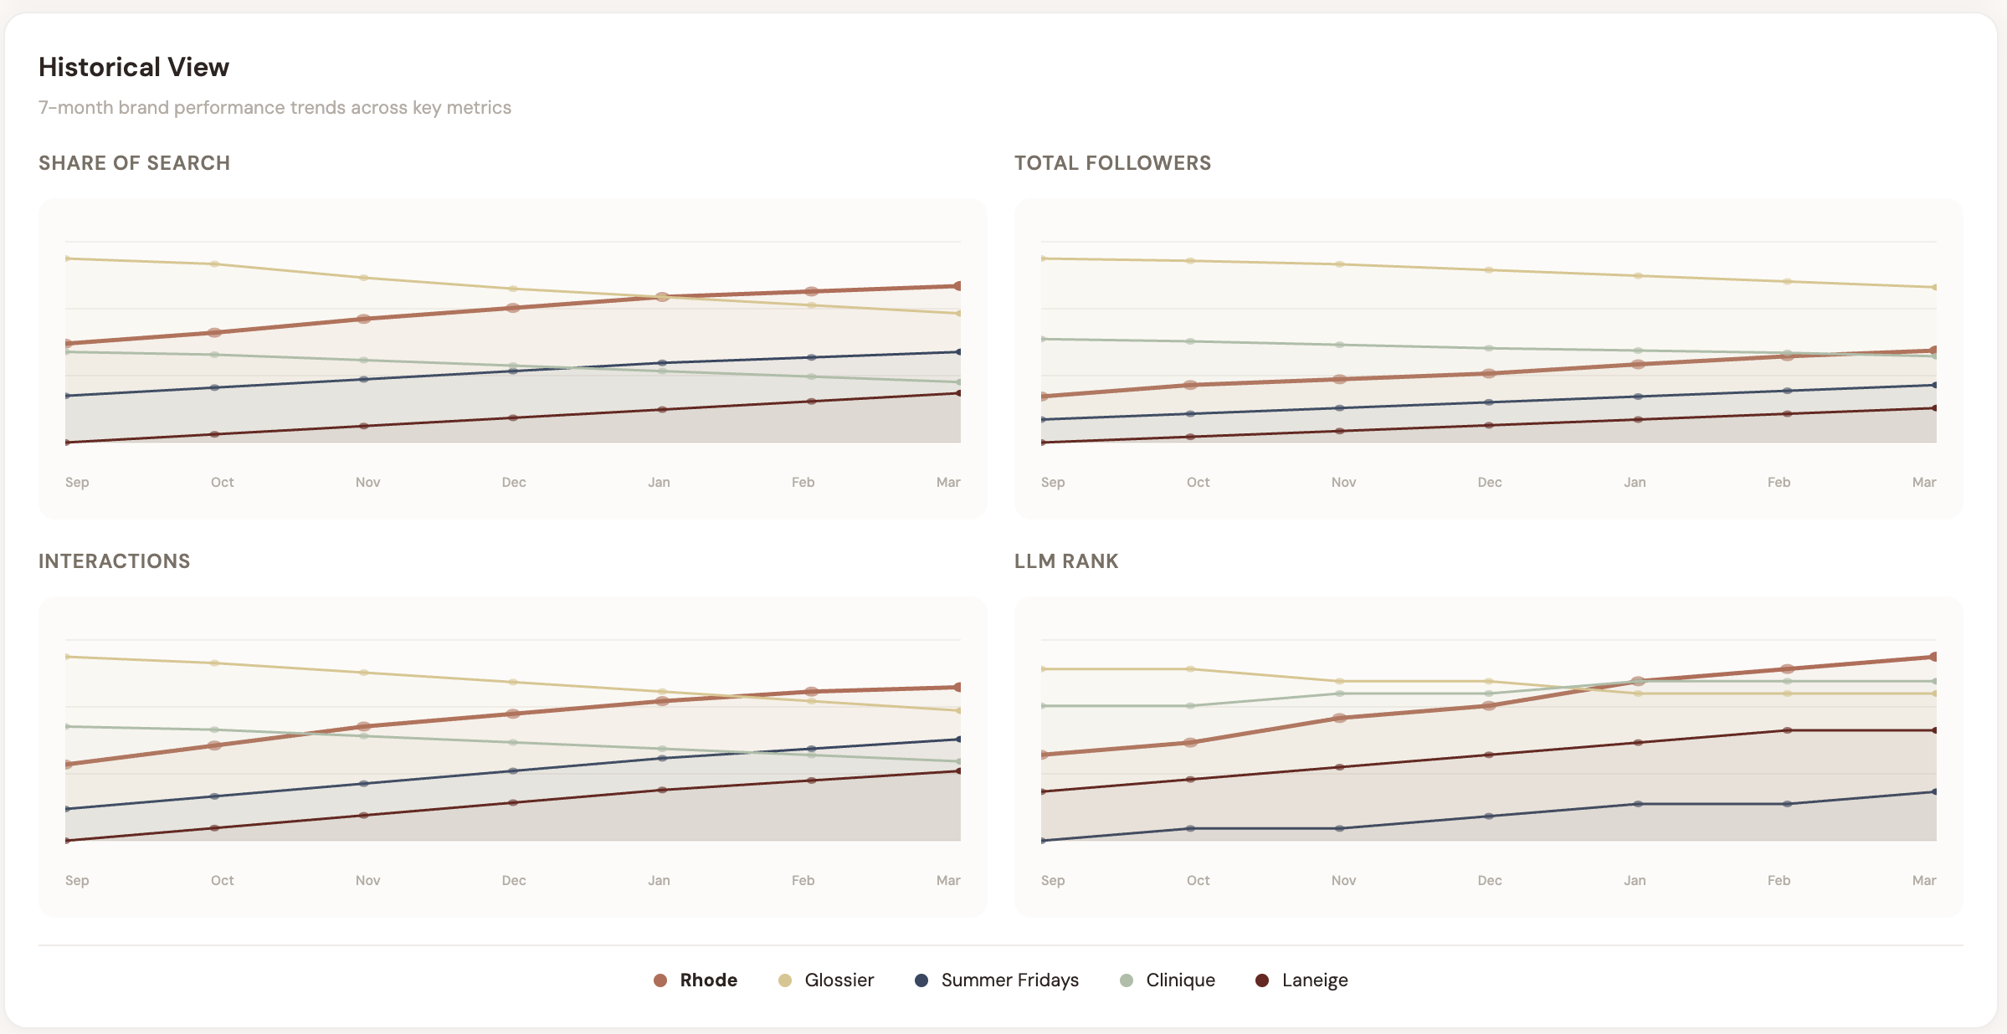
brand_name | category_name | date | c1_scale_share_of_search_pct | c1_scale_total_followers | c1_scale_interactions | c1_scale_llm_rank | c1_velocity_search_momentum_pct | c1_velocity_follower_growth_pct | c1_velocity_interactions_growth | c1_velocity_llm_rank_change | c1_scale_score | c1_velocity_score
Rhode | Beauty | 2026-03-10 | 18.1 | 2395782 | 840953 | 2 | 11.9 | 8.4 | 0 | 0 | 78.4 | 87.1
Rhode | Beauty | 2026-03-11 | 18.1 | 2415443 | 851710 | 2 | 12 | 8.3 | 1% | 0 | 78 | 87.2
Rhode | Beauty | 2026-03-12 | 18.6 | 2420402 | 859288 | 2 | 12.8 | 8.3 | 1% | 0 | 79.1 | 87.6
Rhode | Beauty | 2026-03-13 | 18.6 | 2438702 | 863356 | 2 | 12.7 | 8.8 | 0% | 0 | 79.2 | 87.6
Rhode | Beauty | 2026-03-14 | 18.9 | 2444698 | 875766 | 2 | 13 | 8.6 | 1% | 0 | 79.5 | 87.7
Rhode | Beauty | 2026-03-15 | 19.1 | 2462612 | 884696 | 2 | 13 | 8.7 | 1% | 0 | 79.9 | 87.8
Rhode | Beauty | 2026-03-16 | 18.9 | 2470268 | 887343 | 2 | 13.1 | 8.8 | 0% | 0 | 79.8 | 88
Summer Fridays | Beauty | 2026-03-10 | 12.5 | 1799687 | 609924 | 5 | 16.1 | 6.5 | -31% | 3 | 35.3 | 74.9
Summer Fridays | Beauty | 2026-03-11 | 12.5 | 1814204 | 618167 | 5 | 15.9 | 6.7 | 1% | 0 | 35.6 | 75
Summer Fridays | Beauty | 2026-03-12 | 12.4 | 1825955 | 623646 | 5 | 16.1 | 7.1 | 1% | 0 | 35.2 | 75.3
Summer Fridays | Beauty | 2026-03-13 | 12.7 | 1838305 | 635936 | 5 | 16.6 | 6.9 | 2% | 0 | 36.1 | 76.2
Summer Fridays | Beauty | 2026-03-14 | 13.1 | 1850126 | 641249 | 5 | 16.7 | 7.2 | 1% | 0 | 36.1 | 76
Summer Fridays | Beauty | 2026-03-15 | 13.3 | 1857621 | 647255 | 5 | 16.5 | 7.2 | 1% | 0 | 36.1 | 76.5
Summer Fridays | Beauty | 2026-03-16 | 13.2 | 1873272 | 659646 | 5 | 16.6 | 7.2 | 2% | 0 | 36.7 | 76.1
Glossier | Beauty | 2026-03-10 | 21.9 | 3101012 | 920260 | 3 | 5.1 | 3 | 40% | -2 | 69.7 | 52
Glossier | Beauty | 2026-03-11 | 22.5 | 3108929 | 927144 | 3 | 5.6 | 3.3 | 1% | 0 | 70.5 | 52.7
Glossier | Beauty | 2026-03-12 | 22.2 | 3121223 | 933606 | 3 | 5.6 | 3.5 | 1% | 0 | 70.8 | 52.8
Glossier | Beauty | 2026-03-13 | 22.4 | 3136692 | 946812 | 3 | 5.5 | 3.4 | 1% | 0 | 71.1 | 53.2
Glossier | Beauty | 2026-03-14 | 22.8 | 3148922 | 953167 | 3 | 5.8 | 3.7 | 1% | 0 | 71.2 | 52.9
Glossier | Beauty | 2026-03-15 | 22.9 | 3162657 | 961519 | 3 | 5.9 | 3.8 | 1% | 0 | 71.7 | 53.2
Glossier | Beauty | 2026-03-16 | 22.9 | 3173708 | 969709 | 3 | 6.1 | 3.9 | 1% | 0 | 72 | 53.3
Clinique | Beauty | 2026-03-10 | 21 | 4204032 | 542241 | 1 | 2.2 | 1.3 | -44% | -2 | 72.4 | 28.3
Clinique | Beauty | 2026-03-11 | 21 | 4211982 | 546348 | 1 | 2 | 1.5 | 1% | 0 | 72.3 | 28
Clinique | Beauty | 2026-03-12 | 20.8 | 4222216 | 558202 | 1 | 2.9 | 1.3 | 2% | 0 | 72.2 | 28.6
Clinique | Beauty | 2026-03-13 | 21.3 | 4240513 | 562263 | 1 | 2.4 | 1.5 | 1% | 0 | 73.3 | 28.3
Clinique | Beauty | 2026-03-14 | 21.6 | 4244330 | 569372 | 1 | 3.3 | 1.7 | 1% | 0 | 73.3 | 29.1
Clinique | Beauty | 2026-03-15 | 21.3 | 4263938 | 579372 | 1 | 3.2 | 1.6 | 2% | 0 | 73.4 | 29.2
Clinique | Beauty | 2026-03-16 | 21.8 | 4269589 | 588601 | 1 | 3.2 | 1.8 | 2% | 0 | 74.2 | 29.3
Laneige | Beauty | 2026-03-10 | 14.9 | 2100658 | 780266 | 4 | 11.1 | 7.1 | 33% | 3 | 52 | 71.8
Laneige | Beauty | 2026-03-11 | 14.6 | 2108586 | 785414 | 4 | 11.4 | 7.3 | 1% | 0 | 52.7 | 71.9
Laneige | Beauty | 2026-03-12 | 14.8 | 2128464 | 798907 | 4 | 11.7 | 7.5 | 2% | 0 | 52.6 | 72.3
Laneige | Beauty | 2026-03-13 | 14.8 | 2137442 | 805140 | 4 | 12 | 7.4 | 1% | 0 | 52.7 | 72.8
Laneige | Beauty | 2026-03-14 | 15.4 | 2150710 | 811340 | 4 | 12.2 | 7.7 | 1% | 0 | 53.4 | 73.3
Laneige | Beauty | 2026-03-15 | 15.3 | 2161563 | 817419 | 4 | 12.5 | 7.6 | 1% | 0 | 53.5 | 73.5
Laneige | Beauty | 2026-03-16 | 15.4 | 2168946 | 826054 | 4 | 13 | 7.8 | 1% | 0 | 54.2 | 73.8

O_sentiment
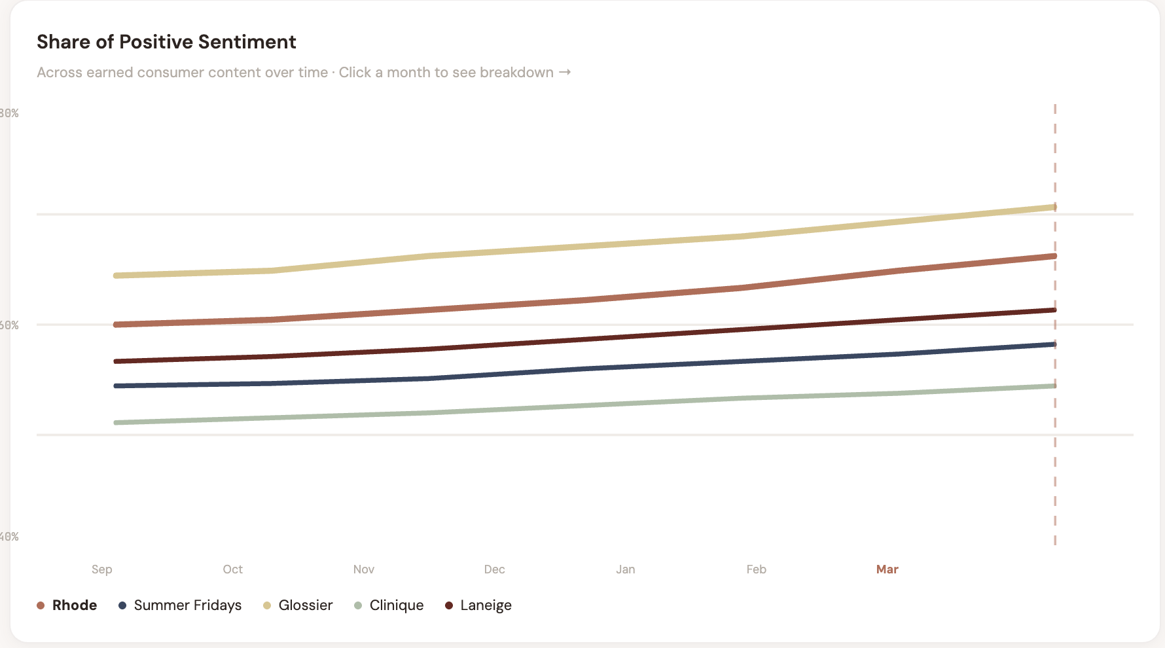
brand_name | category_name | date | o_positive_pct | o_neutral_pct | o_negative_pct | o_llm_rec_share | o_passion_score
Rhode | Beauty | 2026-03-10 | 67.7 | 22.3 | 10 | 24 | 10
Rhode | Beauty | 2026-03-11 | 67.8 | 22.4 | 9.8 | 24.1 | 10
Rhode | Beauty | 2026-03-12 | 68.6 | 21.4 | 10 | 24.5 | 10
Rhode | Beauty | 2026-03-13 | 68.9 | 21.2 | 9.9 | 24.7 | 10
Rhode | Beauty | 2026-03-14 | 68.9 | 20.8 | 10.3 | 24.9 | 10
Rhode | Beauty | 2026-03-15 | 69.3 | 20.8 | 9.9 | 25.2 | 10
Rhode | Beauty | 2026-03-16 | 69.8 | 20.1 | 10.1 | 25.1 | 10
Summer Fridays | Beauty | 2026-03-10 | 62.3 | 25.8 | 11.9 | 18.1 | 10
Summer Fridays | Beauty | 2026-03-11 | 62.8 | 25.1 | 12.1 | 18.4 | 10
Summer Fridays | Beauty | 2026-03-12 | 62.8 | 25.1 | 12.1 | 18.1 | 10
Summer Fridays | Beauty | 2026-03-13 | 62.9 | 24.8 | 12.3 | 18.8 | 10
Summer Fridays | Beauty | 2026-03-14 | 63.5 | 24.5 | 12 | 18.9 | 10
Summer Fridays | Beauty | 2026-03-15 | 63.6 | 24.6 | 11.8 | 19.1 | 10
Summer Fridays | Beauty | 2026-03-16 | 63.9 | 23.9 | 12.2 | 19 | 10
Glossier | Beauty | 2026-03-10 | 64.2 | 24.1 | 11.7 | 21.3 | 10
Glossier | Beauty | 2026-03-11 | 63.9 | 24.4 | 11.7 | 21.1 | 10
Glossier | Beauty | 2026-03-12 | 64.3 | 23.6 | 12.1 | 21.3 | 10
Glossier | Beauty | 2026-03-13 | 65.2 | 22.5 | 12.3 | 21.8 | 10
Glossier | Beauty | 2026-03-14 | 65.4 | 22.9 | 11.7 | 21.6 | 10
Glossier | Beauty | 2026-03-15 | 65.2 | 22.9 | 11.9 | 22.1 | 10
Glossier | Beauty | 2026-03-16 | 65.8 | 22.3 | 11.9 | 22 | 10
Clinique | Beauty | 2026-03-10 | 58.4 | 29.7 | 11.9 | 27.9 | 10
Clinique | Beauty | 2026-03-11 | 58.6 | 29.3 | 12.1 | 28.3 | 10
Clinique | Beauty | 2026-03-12 | 58.8 | 29.1 | 12.1 | 28.2 | 10
Clinique | Beauty | 2026-03-13 | 58.6 | 29.4 | 12 | 28.4 | 10
Clinique | Beauty | 2026-03-14 | 59.7 | 28.4 | 11.9 | 28.7 | 10
Clinique | Beauty | 2026-03-15 | 59.2 | 28.7 | 12.1 | 28.9 | 10
Clinique | Beauty | 2026-03-16 | 59.6 | 28.1 | 12.3 | 29.4 | 10
Laneige | Beauty | 2026-03-10 | 59.8 | 28.4 | 11.8 | 16.1 | 10
Laneige | Beauty | 2026-03-11 | 60.2 | 27.5 | 12.3 | 16.4 | 10
Laneige | Beauty | 2026-03-12 | 61.1 | 26.7 | 12.2 | 16.3 | 10
Laneige | Beauty | 2026-03-13 | 60.7 | 27.2 | 12.1 | 16.5 | 10
Laneige | Beauty | 2026-03-14 | 61.1 | 27 | 11.9 | 16.8 | 10
Laneige | Beauty | 2026-03-15 | 61.2 | 26.8 | 12 | 17.3 | 10
Laneige | Beauty | 2026-03-16 | 62 | 26.2 | 11.8 | 17.3 | 10

