Rate Methodology 070118
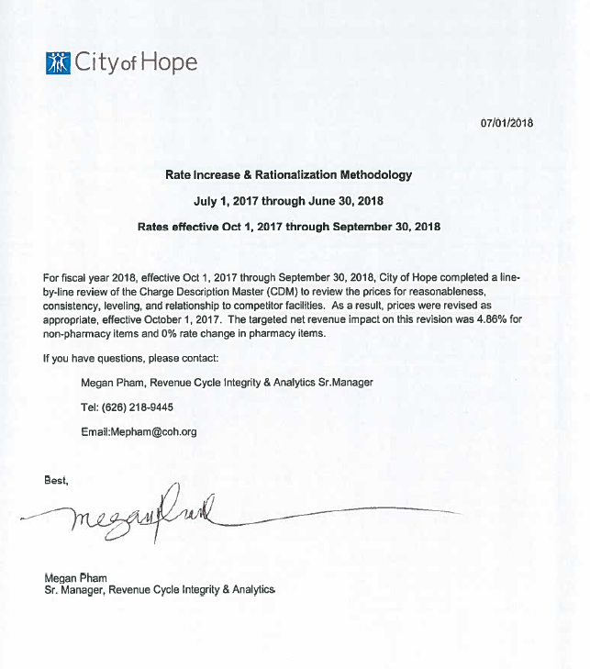
Title | Total
Initial Gross Revenue (pre 10/1/2017) | $3,493,802,006.54
Gross Revenue Increase | $169,889,131.86
Expected Gross Revenue (post 10/1/2017) | $3,663,691,138.40
Gross % Increase | 4.86%

