Ljungqvist2024_TableA1
Please cite orginal source for this: Ljungqvist, F. C., Seim, A., & Collet, D. (2024). Famines in medieval and early modern Europe—Connecting climate and society. Wiley Interdisciplinary Reviews: Climate Change, 15(1), e859.
TABLE A1. Updated list of famine years over the 1250–1800 period modified and expanded from Alfani & Ó Gráda, 2017, 2018.
Italy | Spain | France | C. Europe | Low Countries | Great Britain | Ireland | Nordic | Russia/Ukraine
 | 1255–62 |  |  | 1256–58 | 1258–59
 |  |  |  |  |  | 1263
 |  |  |  |  |  | 1270–71
1275–77
 |  |  | 1281–82 |  |  |  |  | 1279, 1282
1286
 |  |  |  |  | 1295–96 | 1294–96 | 1291
1302–03 | 1301–1302
 | 1311 |  |  |  |  |  |  | 1308–10
 | 1313–17 | 1315–17 | 1315–18 | 1315–17 | 1315–17 | 1315–18 | 1315–17 | 1314–16
1328–30 | 1333–36 |  |  |  |  | 1330–31 |  | 1330–32
1339–40 |  |  |  |  |  | 1338–39
1346–47 | 1346–48 | 1347 |  |  | 1349–51 | 1346
 |  | 1360 |  |  |  |  |  | 1361–62
 |  |  |  |  |  |  |  | 1364–66
 |  |  |  |  |  |  |  | 1371
1374–75 | 1374–75 | 1374–75 |  |  |  |  |  | 1374
 |  |  |  |  |  | 1410 |  | 1409
 |  | 1420–21 |  |  |  |  |  | 1420–23
 |  | 1429–32 |  |  |  |  |  | 1431
 | 1435 | 1437–39 | 1437–40 | 1437–38 | 1437–38 |  | 1434–37 | 1436–38
 |  |  |  |  |  | 1447 | 1446 | 1442–45
1472–74 |  | 1470 |  |  |  |  | 1470 | 1468, 1472
1476 | 1475–77
1482–84 |  | 1481–83 |  | 1481–82 |  |  |  | 1485
1493 |  |  |  | 1491–92 |  | 1492
 |  |  |  |  |  | 1497–98
1502–05 | 1506–08 |  |  |  |  |  | 1503
 |  |  |  |  |  |  |  | 1512
1518–20 |  | 1515 | 1516–18 |  |  |  |  | 1515–16
 | 1521–22 | 1521–22 |  | 1521–22 |  | 1523 | 1520–23
 |  |  |  |  |  |  |  | 1525
1527–29 | 1528–30 | 1527–32 | 1530–31
1533–34
1539–49
1544–45 |  | 1545
1550–52
1558–60 | 1557 |  |  | 1556–57 | 1557–59 | 1556 | 1556–57 | 1557
 |  | 1562 |  |  |  |  |  | 1560–61
 |  |  | 1565–66
1569–72 |  | 1573–74 | 1569–74 | 1572–73 |  |  | 1571–72 | 1568–72
1586–87 |  | 1585–87 |  | 1585–87 | 1585–87 | 1586–89 |  | 1589
1590–93 | 1591–95 | 1593–98 | 1594–98 | 1595–97 | 1597–99 |  | 1590–97 | 1591
1600–01 | 1599–1600 |  | 1602 |  | 1602 | 1600–03 | 1601–03 | 1601–05
1607–08 | 1605–07 |  |  |  |  |  |  | 1608
 | 1615–16
1618–22 |  |  | 1620–23 |  | 1623–25 |  | 1621–24 | 1623
1628–29 | 1630–31 | 1631–32 | 1625–30 | 1625–26 | 1629–31 |  | 1628–30
 |  |  | 1635–36 |  |  |  | 1633–34 | 1636
 |  |  |  |  |  |  | 1641–43
1648–49 | 1647–52 | 1648–52 | 1651–52 | 1648–51 | 1647–49 | 1641–52 | 1650–52 | 1650–52
1659–62 | 1659–62 | 1661–62 | 1661–62 | 1661–62
 |  | 1676 |  | 1674–76 |  |  | 1674–77 | 1674, 1677
1678–79 | 1678–85
1693–95 | 1694–99 | 1693–95 | 1691–95 | 1692–94 | 1697–99 |  | 1695–1700 | 1695–97
 |  |  | 1698–1701 | 1698–99
1708–09 | 1706–11 | 1709–10 | 1709–12 | 1708–10 |  |  | 1708–09
1716 |  |  | 1714–15 |  |  |  | 1716–19
 |  | 1718–19 | 1719–21
1724 |  |  | 1724–25 |  |  |  |  | 1721–24
 | 1730 |  |  |  | 1727–30 | 1725–27 | 1728–30
 |  |  |  |  |  |  |  | 1732–36
1743–45 | 1741–42 | 1740–41 | 1739–41 | 1740–41 | 1741–42 | 1740–41 | 1739–43 | 1740
 | 1748–49 | 1747 | 1748–49 |  |  |  |  | 1747–50
 |  |  | 1755–58 |  |  | 1756–57 | 1756–57
1764–67 | 1762–65 |  |  |  |  |  | 1763–65
 |  |  | 1770–72 |  |  |  | 1771–73
 | 1780–82 |  |  |  |  | 1782–84 | 1785 | 1781
 | 1786–87 | 1788–89 | 1787–90 |  |  |  | 1786–87
 | 1798–99 |  |  | 1794–95
Note: Chiefly the following works have been used to revise and complement the famine year list for the respective region. Italy: Alfani (2013); Alfani et al. (2017); Spain: Moreda (2017); France: Parker (2013) and Curtis and Dijkman (2019); Central Europe: Parker (2013), Lassen (2016), Brázdil et al. (2018) and Pfister and Wanner (2021); Low Countries: Camenisch (2015a) and Curtis and Dijkman (2019); Great Britain: Campbell (2010, 2016) and D'Arrigo et al. (2020); Ireland: Engler and Werner (2015) and Campbell and Ludlow (2020); Nordic Countries: Larsson (2006), Lilja (2008, 2012), Hybel (2002), Dybdahl (2014), Leijonhufvud and Retsö (2021) and Huhtamaa et al. (2022); Russia/Ukraine: Kahan (1968) and Huhtamaa et al. (2015).

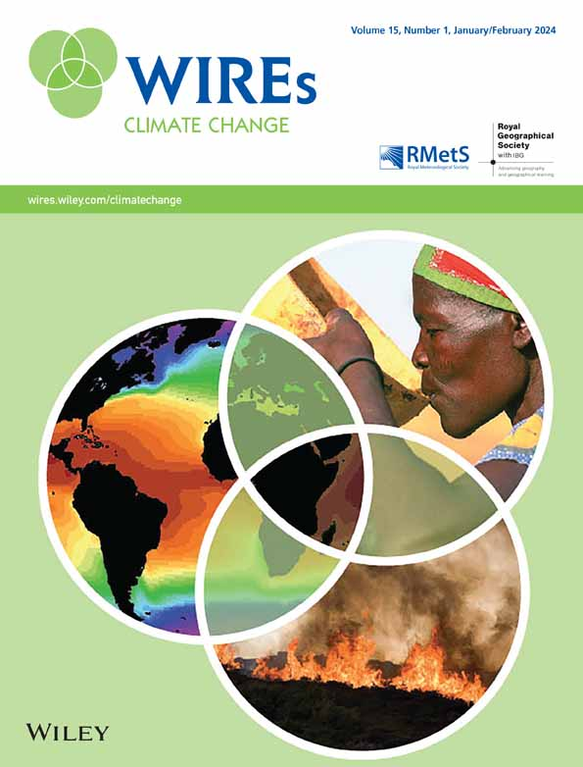

Volume15, Issue1

January/February 2024

e859

Figures
References
Related
Information
Recommended

Climate and society in European history

Fredrik Charpentier Ljungqvist, Andrea Seim, Heli Huhtamaa
WIREs Climate Change

Climate and famines: a historical reassessment

Philip Slavin
WIREs Climate Change

Climate, history, and culture in the United States

Sam White
WIREs Climate Change

The “cultural turn” of climate history: An emerging field for studies of China and East Asia

Fiona Williamson
WIREs Climate Change

Three decades of EU climate policy: Racing toward climate neutrality?

Claire Dupont, Brendan Moore, Elin Lerum Boasson, Viviane Gravey, Andrew Jordan, Paula Kivimaa, Kati Kulovesi, Caroline Kuzemko, Sebastian Oberthür, Dmytro Panchuk, Jeffrey Rosamond, Diarmuid Torney, Jale Tosun, Ingmar von Homeyer
WIREs Climate Change
Download PDF
Back

© 2024 by John Wiley & Sons, Inc., or related companies. All rights reserved
Additional links

ABOUT WILEY ONLINE LIBRARY

Privacy Policy
Terms of Use
About Cookies
Manage Cookies
Accessibility
Wiley Research DE&I Statement and Publishing Policies
HELP & SUPPORT

Contact Us
Training and Support
DMCA & Reporting Piracy
OPPORTUNITIES

Subscription Agents
Advertisers & Corporate Partners
CONNECT WITH WILEY

The Wiley Network
Wiley Press Room

Copyright © 1999-2024 John Wiley & Sons, Inc or related companies. All rights reserved, including rights for text and data mining and training of artificial technologies or similar technologies.

