Current Defaults
...
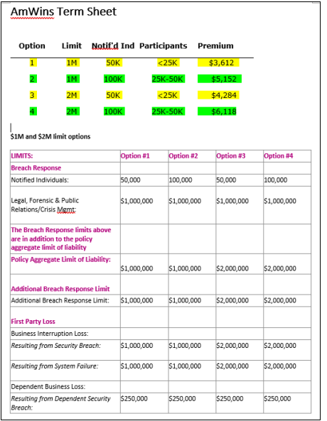
111 | 112 | 113
Option 10 | Option 11 | Option 12
100,000
1,000,000
2,000,000
2,000,000
100,000
100,000
100,000
100,000
100,000
100,000
2,000,000
2,000,000
2,000,000
2,000,000
100,000
100,000
250,000
50,000
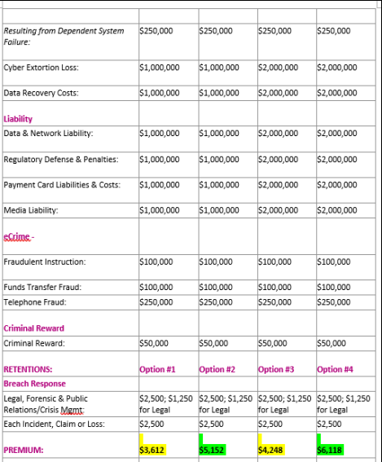
2,500
1,250
2,500
-
-
-
25,000
25,000
25,000
25,000
-
-
-
-
-
-
-
100

