Sheet1
07/21/22 Agile Journey User Story Exercise

I | Independent | PBI Should be self contained
N | Negotiable | PBI are not explicit contracts and should leave space for discussion
V | Valuable | PBI must deliver value to the stakeholders
E | Estimable | You must be able to estimate the size of a PBI
S | Small | PBI should not be so big as to become impossible to plan/task/prioritize within a level of accuracy
T | Testable | PBI or it's related description must provide the necessary information to make test development possible

S | Spike | A research activity can give you the knowledge you need to split a complex story
P | Paths | If a user can do something in multiple ways, that's a great area for splitting
I | Interfaces | Splitting your story by browser, or hardware, or deliver a complex interaface in interations
D | Data | You may be able to deliver value in an interation by focusing on one type of data
R | Rules | Relaxing support for the rules in an iteration can make large stories smaller

 | User story | Expand the current honoring quote functionality for BBR

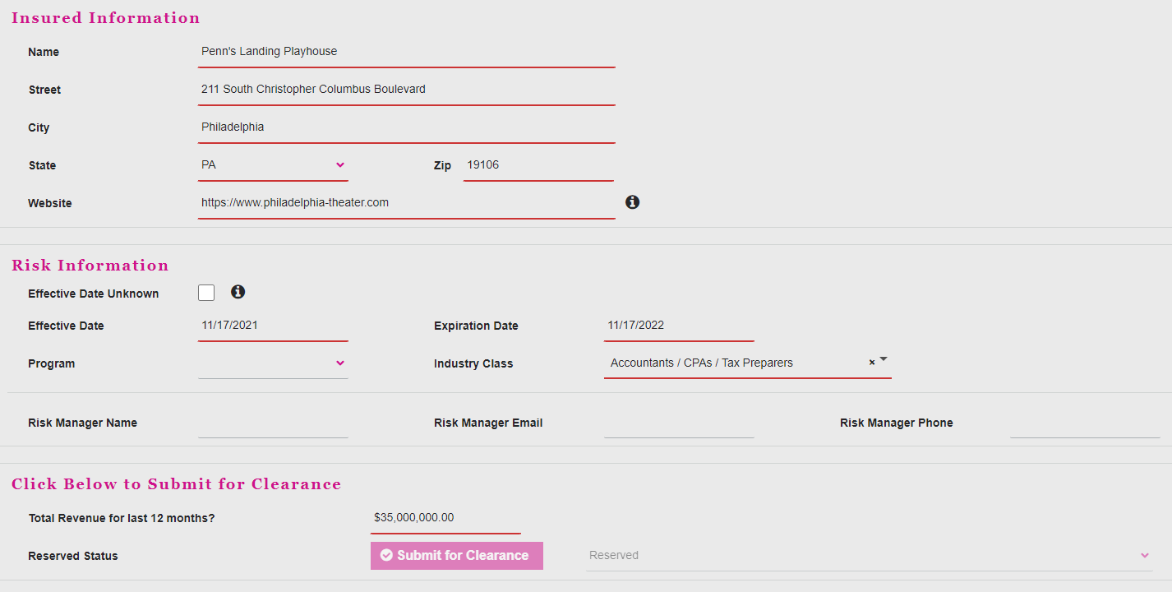
 | Story Description
 | As a Focus Group Leader, I want to honor quotes created within 30 days, so I can maintain broker confidence and reduce manual undwriting interactions.
 | Definitions:
 | 1. Go live date / day of go live - the day we release the change into the system
 | 2. Recall - To bring up a quote that was previously saved
 | 3. Premium Bearing Action - When the user amends the recalled quote and adjusts one or more of the following fields:
 |  | State
 |  | Industry Class
 |  | Revenue
 |  | Program
 |  | Information Security & Privacy Controls Question 2
 |  | Ransomware Controls Question 6A
 |  | Ransomware Controls Question 7
 |  | Ransomware Controls Question 12A
 |  | Ransomware Controls Question 12B
 |  | Ransomware Controls Question 12C
 |  | Ransomware Controls Question 13
 |  | Ransomware Controls Question 13B
 |  | Ransomware Controls Question 14
 |  | Ransomware Controls Question 14A
 | 4. Non-Premium Bearing Action - When the user amends the recalled quote and adjustes one or more of the following fields:
 |  |  | Name
 |  |  | Street
 |  |  | City
 |  |  | Website
 |  |  | Effective Date Unknown
 |  |  | Risk Manager Name
 |  |  | Risk Manager Email
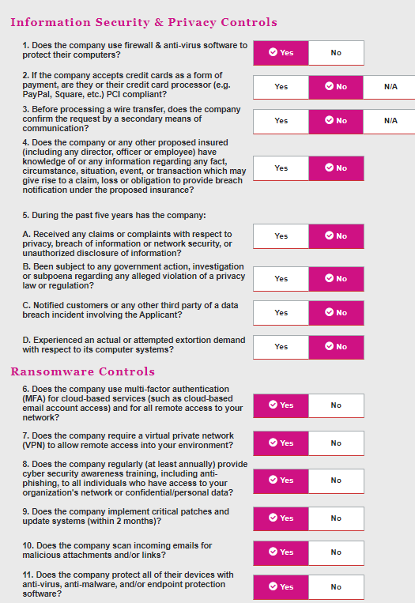
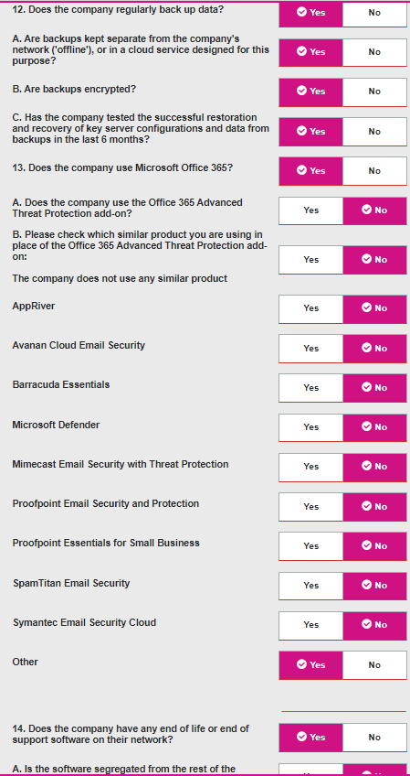
 |  |  | Risk Manager Phone
 |  |  | Other Class of Business Questions
 | 5. Rate Guarantee - Focusing on quote creation date? Actionable edits?
 | Valid Quote -
 | Business Objective(s)
 | Redesign the honoring system, utilizing more base functionality over custom code.
 | Business Rules
 | 1. Both raters(current functionality) and logic dependent fields are to honor the date submitted unless the user amends the quote.
 | 2. Quotes are valid for 30 days
 | Business Requirements
 | In Scope:
 | 1. As of day of go live, the system shall allow both raters selected and premium bearing fields to be effective date driven.
 | 2. The system shall allow users to bind quotes using the honored rater or input if the quote was created before the go live date and is 30 days or less old.
 | 3. The system shall force a re-rate/re-quote on risks that were quoted using the admitted rater if the quote is more than 30 days old and switch to the non-admitted rater (current functionality)
 | 4. The system shall allow underwriters to switch to use the desired rater or input based on effective date via the Underwriting Portal.
 | Out of Scope:
 | BMT, GL Quotes
 | TBD n/a since it's being turned off?

 | Technical roadmap

 | Take functionality around different effective date versions of the same workbooks, similar to other products
 | Create a confluence page to track version control for BBR workbook

 | when is it done?
 | when the user can create a quote and retain an old value/logic statement based on effective date/last rated date

 | This still uses last rated?
 | Swapping out to a different workbook based on specific dates probably does require custom logic to submit the system date

