Sheet1
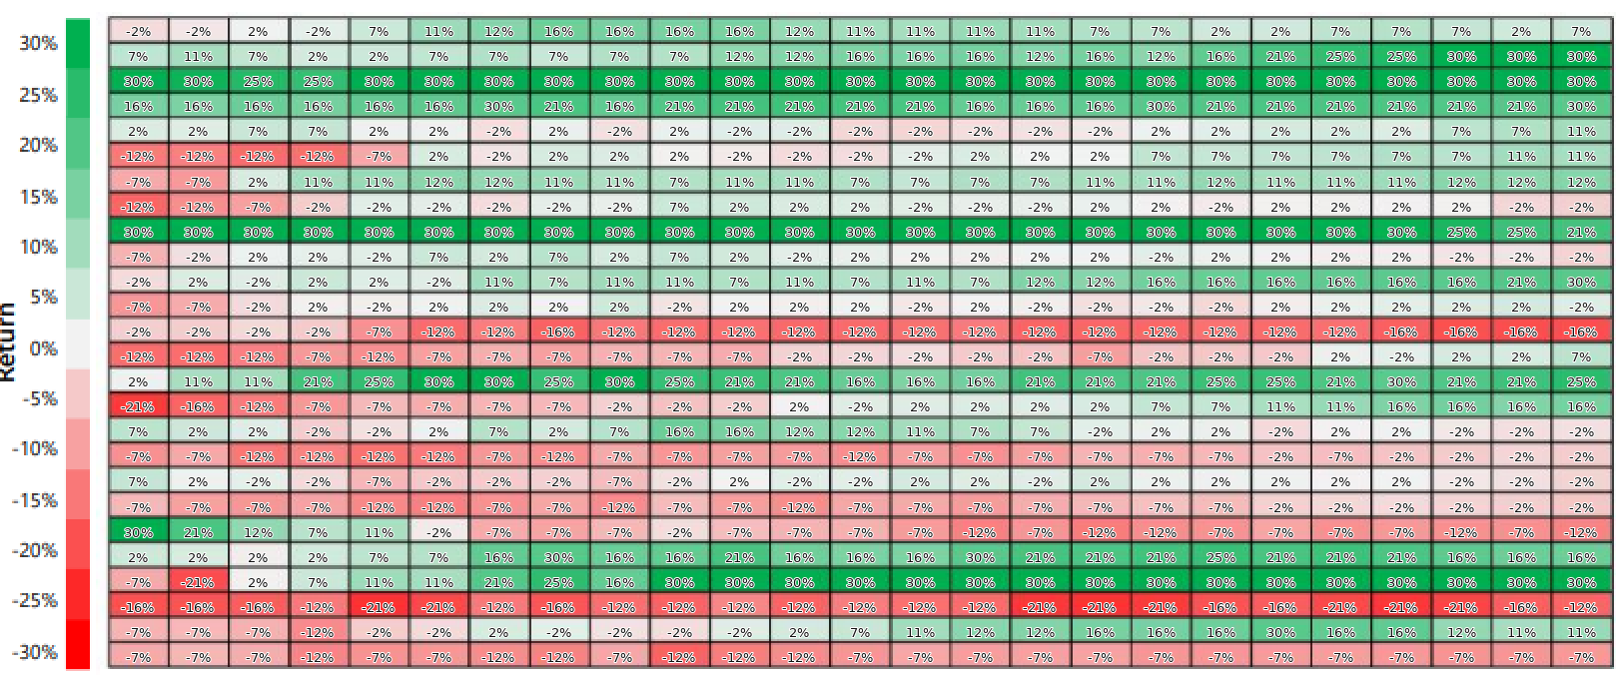
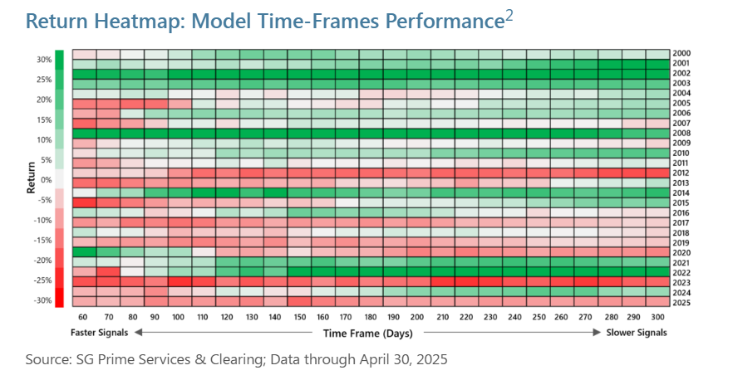
Heatmap from:
Trend-Following Primer
Graham Capital Management
https://www.grahamcapital.com/blog/trend-following-primer/

Convexity of Model vs S&P

 |  |  |  |  |  |  |  |  |  |  |  |  |  |  |  |  |  |  |  |  |  |  |  |  |  |  | S&P
 | -2% | -2% | 2% | -2% | 7% | 11% | 12% | 16% | 16% | 16% | 16% | 12% | 11% | 11% | 11% | 11% | 7% | 7% | 2% | 2% | 7% | 7% | 7% | 2% | 7% | 2000 | -9.4%
 | 7% | 11% | 7% | 2% | 2% | 7% | 7% | 7% | 7% | 7% | 12% | 12% | 16% | 16% | 16% | 12% | 16% | 12% | 16% | 21% | 25% | 25% | 30% | 30% | 30% | 2001 | -12.2%
 | 30% | 30% | 25% | 25% | 30% | 30% | 30% | 30% | 30% | 30% | 30% | 30% | 30% | 30% | 30% | 30% | 30% | 30% | 30% | 30% | 30% | 30% | 30% | 30% | 30% | 2002 | -22.5%
 | 16% | 16% | 16% | 16% | 16% | 16% | 30% | 21% | 16% | 21% | 21% | 21% | 21% | 21% | 16% | 16% | 16% | 30% | 21% | 21% | 21% | 21% | 21% | 21% | 30% | 2003 | 28.0%
 | 2% | 2% | 7% | 7% | 2% | 2% | -2% | 2% | -2% | 2% | -2% | -2% | -2% | -2% | -2% | -2% | -2% | 2% | 2% | 2% | 2% | 2% | 7% | 7% | 11% | 2004 | 10.2%
 | -12% | -12% | -12% | -12% | -7% | 2% | -2% | 2% | 2% | 2% | -2% | -2% | -2% | -2% | 2% | 2% | 2% | 7% | 7% | 7% | 7% | 7% | 7% | 11% | 11% | 2005 | 4.3%
 | -7% | -7% | 2% | 11% | 11% | 12% | 12% | 11% | 11% | 7% | 11% | 11% | 7% | 7% | 7% | 7% | 11% | 11% | 12% | 11% | 11% | 11% | 12% | 12% | 12% | 2006 | 15.1%
 | -12% | -12% | -7% | -2% | -2% | -2% | -2% | -2% | -2% | 7% | 2% | 2% | 2% | -2% | -2% | -2% | 2% | 2% | -2% | 2% | 2% | 2% | 2% | -2% | -2% | 2007 | 4.9%
 | 30% | 30% | 30% | 30% | 30% | 30% | 30% | 30% | 30% | 30% | 30% | 30% | 30% | 30% | 30% | 30% | 30% | 30% | 30% | 30% | 30% | 30% | 25% | 25% | 21% | 2008 | -37.4%
 | -7% | -2% | 2% | 2% | -2% | 7% | 2% | 7% | 2% | 7% | 2% | -2% | 2% | 2% | 2% | 2% | 2% | -2% | 2% | 2% | 2% | 2% | -2% | -2% | -2% | 2009 | 25.6%
 | -2% | 2% | -2% | 2% | 2% | -2% | 11% | 7% | 11% | 11% | 7% | 11% | 7% | 11% | 7% | 12% | 12% | 16% | 16% | 16% | 16% | 16% | 16% | 21% | 30% | 2010 | 14.4%
 | -7% | -7% | -2% | 2% | -2% | 2% | 2% | 2% | 2% | -2% | 2% | 2% | 2% | -2% | 2% | -2% | -2% | -2% | -2% | 2% | 2% | 2% | 2% | 2% | -2% | 2011 | 1.5%
 | -2% | -2% | -2% | -2% | -7% | -12% | -12% | -16% | -12% | -12% | -12% | -12% | -12% | -12% | -12% | -12% | -12% | -12% | -12% | -12% | -12% | -16% | -16% | -16% | -16% | 2012 | 15.2%
 | -12% | -12% | -12% | -7% | -12% | -7% | -7% | -7% | -7% | -7% | -7% | -2% | -2% | -2% | -2% | -2% | -7% | -2% | -2% | -2% | 2% | -2% | 2% | 2% | 7% | 2013 | 31.5%
 | 2% | 11% | 11% | 21% | 25% | 30% | 30% | 25% | 30% | 25% | 21% | 21% | 16% | 16% | 16% | 21% | 21% | 21% | 25% | 25% | 21% | 30% | 21% | 21% | 25% | 2014 | 13.0%
 | -21% | -16% | -12% | -7% | -7% | -7% | -7% | -7% | -2% | -2% | -2% | 2% | -2% | 2% | 2% | 2% | 2% | 7% | 7% | 11% | 11% | 16% | 16% | 16% | 16% | 2015 | 0.7%
 | 7% | 2% | 2% | -2% | -2% | 2% | 7% | 2% | 7% | 16% | 16% | 12% | 12% | 11% | 7% | 7% | -2% | 2% | 2% | -2% | 2% | 2% | -2% | -2% | -2% | 2016 | 11.2%
 | -7% | -7% | -12% | -12% | -12% | -12% | -7% | -12% | -7% | -7% | -7% | -7% | -12% | -7% | -7% | -7% | -7% | -7% | -7% | -2% | -7% | -2% | -2% | -2% | -2% | 2017 | 21.1%
 | 7% | 2% | -2% | -2% | -7% | -2% | -2% | -2% | -7% | -2% | 2% | -2% | -2% | 2% | 2% | -2% | 2% | 2% | 2% | 2% | 2% | 2% | -2% | -2% | -2% | 2018 | -4.9%
 | -7% | -7% | -7% | -7% | -12% | -12% | -7% | -7% | -12% | -7% | -7% | -12% | -7% | -7% | -7% | -7% | -7% | -7% | -7% | -7% | -7% | -2% | -2% | -2% | -2% | 2019 | 30.7%
 | 30% | 21% | 12% | 7% | 11% | -2% | -7% | -7% | -7% | -2% | -7% | -7% | -7% | -7% | -12% | -7% | -12% | -12% | -7% | -7% | -7% | -7% | -12% | -7% | -12% | 2020 | 17.8%
 | 2% | 2% | 2% | 2% | 7% | 7% | 16% | 30% | 16% | 16% | 21% | 16% | 16% | 16% | 30% | 21% | 21% | 21% | 25% | 21% | 21% | 21% | 16% | 16% | 16% | 2021 | 28.2%
 | -7% | -21% | 2% | 7% | 11% | 11% | 21% | 25% | 16% | 30% | 30% | 30% | 30% | 30% | 30% | 30% | 30% | 30% | 30% | 30% | 30% | 30% | 30% | 30% | 30% | 2022 | -18.5%
 | -16% | -16% | -16% | -12% | -21% | -21% | -12% | -16% | -12% | -12% | -12% | -12% | -12% | -12% | -12% | -21% | -21% | -21% | -16% | -16% | -21% | -21% | -21% | -16% | -12% | 2023 | 25.7%
 | -7% | -7% | -7% | -12% | -2% | -2% | 2% | -2% | -2% | -2% | -2% | 2% | 7% | 11% | 12% | 12% | 16% | 16% | 16% | 30% | 16% | 16% | 12% | 11% | 11% | 2024 | 24.5%
 | -7% | -7% | -7% | -12% | -7% | -7% | -12% | -12% | -7% | -12% | -12% | -12% | -7% | -7% | -7% | -7% | -7% | -7% | -7% | -7% | -7% | -7% | -7% | -7% | -7% | 2025 | 17.4%
 | 60 | 70 | 80 | 90 | 100 | 110 | 120 | 130 | 140 | 150 | 160 | 170 | 180 | 190 | 200 | 210 | 220 | 230 | 240 | 250 | 260 | 270 | 280 | 290 | 300
CONVEXITY: | 1.30 | 1.27 | 1.12 | 1.04 | 0.92 | 0.83 | 1.18 | 1.25 | 0.85 | 0.87 | 0.96 | 0.94 | 1.16 | 1.17 | 1.25 | 1.12 | 1.06 | 1.08 | 1.10 | 1.01 | 0.90 | 0.82 | 0.68 | 0.70 | 0.67

Model-speed vs short-term (60 Day) model

Convexity of model speed vs S&P

Model-speed vs short-term (60 Day) model

Model-speed vs short-term (60 Day) model

