Q1
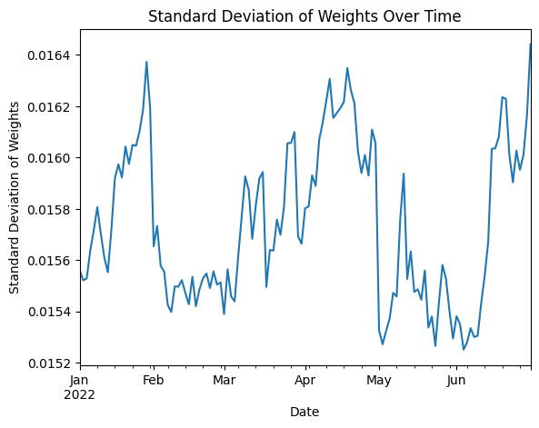
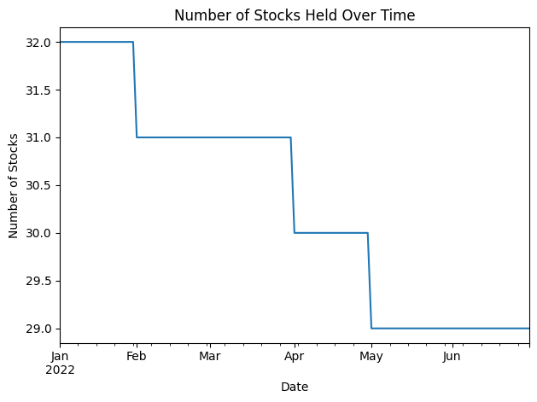
Metric | Yearly Average
max | 0.072690141853
min | 0.0086736319685
mean | 0.033027815143
std | 0.015739923482

Q2
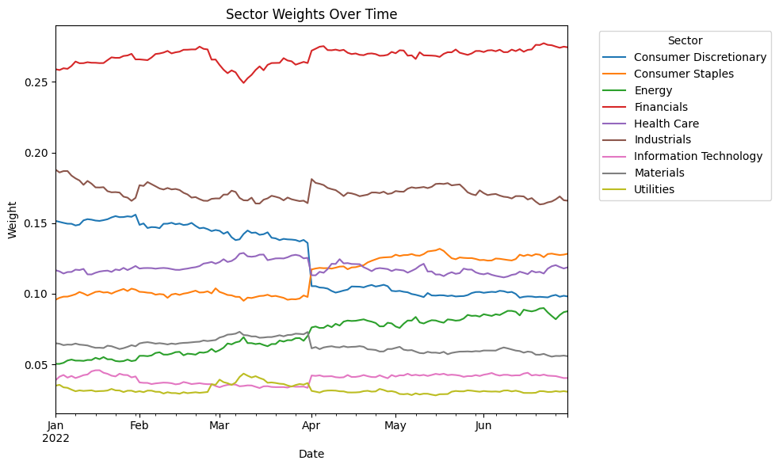

Q3
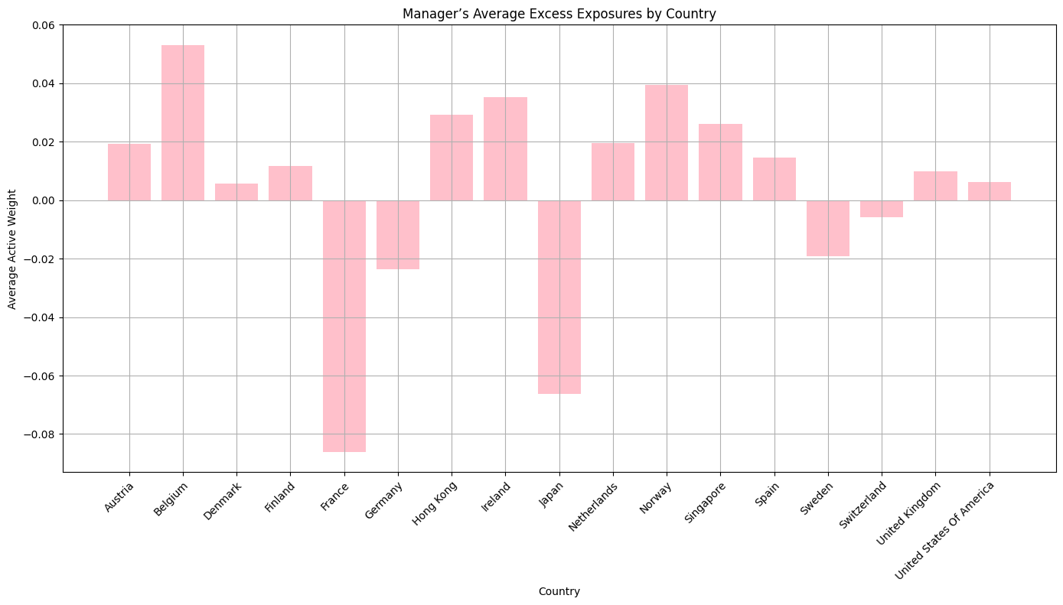

Q4
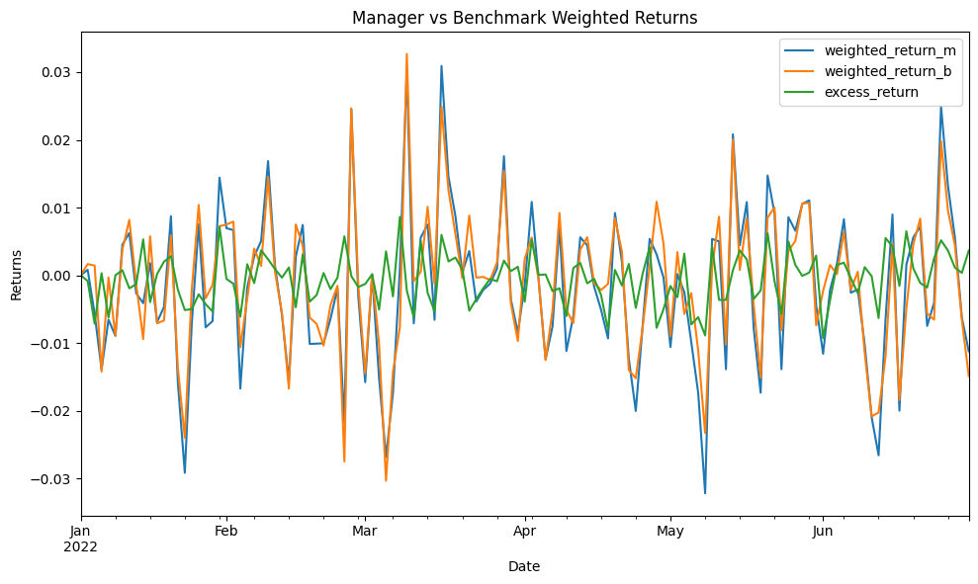

Metric | Value
Annualized Return | -0.34717997992
Alpha | -0.13759031758
Sharpe Ratio | -0.94880075985

