Q1
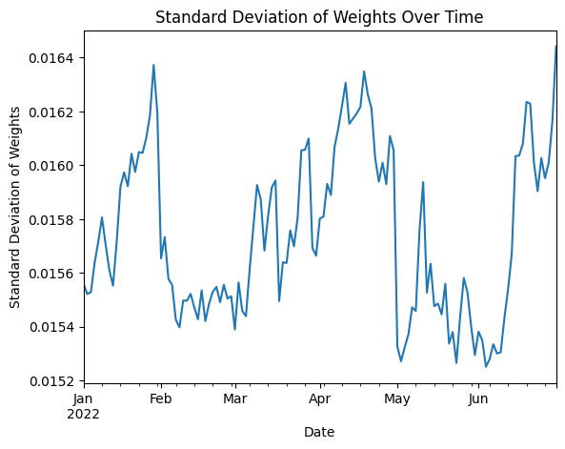
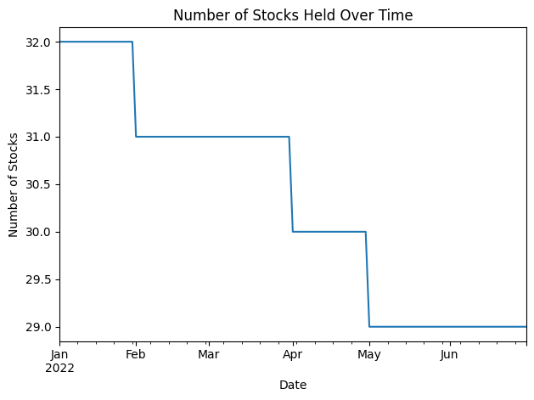
This sheet shows how concentrated/diversified the manager is (e.g., how many stocks they hold everyday, how they allocate weights differently across stocks)
This chart shows the overall max, min, mean, and std of the weights of stocks the manager held during this time period

Metric | Yearly Average
max | 0.072690141853
min | 0.0086736319685
mean | 0.033027815143
std | 0.015739923482

Q2
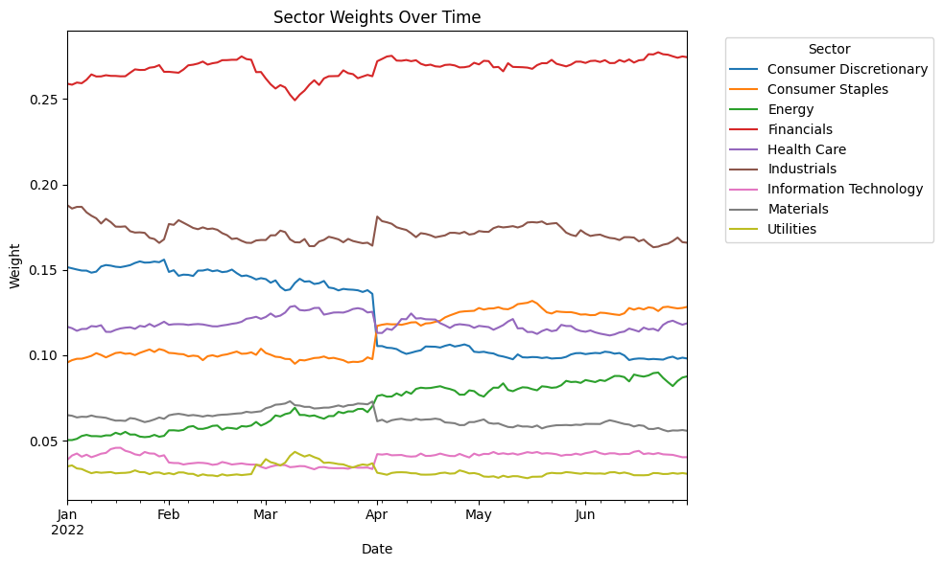
This sheet shows the net exposure (total weight) of the manager in different sectors over time.

Q3
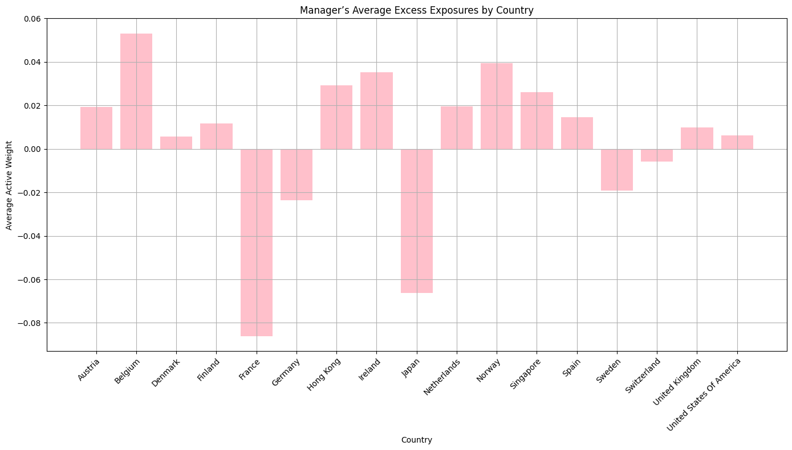
This sheet shows the average excess exposures of the manager in different countries
The table below has details on annual metrics and the largest Alpha drawdowns

Q4
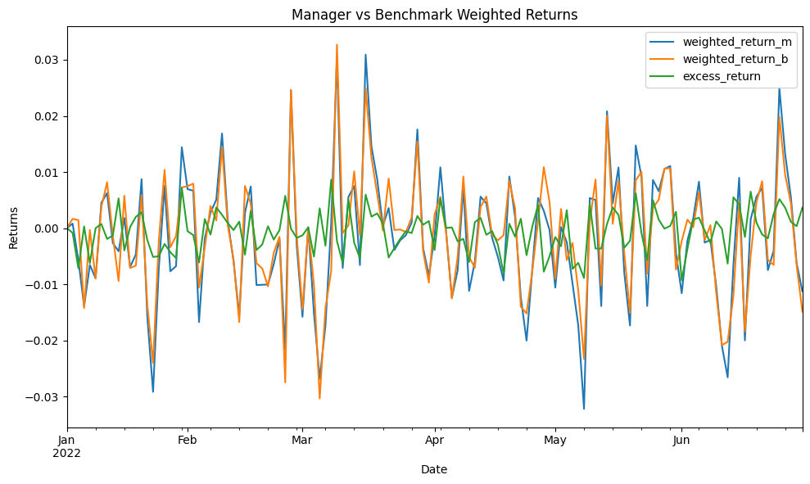
Metric | Value
Annualized Return | -0.34717997992
Alpha | -0.13759031758
Sharpe Ratio | -0.94880075985

Metric | Start | End | Magnitude
0 | 44628 | 44713 | 0.017914724188
1 | 44592 | 44595 | 0.013302486455
2 | 44616 | 44623 | 0.010818566589

