Sheet1
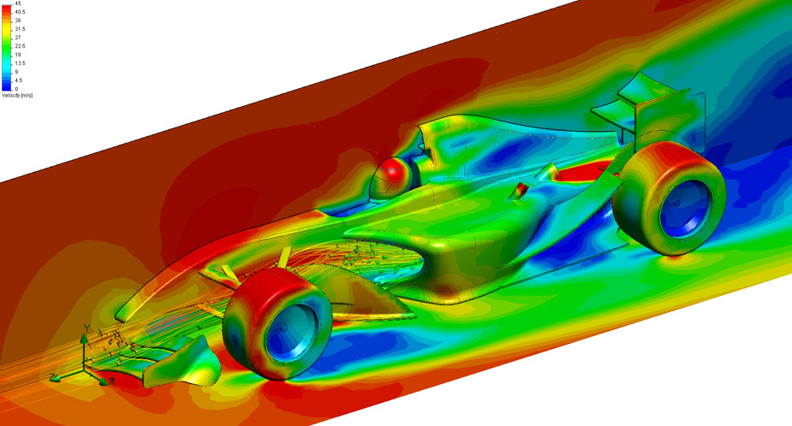
Phase 1 | alpha | velo (km/hr) | velo (mph) | velo (m/s) | speed of sound (SL) | mach | chord (m) | rho (kg/m^3) | mu (kg/m*s) | reynolds | MSES Mach for Convergence
inboard section | -5 | 115 | 71.457665 | 31.944444444 | 340.3 | 0.093871420642 | 0.415 | 1.2256 | 0.000017894 | 907997.71494 | 0.23
outboard section | 0 | 150 | 93.20565 | 41.666666667 | 340.3 | 0.12244098345 | 0.415 | 1.2256 | 0.000017894 | 1184344.8456 | 0.25

Average Speed at the Monaco Grand Prix - Las Motorsport
(PDF) OPTIMIZING FORMULA 1 REAR WINGS WITH NACA SERIES AIRFOILS FOR MAXIMUM PERFORMANCE
Collegue and Forex: cfd
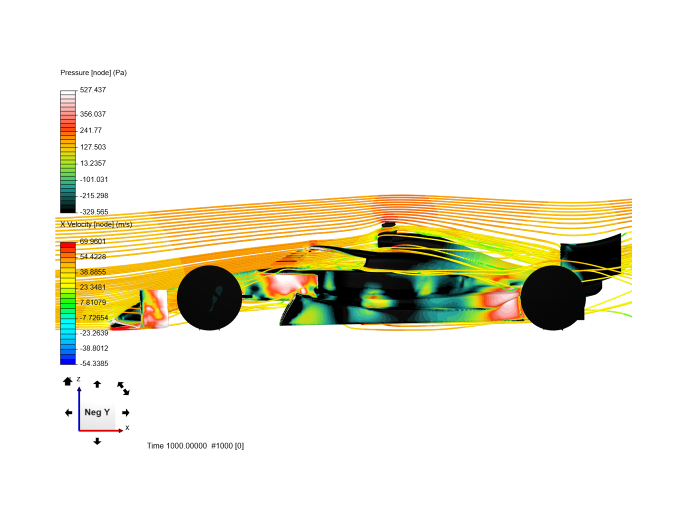
f1 ferrari - cfd by 20048548 | SimScale...

