center_second_element
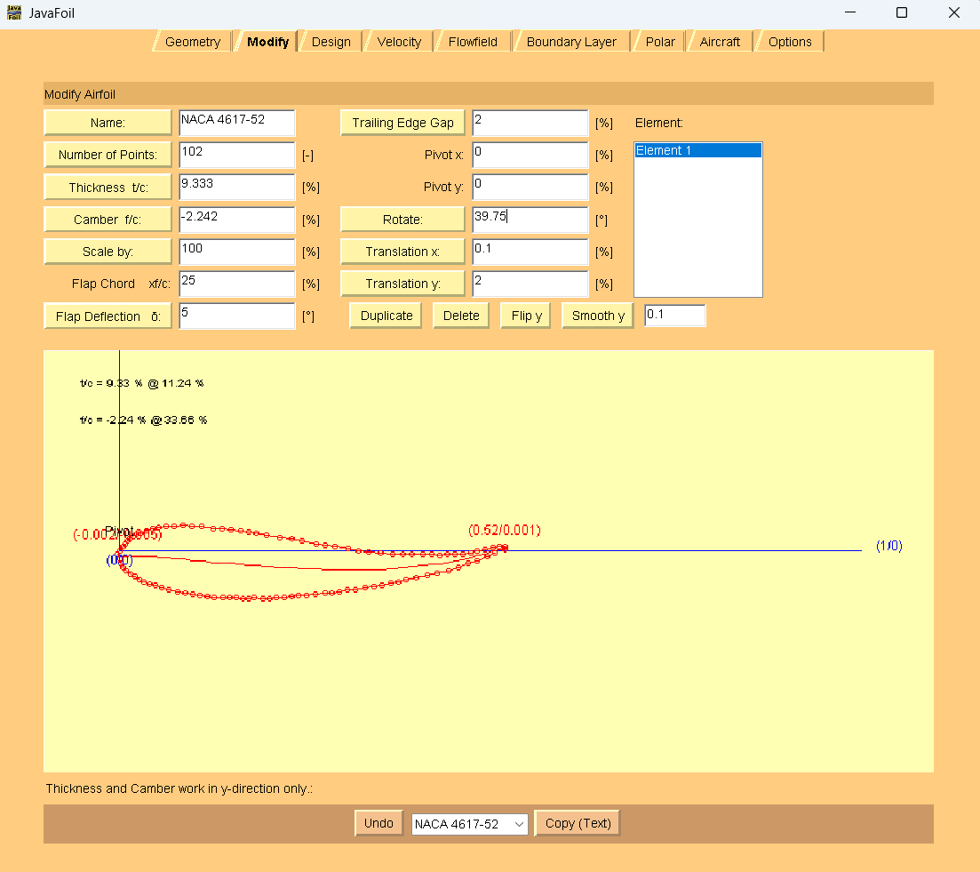
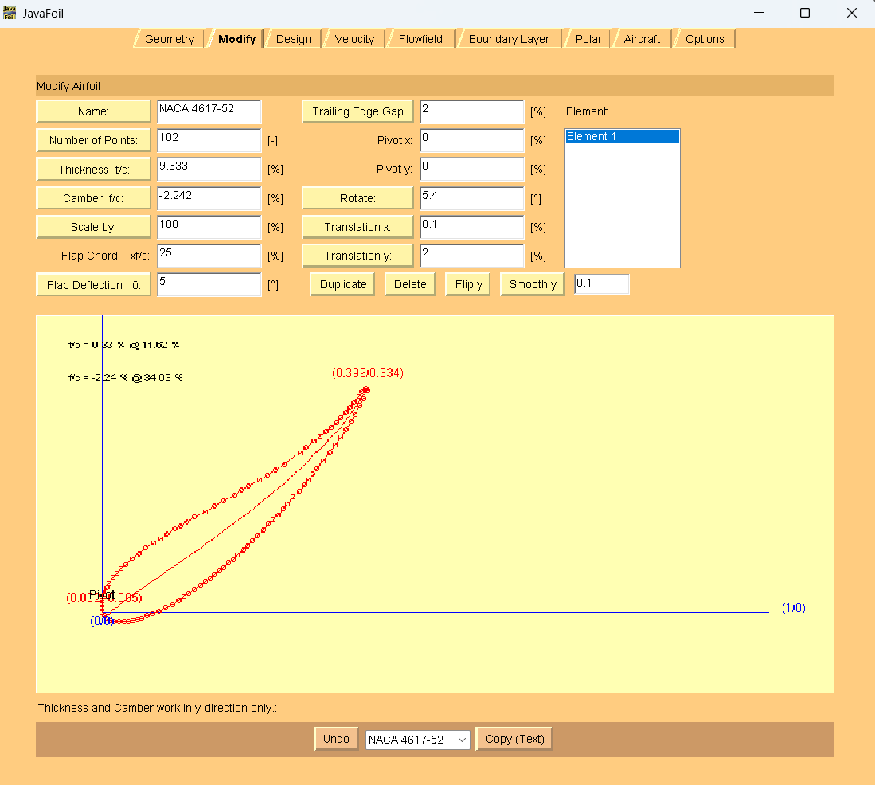
0.90685413005 | 0.24747751640661841 | <-- | webplot digitizer points |  |  |  | 0 | 0 |  | 0.39894551845 | 0.33356632158 | AoA = 39.75
0.9086115992970123 | 0.24221124872476318 |  |  |  |  |  | 0.0017574692443 | -0.0052662676819 |  | 0.39543057996 | 0.33706893012
0.9138840070298768 | 0.23871481763041702 |  |  |  | webplot digitizer points with LE at origin | > | 0.0070298769772 | -0.0087626987762 |  | 0.39015817223 | 0.33177795268
0.9191564147627418 | 0.23521838653607097 |  |  |  |  |  | 0.01230228471 | -0.012259129871 | JavaFoil coords | 0.3848857645 | 0.32472949353
0.9244288224956063 | 0.23347943714904185 |  |  | LE to lower surface to TE |  |  | 0.017574692443 | -0.013998079258 | TE to upper surface to LE | 0.37785588752 | 0.31591737523
0.9314586994727592 | 0.2335041469094259 |  |  | to upper surface to LE |  |  | 0.02460456942 | -0.013973369497 | to lower surface to TE | 0.37082601054 | 0.30886273864
0.9384885764499122 | 0.23352885666981005 |  |  |  |  |  | 0.031634446397 | -0.013948659737 |  | 0.36555360281 | 0.30005679778
0.9455184534270651 | 0.2335535664301941 |  |  |  |  |  | 0.038664323374 | -0.013923949976 |  | 0.35852372583 | 0.29300216119
0.9525483304042179 | 0.2353357578978953 |  |  |  |  |  | 0.045694200351 | -0.012141758509 |  | 0.35149384886 | 0.2859475246
0.9595782073813708 | 0.23711794936559638 |  |  |  |  |  | 0.052724077329 | -0.010359567041 |  | 0.34270650264 | 0.27888671057
0.9666080843585236 | 0.23890014083329758 |  |  |  |  |  | 0.059753954306 | -0.0085773755733 |  | 0.33567662566 | 0.27183207399
0.9736379613356767 | 0.24243981400831582 |  |  |  |  |  | 0.066783831283 | -0.0050377023983 |  | 0.32688927944 | 0.26477125996
0.9824253075571177 | 0.24598566462343008 |  |  |  |  |  | 0.075571177504 | -0.0014918517832 |  | 0.31810193322 | 0.25771044593
0.9912126537785588 | 0.24953151523854422 |  |  |  |  |  | 0.084358523726 | 0.0020539988319 |  | 0.30579964851 | 0.24887979531
1.001757469244288 | 0.25484102500107164 |  |  |  |  |  | 0.094903339192 | 0.0073635085945 |  | 0.29701230228 | 0.24006149957
1.0123022847100176 | 0.26015053476359884 |  |  |  |  |  | 0.10544815466 | 0.012673018357 |  | 0.28646748682 | 0.2329945081
1.0210896309314585 | 0.26545386708603025 |  |  |  |  |  | 0.11423550088 | 0.017976350679 |  | 0.27240773286 | 0.22240019834
1.0281195079086116 | 0.27075102196836554 |  |  |  |  |  | 0.12126537786 | 0.023273505562 |  | 0.26010544815 | 0.21356954772
1.0369068541300528 | 0.27605435429079683 |  |  |  |  |  | 0.13005272408 | 0.028576837884 |  | 0.24780316344 | 0.20649637881
1.045694200351494 | 0.28135768661 |  |  |  |  |  | 0.1388400703 | 0.033880170207 |  | 0.23550087873 | 0.1994232099
1.054481546572935 | 0.28841850064297647 |  |  |  |  |  | 0.14762741652 | 0.040940984236 |  | 0.21968365554 | 0.1905802044
1.0615114235500878 | 0.29371565552531187 |  |  |  |  |  | 0.1546572935 | 0.046238139119 |  | 0.20913884007 | 0.18351321293
1.0685413005272406 | 0.29901281040764704 |  |  |  |  |  | 0.16168717047 | 0.051535294001 |  | 0.1985940246 | 0.17644622146
1.0755711775043937 | 0.30430996528998233 |  |  |  |  |  | 0.16871704745 | 0.056832448883 |  | 0.18101933216 | 0.16759703853
1.0826010544815465 | 0.3096071201723176 |  |  |  |  |  | 0.17574692443 | 0.062129603766 |  | 0.16871704745 | 0.16052386962
1.0878734622144113 | 0.31489809761 |  |  |  |  |  | 0.18101933216 | 0.067420581208 |  | 0.1546572935 | 0.15168704156
1.0966608084358522 | 0.32195891164430535 |  |  |  |  |  | 0.18980667838 | 0.074481395238 |  | 0.1388400703 | 0.14284403606
1.103690685413005 | 0.3272560665266406 |  |  |  |  |  | 0.19683655536 | 0.07977855012 |  | 0.12653778559 | 0.13577086715
1.1089630931458698 | 0.3343045256761969 |  |  |  |  |  | 0.20210896309 | 0.08682700927 |  | 0.11775043937 | 0.13046753483
1.117750439367311 | 0.34136533970594535 |  |  |  |  |  | 0.21089630931 | 0.093887823299 |  | 0.10896309315 | 0.12516420251
1.1247803163444638 | 0.34841997629559773 |  |  |  |  |  | 0.21792618629 | 0.10094245989 |  | 0.096660808436 | 0.1180910336
1.1318101933216167 | 0.35547461288525006 |  |  |  |  |  | 0.22495606327 | 0.10799709648 |  | 0.087873462214 | 0.11103021957
1.1388400702987695 | 0.3625292494749024 |  |  |  |  |  | 0.23198594025 | 0.11505173307 |  | 0.077328646749 | 0.1039632281
1.147627416520211 | 0.37134754521196783 |  |  |  |  |  | 0.24077328647 | 0.12387002881 |  | 0.065026362039 | 0.096890059186
1.1564147627416521 | 0.38016584094903333 |  |  |  |  |  | 0.24956063269 | 0.13268832454 |  | 0.054481546573 | 0.088065586009
1.163444639718805 | 0.38722047753868566 |  |  |  |  |  | 0.25659050967 | 0.13974296113 |  | 0.043936731107 | 0.080998594539
1.1704745166959578 | 0.3942751141283381 |  |  |  |  |  | 0.26362038664 | 0.14679759772 |  | 0.035149384886 | 0.072180298802
1.1775043936731107 | 0.4030872324253075 |  |  |  |  |  | 0.27065026362 | 0.15560971602 |  | 0.028119507909 | 0.065125662212
1.1845342706502637 | 0.41014186901495986 |  |  |  |  |  | 0.2776801406 | 0.16266435261 |  | 0.021089630931 | 0.058071025623
1.1933216168717047 | 0.4207176464593424 |  |  |  |  |  | 0.28646748682 | 0.17324013005 |  | 0.015817223199 | 0.05278004818
1.2021089630931459 | 0.4295359421964079 |  |  |  |  |  | 0.29525483304 | 0.18205842579 |  | 0.010544815466 | 0.043974107324
1.2091388400702987 | 0.43834806049337727 |  |  |  |  |  | 0.30228471002 | 0.19087054409 |  | 0.0070298769772 | 0.036931825614
1.2161687170474516 | 0.44716017879034675 |  |  |  |  |  | 0.30931458699 | 0.19968266238 |  | 0.0035149384886 | 0.031647025612
1.2231985940246046 | 0.45597229708731607 |  |  |  |  |  | 0.31634446397 | 0.20849478068 |  | 0.0017574692443 | 0.02636840305
1.2284710017574694 | 0.4647782379441895 |  |  |  |  |  | 0.3216168717 | 0.21730072154 |  | 0 | 0.021089780488
1.2372583479789103 | 0.4753540153885721 |  |  |  |  |  | 0.33040421793 | 0.22787649898 |  | 0 | 0.017574817073
1.2478031634446396 | 0.48769345198036773 |  |  |  |  |  | 0.34094903339 | 0.24021593557 |  | 0 | 0.012302371951
1.256590509666081 | 0.4982692294247502 |  |  |  |  |  | 0.34973637961 | 0.25079171302 |  | 0 | 0.0070299268293
1.265377855887522 | 0.5106024885764497 |  |  |  |  |  | 0.35852372583 | 0.26312497217 |  | 0 | 0
1.2724077328646748 | 0.5229295702880534 |  |  |  |  |  | 0.36555360281 | 0.27545205388 |  | 0.0017574692443 | -0.0052662676819
1.2794376098418276 | 0.535256652 |  |  |  |  |  | 0.37258347979 | 0.28777913559 |  | 0.0070298769772 | -0.0087626987762
1.2864674868189805 | 0.5458262520039434 |  |  |  |  |  | 0.37961335677 | 0.2983487356 |  | 0.01230228471 | -0.012259129871
1.2934973637961336 | 0.5581533337155471 |  |  |  |  |  | 0.38664323374 | 0.31067581731 |  | 0.017574692443 | -0.013998079258
1.2987697715289983 | 0.5687167562797375 |  |  |  |  |  | 0.39191564148 | 0.32123923987 |  | 0.02460456942 | -0.013973369497
1.3057996485061512 | 0.5810438379913412 |  |  |  |  |  | 0.39894551845 | 0.33356632158 |  | 0.031634446397 | -0.013948659737
1.3022847100175747 | 0.5845464465257832 |  |  |  |  |  | 0.39543057996 | 0.33706893012 |  | 0.038664323374 | -0.013923949976
1.2970123023 | 0.57925546908 |  |  |  |  |  | 0.39015817223 | 0.33177795268 |  | 0.045694200351 | -0.012141758509
1.2917398945518452 | 0.5722070099339877 |  |  |  |  |  | 0.3848857645 | 0.32472949353 |  | 0.052724077329 | -0.010359567041
1.2847100175746924 | 0.5633948916370182 |  |  |  |  |  | 0.37785588752 | 0.31591737523 |  | 0.059753954306 | -0.0085773755733
1.2776801405975395 | 0.5563402550473658 |  |  |  |  |  | 0.37082601054 | 0.30886273864 |  | 0.066783831283 | -0.0050377023983
1.2724077328646748 | 0.5475343141904925 |  |  |  |  |  | 0.36555360281 | 0.30005679778 |  | 0.075571177504 | -0.0014918517832
1.265377855887522 | 0.5404796776 |  |  |  |  |  | 0.35852372583 | 0.29300216119 |  | 0.084358523726 | 0.0020539988319
1.258347978910369 | 0.5334250410111876 |  |  |  |  |  | 0.35149384886 | 0.2859475246 |  | 0.094903339192 | 0.0073635085945
1.249560632688928 | 0.5263642269814393 |  |  |  |  |  | 0.34270650264 | 0.27888671057 |  | 0.10544815466 | 0.012673018357
1.242530755711775 | 0.5193095903917869 |  |  |  |  |  | 0.33567662566 | 0.27183207399 |  | 0.11423550088 | 0.017976350679
1.233743409490334 | 0.5122487763620386 |  |  |  |  |  | 0.32688927944 | 0.26477125996 |  | 0.12126537786 | 0.023273505562
1.224956063268893 | 0.5051879623322901 |  |  |  |  |  | 0.31810193322 | 0.25771044593 |  | 0.13005272408 | 0.028576837884
1.2126537785588751 | 0.49635731171503267 |  |  |  |  |  | 0.30579964851 | 0.24887979531 |  | 0.1388400703 | 0.033880170207
1.203866432337434 | 0.4875390159779673 |  |  |  |  |  | 0.29701230228 | 0.24006149957 |  | 0.14762741652 | 0.040940984236
1.1933216168717047 | 0.4804720245081228 |  |  |  |  |  | 0.28646748682 | 0.2329945081 |  | 0.1546572935 | 0.046238139119
1.1792618629173988 | 0.46987771474345225 |  |  |  |  |  | 0.27240773286 | 0.22240019834 |  | 0.16168717047 | 0.051535294001
1.1669595782073814 | 0.4610470641261948 |  |  |  |  |  | 0.26010544815 | 0.21356954772 |  | 0.16871704745 | 0.056832448883
1.1546572934973638 | 0.45397389521625436 |  |  |  |  |  | 0.24780316344 | 0.20649637881 |  | 0.17574692443 | 0.062129603766
1.142355008787346 | 0.44690072631 |  |  |  |  |  | 0.23550087873 | 0.1994232099 |  | 0.18101933216 | 0.067420581208
1.1265377855887522 | 0.43805772080886446 |  |  |  |  |  | 0.21968365554 | 0.1905802044 |  | 0.18980667838 | 0.074481395238
1.115992970123023 | 0.43099072933902005 |  |  |  |  |  | 0.20913884007 | 0.18351321293 |  | 0.19683655536 | 0.07977855012
1.1054481546572934 | 0.4239237378691756 |  |  |  |  |  | 0.1985940246 | 0.17644622146 |  | 0.20210896309 | 0.08682700927
1.0878734622144113 | 0.4150745549316301 |  |  |  |  |  | 0.18101933216 | 0.16759703853 |  | 0.21089630931 | 0.093887823299
1.0755711775043937 | 0.4080013860216896 |  |  |  |  |  | 0.16871704745 | 0.16052386962 |  | 0.21792618629 | 0.10094245989
1.0615114235500878 | 0.39916455796433614 |  |  |  |  |  | 0.1546572935 | 0.15168704156 |  | 0.22495606327 | 0.10799709648
1.045694200351494 | 0.3903215524668866 |  |  |  |  |  | 0.1388400703 | 0.14284403606 |  | 0.23198594025 | 0.11505173307
1.0333919156414761 | 0.38324838355694624 |  |  |  |  |  | 0.12653778559 | 0.13577086715 |  | 0.24077328647 | 0.12387002881
1.024604569420035 | 0.37794505123451494 |  |  |  |  |  | 0.11775043937 | 0.13046753483 |  | 0.24956063269 | 0.13268832454
1.015817223198594 | 0.3726417189120836 |  |  |  |  |  | 0.10896309315 | 0.12516420251 |  | 0.25659050967 | 0.13974296113
1.0035149384885764 | 0.36556855000214317 |  |  |  |  |  | 0.096660808436 | 0.1180910336 |  | 0.26362038664 | 0.14679759772
0.9947275922671353 | 0.3585077359723948 |  |  |  |  |  | 0.087873462214 | 0.11103021957 |  | 0.27065026362 | 0.15560971602
0.9841827768 | 0.3514407445025504 |  |  |  |  |  | 0.077328646749 | 0.1039632281 |  | 0.2776801406 | 0.16266435261
0.9718804920913884 | 0.34436757559260994 |  |  |  |  |  | 0.065026362039 | 0.096890059186 |  | 0.28646748682 | 0.17324013005
0.9613356766256591 | 0.3355431024154485 |  |  |  |  |  | 0.054481546573 | 0.088065586009 |  | 0.29525483304 | 0.18205842579
0.9507908611599296 | 0.32847611094560414 |  |  |  |  |  | 0.043936731107 | 0.080998594539 |  | 0.30228471002 | 0.19087054409
0.9420035149384887 | 0.31965781520853875 |  |  |  |  |  | 0.035149384886 | 0.072180298802 |  | 0.30931458699 | 0.19968266238
0.9349736379613356 | 0.3126031786188863 |  |  |  |  |  | 0.028119507909 | 0.065125662212 |  | 0.31634446397 | 0.20849478068
0.9279437609841827 | 0.30554854202923387 |  |  |  |  |  | 0.021089630931 | 0.058071025623 |  | 0.3216168717 | 0.21730072154
0.92267135325 | 0.3002575645869947 |  |  |  |  |  | 0.015817223199 | 0.05278004818 |  | 0.33040421793 | 0.22787649898
0.9173989455184532 | 0.29145162373012135 |  |  |  |  |  | 0.010544815466 | 0.043974107324 |  | 0.34094903339 | 0.24021593557
0.9138840070298768 | 0.2844093420206609 |  |  |  |  |  | 0.0070298769772 | 0.036931825614 |  | 0.34973637961 | 0.25079171302
0.9103690685413004 | 0.27912454201851766 |  |  |  |  |  | 0.0035149384886 | 0.031647025612 |  | 0.35852372583 | 0.26312497217
0.9086115992970123 | 0.2738459194564705 |  |  |  |  |  | 0.0017574692443 | 0.02636840305 |  | 0.36555360281 | 0.27545205388
0.90685413005 | 0.26856729689442327 |  |  |  |  |  | 0 | 0.021089780488 |  | 0.37258347979 | 0.28777913559
0.90685413005 | 0.2650523334797892 |  |  |  |  |  | 0 | 0.017574817073 |  | 0.37961335677 | 0.2983487356
0.90685413005 | 0.25977988835783783 |  |  |  |  |  | 0 | 0.012302371951 |  | 0.38664323374 | 0.31067581731
0.90685413005 | 0.2545074432358867 |  |  |  |  |  | 0 | 0.0070299268293 |  | 0.39191564148 | 0.32123923987

