outboard_second_element
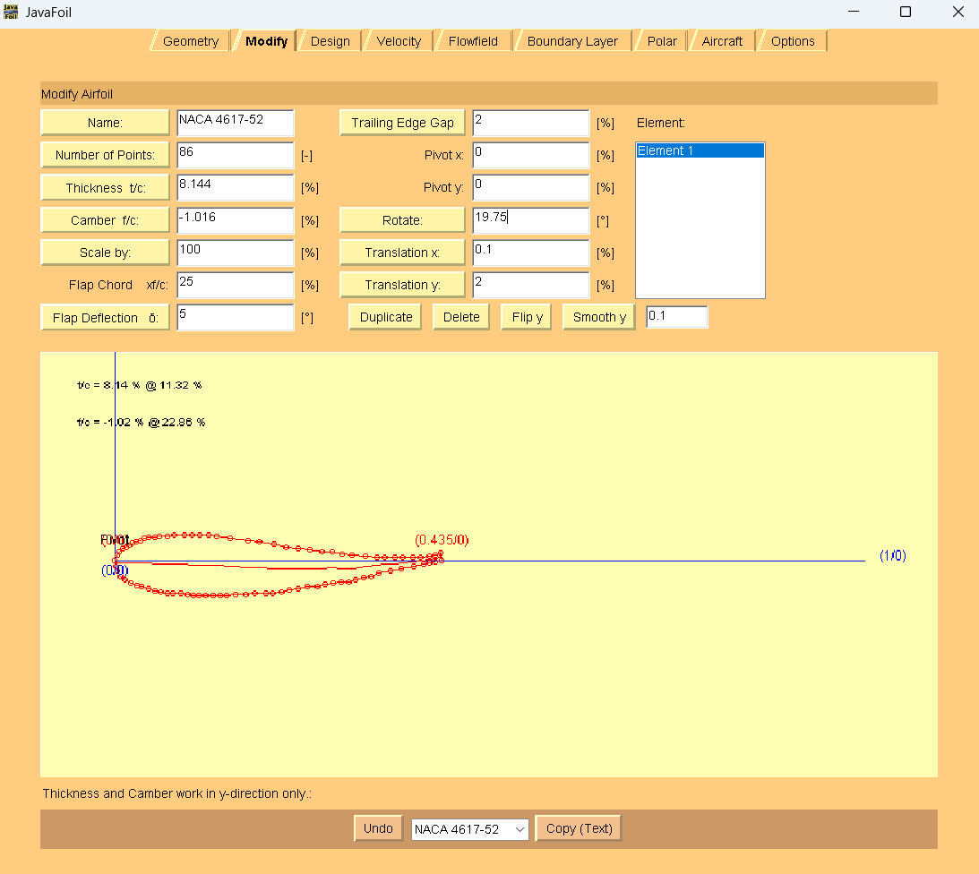
0.8963093145869947 | 0.4302185493270178 | <-- | webplot digitizer points |  |  |  | 0 | 0 |  | 0.40949033392 | 0.14731032525 | AoA = 19.75 deg
0.8998242530755711 | 0.42320097737794155 |  |  |  |  |  | 0.0035149384886 | -0.0070175719491 |  | 0.40597539543 | 0.15608537891
0.9033391915641475 | 0.4179408871361823 |  |  |  | webplot digitizer points with LE at origin | > | 0.0070298769772 | -0.012277662191 |  | 0.39894551845 | 0.15078822402
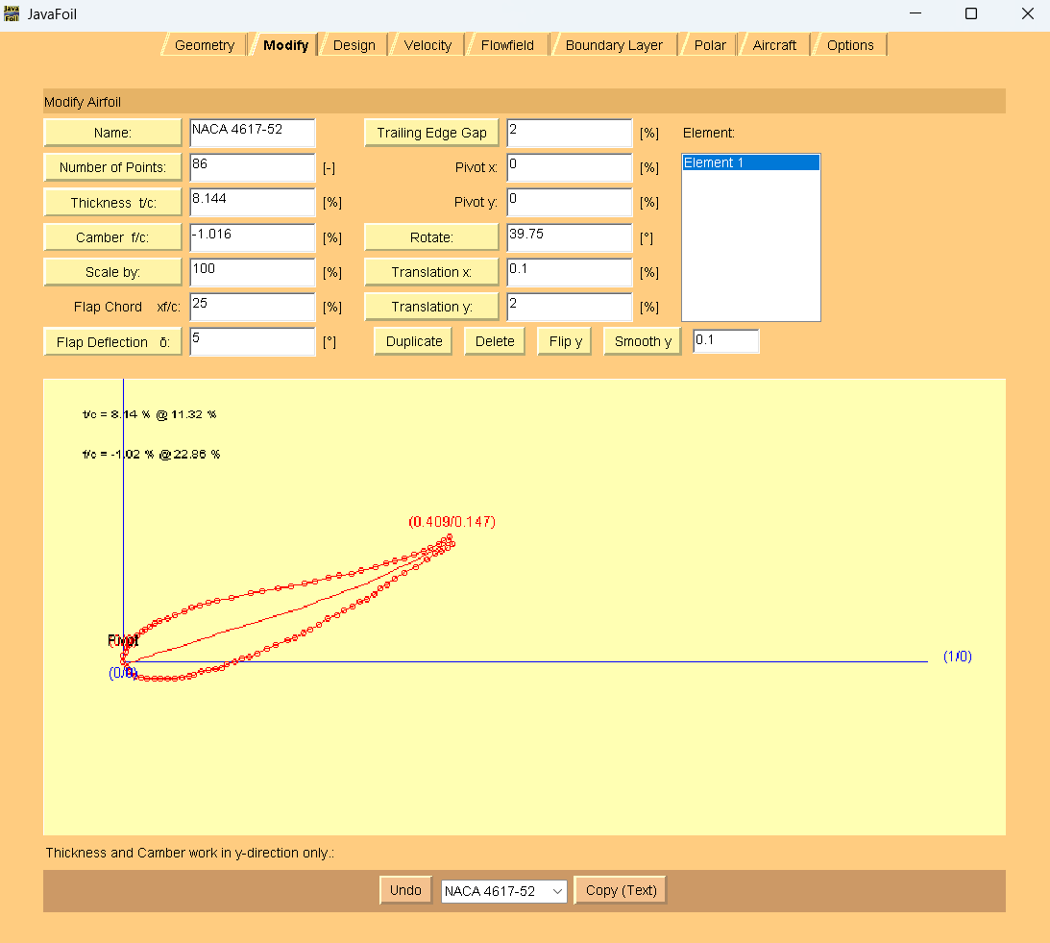
0.9103690685413004 | 0.4126931517746152 |  |  |  |  |  | 0.014059753954 | -0.017525397552 | JavaFoil coords | 0.39191564148 | 0.14724855085
0.9173989455184532 | 0.41096037982768224 |  |  | LE to lower surface to TE |  |  | 0.021089630931 | -0.019258169499 | TE to upper surface to LE | 0.38137082601 | 0.14193904109
0.9261862917398944 | 0.4092337853208452 |  |  | to upper surface to LE |  |  | 0.029876977153 | -0.020984764006 | to lower surface to TE | 0.37258347979 | 0.13839319047
0.9349736379613356 | 0.4092646725213253 |  |  |  |  |  | 0.038664323374 | -0.020953876806 |  | 0.36028119508 | 0.13307750327
0.9420035149384887 | 0.40928938228170936 |  |  |  |  |  | 0.045694200351 | -0.020929167045 |  | 0.34973637961 | 0.12952547521
0.9507908611599296 | 0.40932026948218947 |  |  |  |  |  | 0.054481546573 | -0.020898279845 |  | 0.3374340949 | 0.12596726972
0.9595782073813708 | 0.4093511566826696 |  |  |  |  |  | 0.063268892794 | -0.020867392644 |  | 0.32688927944 | 0.12241524166
0.9683655536 | 0.41113952559046674 |  |  |  |  |  | 0.072056239016 | -0.019079023737 |  | 0.31282952548 | 0.11885085873
0.9771528998242531 | 0.4129278944982639 |  |  |  |  |  | 0.080843585237 | -0.017290654829 |  | 0.29525483304 | 0.1135166392
0.9841827768 | 0.41471008596596504 |  |  |  |  |  | 0.087873462214 | -0.015508463361 |  | 0.28295254833 | 0.10995843371
0.9929701230228472 | 0.41825593658107924 |  |  |  |  |  | 0.096660808436 | -0.011962612746 |  | 0.26889279438 | 0.10815153248
1.001757469244288 | 0.42004430548887645 |  |  |  |  |  | 0.10544815466 | -0.010174243838 |  | 0.25483304042 | 0.10458714955
1.0105448154657293 | 0.4218326743966736 |  |  |  |  |  | 0.11423550088 | -0.0083858749303 |  | 0.23901581722 | 0.10101658917
1.0175746924428821 | 0.4236148658643747 |  |  |  |  |  | 0.12126537786 | -0.0066036834626 |  | 0.22495606327 | 0.097452206235
1.024604569420035 | 0.42715453903939293 |  |  |  |  |  | 0.12829525483 | -0.0030640102876 |  | 0.20913884007 | 0.093881645859
1.0351493848857642 | 0.43070656709460325 |  |  |  |  |  | 0.1388400703 | 0.00048801776759 |  | 0.19156414763 | 0.092062389751
1.0439367311072056 | 0.4342524177097174 |  |  |  |  |  | 0.14762741652 | 0.0040338683827 |  | 0.17223198594 | 0.088479474495
1.0527240773286468 | 0.4360407866175146 |  |  |  |  |  | 0.15641476274 | 0.0058222372905 |  | 0.15817223199 | 0.08491509156
1.063268892794376 | 0.4413502963800419 |  |  |  |  |  | 0.16695957821 | 0.011131747053 |  | 0.13356766257 | 0.079556162277
1.0755711775043937 | 0.4466659835826653 |  |  |  |  |  | 0.17926186292 | 0.016447434256 |  | 0.11599297012 | 0.075979424461
1.086115992970123 | 0.4519754933451926 |  |  |  |  |  | 0.18980667838 | 0.021756944018 |  | 0.10544815466 | 0.074184878113
1.1001757469244287 | 0.45729735799 |  |  |  |  |  | 0.20386643234 | 0.027078808661 |  | 0.094903339192 | 0.070632850058
1.1089630931458698 | 0.4608432086030262 |  |  |  |  |  | 0.21265377856 | 0.030624659276 |  | 0.084358523726 | 0.067080822003
1.1195079086115993 | 0.46615271836555355 |  |  |  |  |  | 0.22319859402 | 0.035934169039 |  | 0.075571177504 | 0.063534971388
1.1282952548330403 | 0.47145605068798485 |  |  |  |  |  | 0.23198594025 | 0.041237501361 |  | 0.063268892794 | 0.058219284185
1.1388400702987695 | 0.47676556045051216 |  |  |  |  |  | 0.24253075571 | 0.046547011123 |  | 0.054481546573 | 0.05467343357
1.1493848857644993 | 0.48383255192035657 |  |  |  |  |  | 0.25307557118 | 0.053614002593 |  | 0.043936731107 | 0.051121405515
1.1616871704745166 | 0.4891482391229799 |  |  |  |  |  | 0.26537785589 | 0.058929689796 |  | 0.038664323374 | 0.04758790978
1.1704745166959578 | 0.49445157144541124 |  |  |  |  |  | 0.27416520211 | 0.064233022118 |  | 0.031634446397 | 0.044048236605
1.181019332161687 | 0.4997610812079385 |  |  |  |  |  | 0.28471001757 | 0.069542531881 |  | 0.026362038664 | 0.04051474087
1.1898066783831283 | 0.5050644135303699 |  |  |  |  |  | 0.2934973638 | 0.074845864203 |  | 0.022847100176 | 0.036987422575
1.1985940246045694 | 0.50861026415 |  |  |  |  |  | 0.30228471002 | 0.078391714818 |  | 0.017574692443 | 0.03345392684
1.2073813708260104 | 0.5139135964679153 |  |  |  |  |  | 0.31107205624 | 0.083695047141 |  | 0.014059753954 | 0.029926608545
1.2161687170474516 | 0.5209744104976638 |  |  |  |  |  | 0.31985940246 | 0.090755861171 |  | 0.010544815466 | 0.02639929025
1.224956063268893 | 0.5262777428200951 |  |  |  |  |  | 0.32864674868 | 0.096059193493 |  | 0.0070298769772 | 0.021114490248
1.233743409490334 | 0.5333385568498434 |  |  |  |  |  | 0.3374340949 | 0.10312000752 |  | 0.0035149384886 | 0.017587171953
1.2460456942003515 | 0.5404117257597838 |  |  |  |  |  | 0.34973637961 | 0.11019317643 |  | 0.0017574692443 | 0.012308549391
1.2601054481546574 | 0.5492485538171374 |  |  |  |  |  | 0.36379613357 | 0.11903000449 |  | 0 | 0.0070299268293
1.2741652021089631 | 0.5580853818744909 |  |  |  |  |  | 0.37785588752 | 0.12786683255 |  | 0 | 0
1.2847100175746924 | 0.5651523733443353 |  |  |  |  |  | 0.38840070299 | 0.13493382402 |  | 0.0035149384886 | -0.0070175719491
1.2917398945518452 | 0.5686920465193535 |  |  |  |  |  | 0.39543057996 | 0.13847349719 |  | 0.0070298769772 | -0.012277662191
1.2987697715289983 | 0.5722317196943717 |  |  |  |  |  | 0.40246045694 | 0.14201317037 |  | 0.014059753954 | -0.017525397552
1.3057996485061512 | 0.57752887458 |  |  |  |  |  | 0.40949033392 | 0.14731032525 |  | 0.021089630931 | -0.019258169499
1.3022847100175747 | 0.5863039282331003 |  |  |  |  |  | 0.40597539543 | 0.15608537891 |  | 0.029876977153 | -0.020984764006
1.2952548330404219 | 0.58100677335 |  |  |  |  |  | 0.39894551845 | 0.15078822402 |  | 0.038664323374 | -0.020953876806
1.2882249560632688 | 0.5774671001757468 |  |  |  |  |  | 0.39191564148 | 0.14724855085 |  | 0.045694200351 | -0.020929167045
1.2776801405975395 | 0.5721575904132195 |  |  |  |  |  | 0.38137082601 | 0.14193904109 |  | 0.054481546573 | -0.020898279845
1.2688927943760984 | 0.5686117397981052 |  |  |  |  |  | 0.37258347979 | 0.13839319047 |  | 0.063268892794 | -0.020867392644
1.256590509666081 | 0.5632960525954819 |  |  |  |  |  | 0.36028119508 | 0.13307750327 |  | 0.072056239016 | -0.019079023737
1.2460456942003515 | 0.5597440245402717 |  |  |  |  |  | 0.34973637961 | 0.12952547521 |  | 0.080843585237 | -0.017290654829
1.233743409490334 | 0.5561858190449653 |  |  |  |  |  | 0.3374340949 | 0.12596726972 |  | 0.087873462214 | -0.015508463361
1.2231985940246046 | 0.5526337909897552 |  |  |  |  |  | 0.32688927944 | 0.12241524166 |  | 0.096660808436 | -0.011962612746
1.2091388400702987 | 0.5490694080543528 |  |  |  |  |  | 0.31282952548 | 0.11885085873 |  | 0.10544815466 | -0.010174243838
1.1915641476274166 | 0.5437351885314414 |  |  |  |  |  | 0.29525483304 | 0.1135166392 |  | 0.11423550088 | -0.0083858749303
1.1792618629173988 | 0.5401769830361351 |  |  |  |  |  | 0.28295254833 | 0.10995843371 |  | 0.12126537786 | -0.0066036834626
1.165202108963093 | 0.5383700818080499 |  |  |  |  |  | 0.26889279438 | 0.10815153248 |  | 0.12829525483 | -0.0030640102876
1.1511423550087874 | 0.5348056988726477 |  |  |  |  |  | 0.25483304042 | 0.10458714955 |  | 0.1388400703 | 0.00048801776759
1.1353251318101931 | 0.5312351384971494 |  |  |  |  |  | 0.23901581722 | 0.10101658917 |  | 0.14762741652 | 0.0040338683827
1.1212653778558874 | 0.52767075556 |  |  |  |  |  | 0.22495606327 | 0.097452206235 |  | 0.15641476274 | 0.0058222372905
1.1054481546572934 | 0.5241001951862487 |  |  |  |  |  | 0.20913884007 | 0.093881645859 |  | 0.16695957821 | 0.011131747053
1.0878734622144113 | 0.5222809390779715 |  |  |  |  |  | 0.19156414763 | 0.092062389751 |  | 0.17926186292 | 0.016447434256
1.0685413005272406 | 0.5186980238222811 |  |  |  |  |  | 0.17223198594 | 0.088479474495 |  | 0.18980667838 | 0.021756944018
1.054481546572935 | 0.51513364089 |  |  |  |  |  | 0.15817223199 | 0.08491509156 |  | 0.20386643234 | 0.027078808661
1.0298769771528997 | 0.5097747116035833 |  |  |  |  |  | 0.13356766257 | 0.079556162277 |  | 0.21265377856 | 0.030624659276
1.0123022847100176 | 0.5061979737879891 |  |  |  |  |  | 0.11599297012 | 0.075979424461 |  | 0.22319859402 | 0.035934169039
1.001757469244288 | 0.5044034274400959 |  |  |  |  |  | 0.10544815466 | 0.074184878113 |  | 0.23198594025 | 0.041237501361
0.9912126537785588 | 0.5008513993848857 |  |  |  |  |  | 0.094903339192 | 0.070632850058 |  | 0.24253075571 | 0.046547011123
0.9806678383128296 | 0.49729937132967544 |  |  |  |  |  | 0.084358523726 | 0.067080822003 |  | 0.25307557118 | 0.053614002593
0.9718804920913884 | 0.4937535207145612 |  |  |  |  |  | 0.075571177504 | 0.063534971388 |  | 0.26537785589 | 0.058929689796
0.9595782073813708 | 0.48843783351193787 |  |  |  |  |  | 0.063268892794 | 0.058219284185 |  | 0.27416520211 | 0.064233022118
0.9507908611599296 | 0.4848919828968236 |  |  |  |  |  | 0.054481546573 | 0.05467343357 |  | 0.28471001757 | 0.069542531881
0.9402460456942003 | 0.48133995484161335 |  |  |  |  |  | 0.043936731107 | 0.051121405515 |  | 0.2934973638 | 0.074845864203
0.9349736379613356 | 0.4778064591066912 |  |  |  |  |  | 0.038664323374 | 0.04758790978 |  | 0.30228471002 | 0.078391714818
0.9279437609841827 | 0.47426678593167293 |  |  |  |  |  | 0.031634446397 | 0.044048236605 |  | 0.31107205624 | 0.083695047141
0.92267135325 | 0.47073329019675075 |  |  |  |  |  | 0.026362038664 | 0.04051474087 |  | 0.31985940246 | 0.090755861171
0.9191564147627418 | 0.4672059719019246 |  |  |  |  |  | 0.022847100176 | 0.036987422575 |  | 0.32864674868 | 0.096059193493
0.9138840070298768 | 0.46367247616700236 |  |  |  |  |  | 0.017574692443 | 0.03345392684 |  | 0.3374340949 | 0.10312000752
0.9103690685413004 | 0.4601451578721762 |  |  |  |  |  | 0.014059753954 | 0.029926608545 |  | 0.34973637961 | 0.11019317643
0.90685413005 | 0.45661783958 |  |  |  |  |  | 0.010544815466 | 0.02639929025 |  | 0.36379613357 | 0.11903000449
0.9033391915641475 | 0.45133303957520676 |  |  |  |  |  | 0.0070298769772 | 0.021114490248 |  | 0.37785588752 | 0.12786683255
0.8998242530755711 | 0.4478057212803806 |  |  |  |  |  | 0.0035149384886 | 0.017587171953 |  | 0.38840070299 | 0.13493382402
0.8980667838312828 | 0.4425270987183333 |  |  |  |  |  | 0.0017574692443 | 0.012308549391 |  | 0.39543057996 | 0.13847349719
0.8963093145869947 | 0.4372484761562861 |  |  |  |  |  | 0 | 0.0070299268293 |  | 0.40246045694 | 0.14201317037

