Data inputs
Classical buoyant plume model with plume center rise from Briggs

There are many plume rise models available.
We will use the classical Briggs model. Outlined in "Handbook on Atmospheric Dispersion". Hanna, Briggs, and Hosker. 1982, US Department of Energy

Inputs and constants

Term |  | Symbol | Value | Unit | Notes and source
Stack height |  | hs | 6.8597560976 | m | 20 feet stack, assume stack base 30 inches above ground, see Volta design documents for the Stanford release rig.
Gravitational constant |  | g | 9.8 | m/s2
Stack diameter |  | ds | 0.1524 | m | 6 inch pipe, see Volta design documents for Stanford release rig
MW air |  | MW_a | 28.96 | g/mol
MW NG |  | MW_ng | 17.09 | g/mol | See gas composition data below from our gas provider
Wind speed |  | u_s | 3 | m/s | From figure in Eastwood et al. 2025, can be changed
Stability parameter |  | s (class e) | 0.02 | K/m | Assume stable conditions due to moderate temperature and insolation
Stability parameter |  | s (class f) | 0.035 | K/m | Assume stable conditions due to moderate temperature and insolation
Ambient temperature |  | T_amb | 18.7 | C | From Meterological datafile for 1/26/2025
Temperature of gas |  | T_s | 2 | C | Stanford datafile has intial pressure before metering of 153 PSI or 1.054 MPa and intial temperature of 7.8 C. J-T cooling coefficient is ~5.5 K/Mpa at these pressures and temperatures (https://doi.org/10.1016/j.cryogenics.2020.103169). So temperature after expansion should be ~2 C
Density of air |  | rho_air | 1292.8 | g/m3
Density of NG |  | rho_ng | 762.7 | g/m3
Density of air |  |  | 1.3 | kg/m3
Density of NG |  |  | 0.8 | kg/m3
Distance at which to evaluate plume height |  |  | 2000 | m | Measured in x (downwind direction)
Whole gas mass flow flow rate |  |  | 150 | kg/hr
Whole gas mass flow flow rate |  |  | 41.7 | g/s

Computed parameters
MW ratio |  |  | 0.59 | -
Temperature of gas (abs) |  | T_s_abs | 275 | K
Ambient temperature (abs) |  | T_amb_abs | 291.7 | K
Density ratio |  |  | 0.63 | - | Accounts for both temperature and MW
Vplume flow rate |  |  | 0.05 | m3/sec
Stack area |  |  | 0.018 | m2
Stack exit velocity |  |  | 3.0 | m/sec

Volta Fabrication design documents
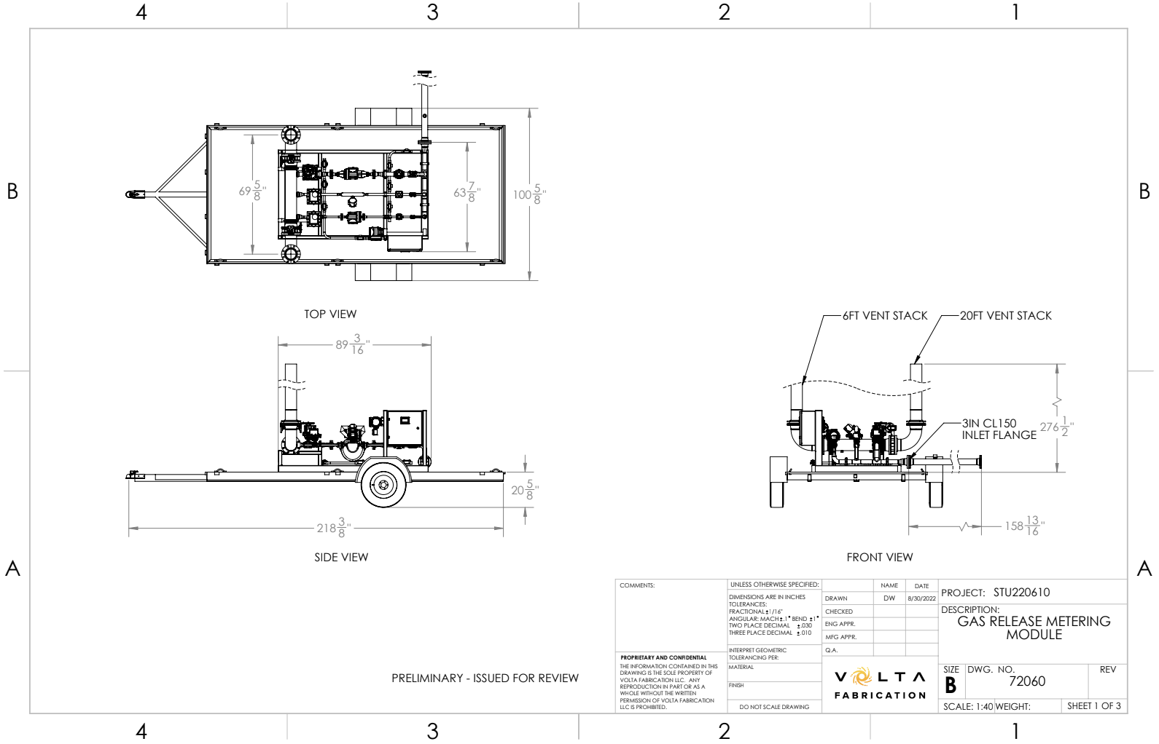

Natural gas composition data
Source: | Our natural gas provider gives us composition data

 | Specific gravity | N2 | CO2 | Methane | Ethane | Propane | Iso-butane | N-Butane
2025-01-26 | 0.59 | 1.57 | 0.12 | 93.00 | 5.11 | 0.18 | - | 0.01

Briggs plume rise
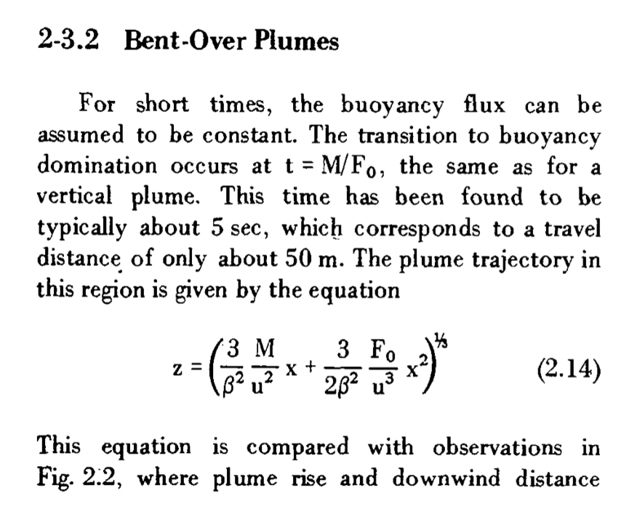
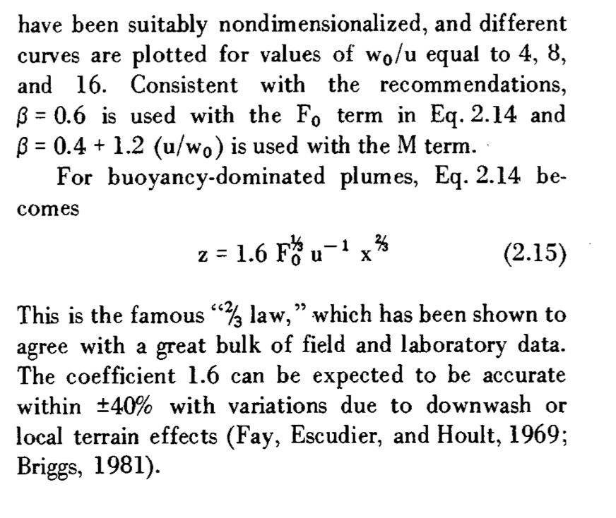
Classical buoyant plume model with plume center rise from Briggs

We will use the classical Briggs model. Outlined in "Handbook on Atmospheric Dispersion". Hanna, Briggs, and Hosker. 1982, US Department of Energy

Method from textbook

 | Description | Term | Value | Units | Notes
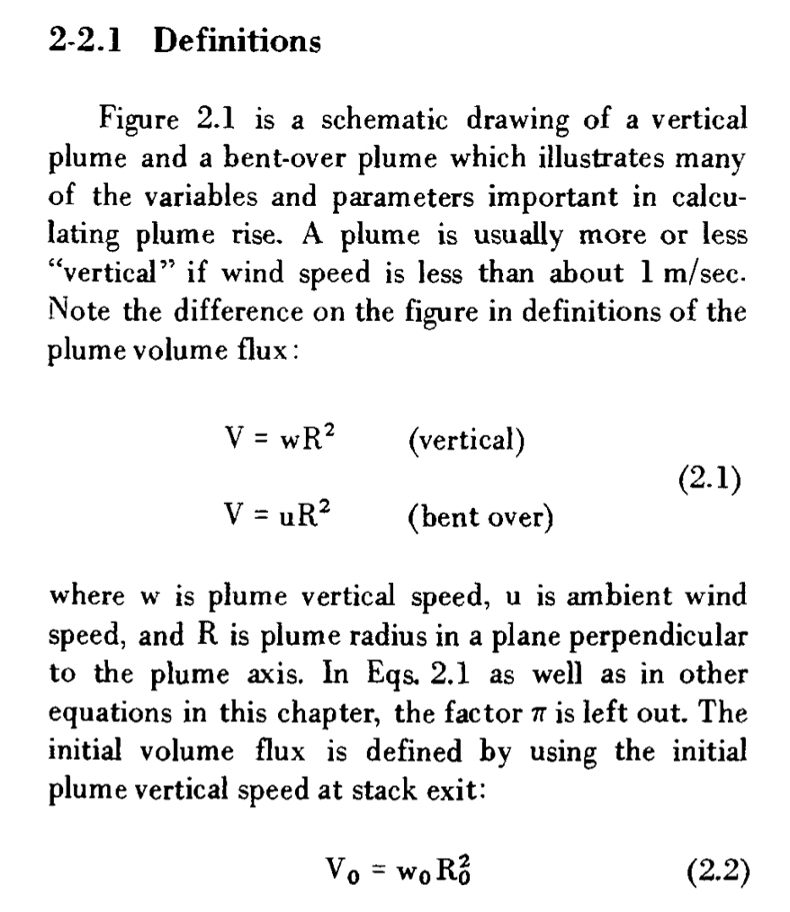
 | Plume initial volume flux | V_0 | 0.054627836788 | m3/sec | See eq. 2.2

 | Temperature modified by density | T_P/m_p0 | 16.094671786 |  | See modification recommended where bouyouncy arises from both temperature and lighter than air MW.
 | Temperature modified by density | T_a/m_a0 | 10.072513812 |  | See modification recommended where bouyouncy arises from both temperature and lighter than air MW.

 | Initial buoyancy flux | F_0 | 0.20031344405 |  | See eq. 2.3
 | Initital momentum flux | M_0 | 0.096520642162 |  | See eq. 2.4

 |  | Beta_F | 0.6 |  | Recommended values from text
 |  | Beta_M | 1.60 |  | Recommended values from text

 | Downwind evaluation point | x for eval | 1173 | m
 |  | z_term1 | 0.012534532142
 |  | z_term2 | 0.030912568527
 |  | z | 34.9 | m | at x for evaluation above

 | Plume centerline height | z_tot | 41.8 | m | Pume center height at downwind distance



  
  

