mgmt_operations
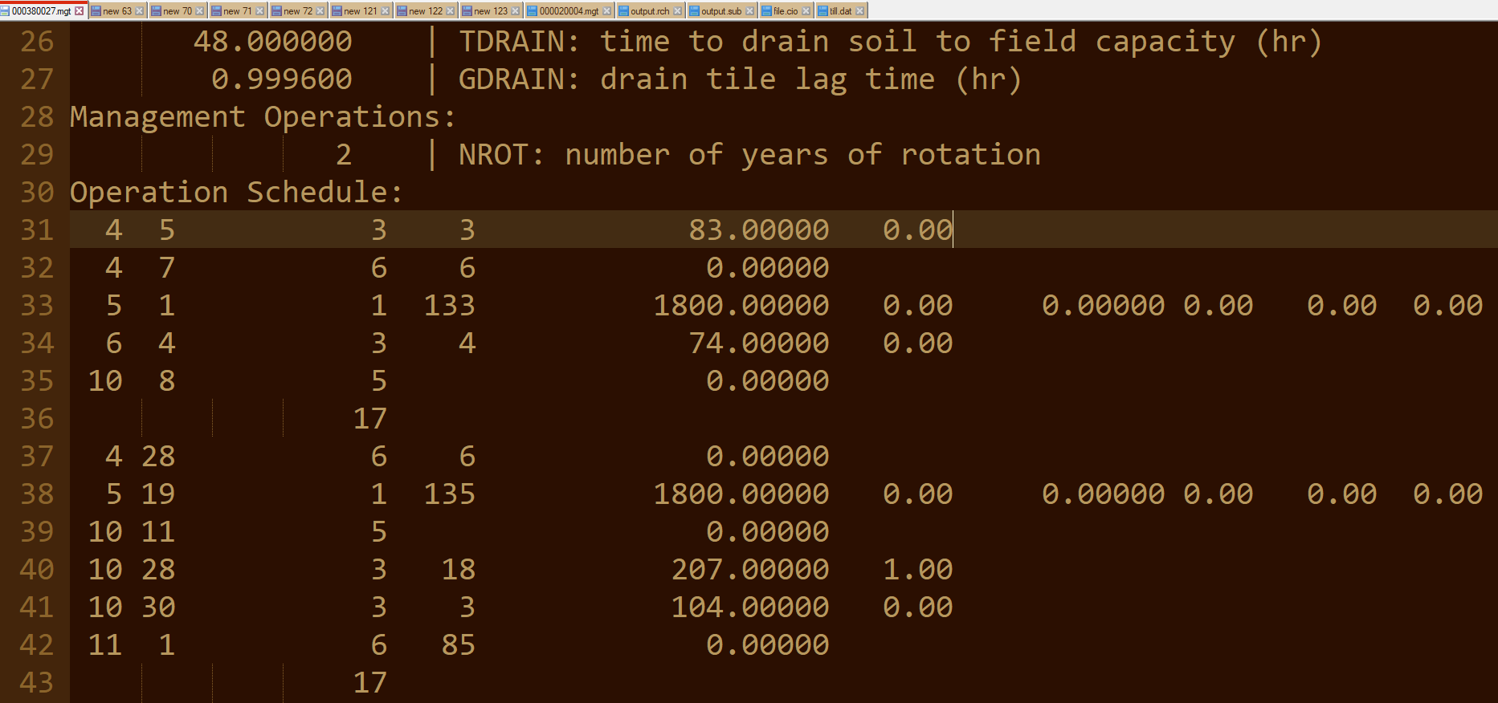
OBJECTID | OP | OP1 | OPNUM
1 | End of year rotation flag |  | 0 | Gudielines to understand the format of management operations in .mgt file
2 | Plant/begin. growing season | Plant | 1 | https://swat.tamu.edu/media/69359/ch20_input_mgt.pdf
3 | Irrigation operation | Irrigation | 2
4 | Fertilizer application | Fertilizer | 3 | Each mangement practie has an operation number located at the fourth location. See below for example:
5 | Pesticide application | Pesticide | 4
6 | Harvest and kill operation | Harvest & Kill | 5
7 | Tillage operation | Tillage | 6 | 1 stands for Planting operation (refer to 1 OPNUM)
8 | Harvest only operation | Harvest only | 7
9 | Kill/end of growing season | Kill only | 8 | Here, the fourth column (third column is empty), stands for the OPNUM defined in the table (Column D)
10 | Grazing operation | Grazing | 9 | so, 3 stands for fertilizer, 6 stands for tillage and 1 stands for planting
11 | Auto irrigation initialization | Auto irrigation | 10 | The first value is month and second value is day. Thus, it means
12 | Auto fertilization initialization | Auto fertilization | 11 | The value 133 that follows after 1 in the thrid row is the plant ID defined in plant.dat. The meaning of other values can be followed from the documentation for management OPNUM =1.
13 | Street sweeping operation | Street sweeping | 12 | Description of other values can be found accordingly from the documentation.
14 | Release/impound | Release/impound | 13
15 | Continuous Fertilizaton | Cont/Fert | 14
16 | Continuous Pesticide | Cont/Pest | 15
17 | Burn | Burn | 16
18 | Skip to beginning of year | Skip | 17 | Let me explain the first row

 |  |  |  | On April 5, Anhydrous Ammonia fertilizer has been applied at the rate of 83 kg/ha.

 |  |  |  | important file | ------- | .mgt

 |  |  |  | See the connections between the following two plots

