Table 1
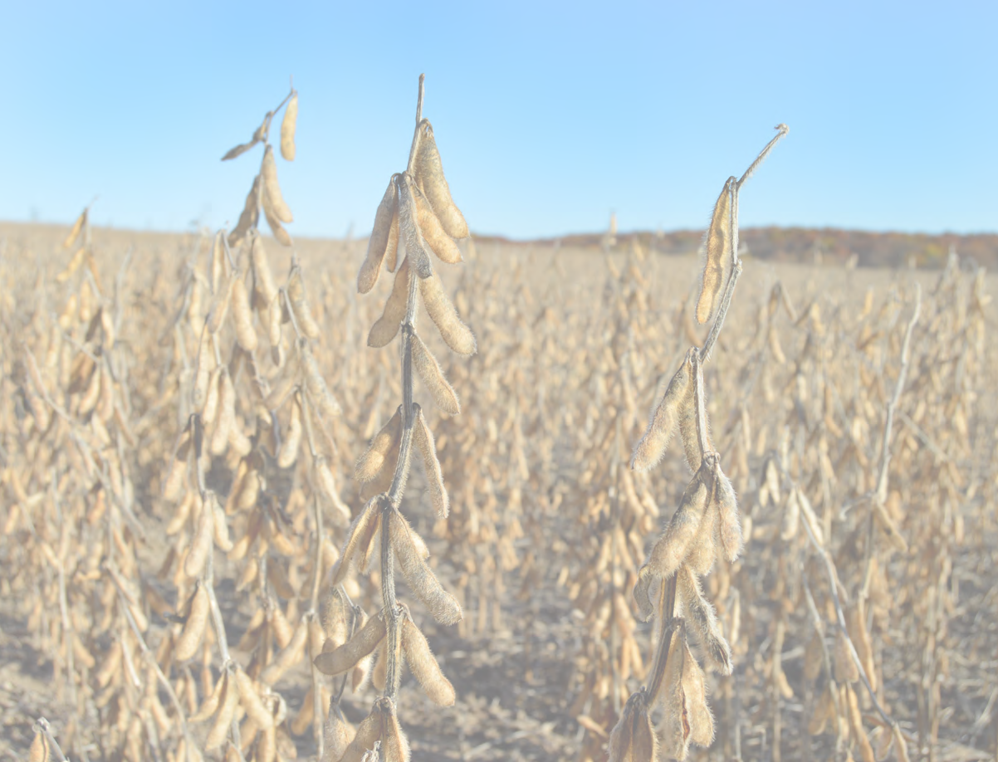
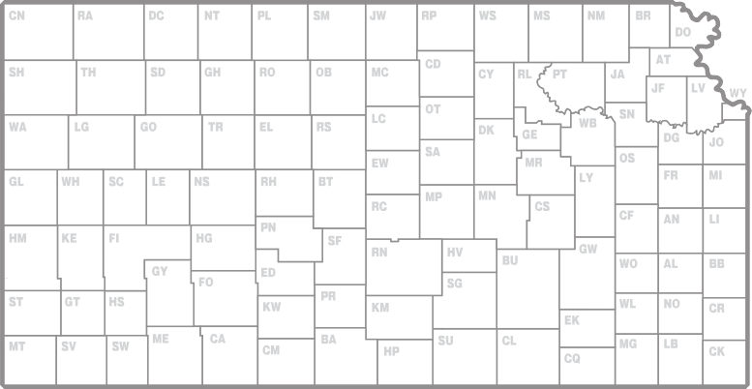
2015 Kansas Performance Tests with

 | Soybean Varieties

 |  | standard dryland irrigated double-cropped conventional

Report of Progress 1121
Kansas State University Agricultural Experiment Station and Cooperative Extension Service

CONTENTS
INTRODUCTION Test Objectives and Procedures 1 Data Interpretation 1 Variety or Brand Selection 1 Summary of Entrants and Originators, Table 1 2 PERFORMANCE TEST RESULTS Onaga, Pottawatomie County (dryland), Table 2 3 Topeka, Shawnee County (dryland), Table 3 4 Topeka, Shawnee County (irrigated), Table 4 5 Ottawa, Franklin County (dryland), Table 5 6 Parsons, Labette County, Maturity Groups III-IV (dryland), Table 6 7 Parsons, Labette County, Maturity Groups IV-V (dryland), Table 7 7 McCune, Crawford County, Maturity Groups III-IV (dryland), Table 8 8 McCune, Crawford County, Maturity Groups IV-V (dryland), Table 9. 8 Pittsburg, Cherokee County, Maturity Groups IV-V (double-cropped) Table 10… 9 Scandia, Republic County (irrigated), Table 11 10 Belleville, Republic County (dryland), Table 12 10 Assaria, Saline County (dryland), Table 13

Contribution no. 16-023-S from the Kansas Agricultural Experiment Station.
- i -
2015 KANSAS SOYBEAN PERFORMANCE TESTS

