Table 1
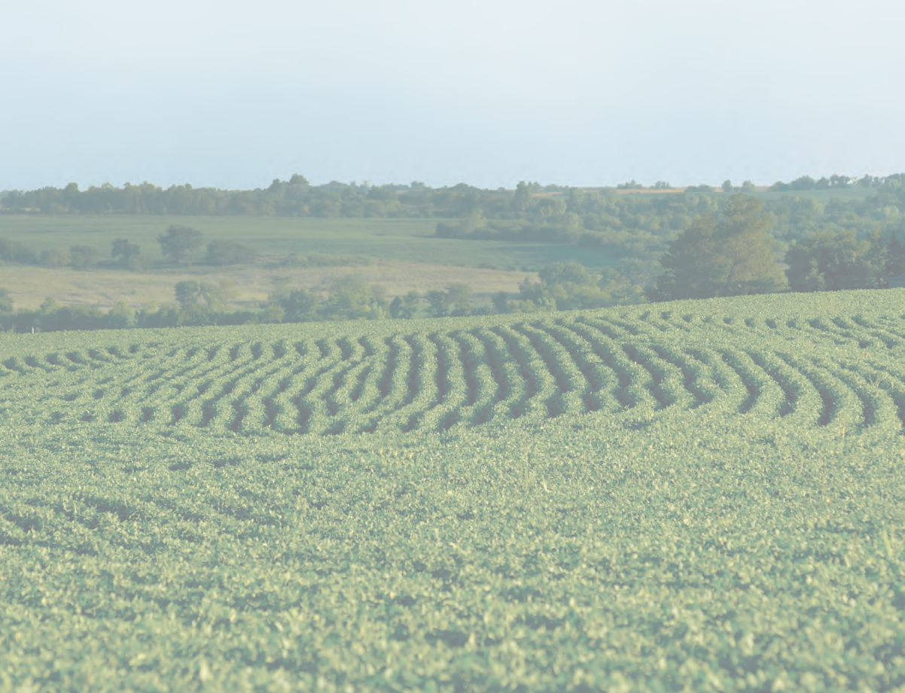
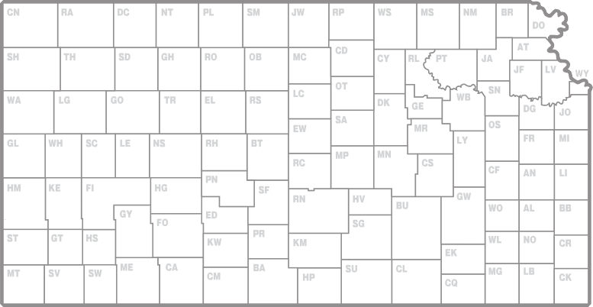
2016 Kansas Performance Tests with

 | Soybean Varieties

 |  | standard dryland irrigated double-cropped conventional

Report of Progress 1130
Kansas State University Agricultural Experiment Station and Cooperative Extension Service

CONTENTS
INTRODUCTION Statewide Growing Conditions, Test Objectives and Procedures 1 Data Interpretation, Variety or Brand Selection 2 2016 Entrants in the Kansas Soybean Performance Test, Table 1 2 PERFORMANCE TEST RESULTS Onaga, Pottawatomie County (dryland), Table 2 3 Topeka, Shawnee County (dryland), Table 3 4 Topeka, Shawnee County (irrigated), Table 4 5 Ottawa, Franklin County (dryland), Table 5 6 Columbus, Cherokee County, Maturity Groups III-IV (dryland), Table 6 7 Columbus, Cherokee County, Maturity Groups IV-V (dryland), Table 7 7 McCune, Crawford County, Maturity Groups III-IV (dryland), Table 8 8 McCune, Crawford County, Maturity Groups IV-V (dryland), Table 9. 8 Erie, Neosho County, Maturity Groups III-IV (dryland), Table 10… 9 Erie, Neosho County, Maturity Groups IV-V (dryland), Table 11. 9 Pittsburg, Crawford County, Maturity Groups IV-V, Table 12… 10 Scandia, Republic County (irrigated), Table 13 11 Belleville, Republic County (dryland), Table 14

Contribution no. 17-178-S from the Kansas Agricultural Experiment Station.
- i -
2016 KANSAS SOYBEAN PERFORMANCE TESTS STATEWIDE GROWING CONDITIONS

