Table 1
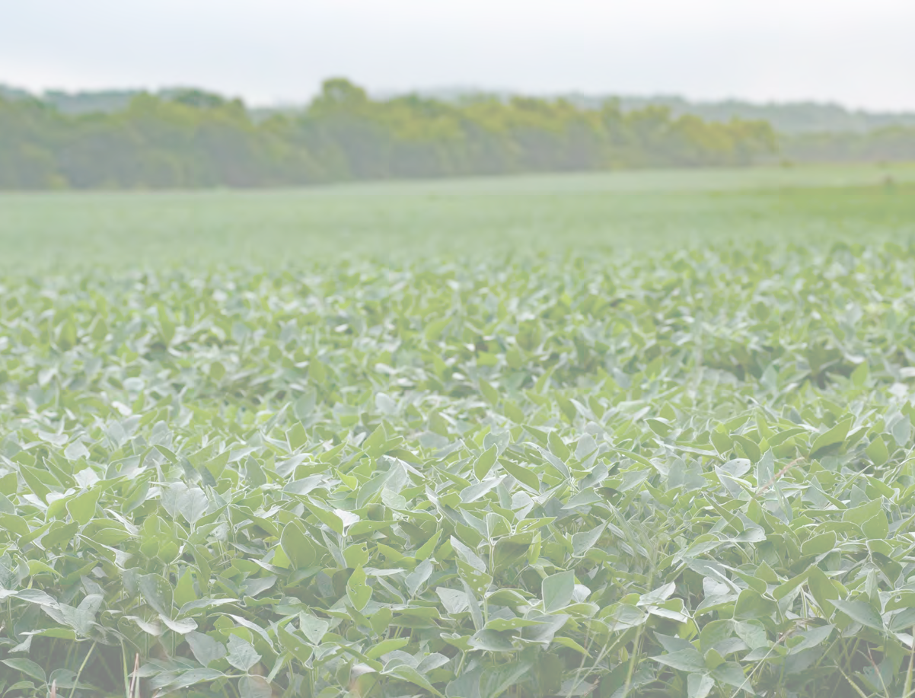
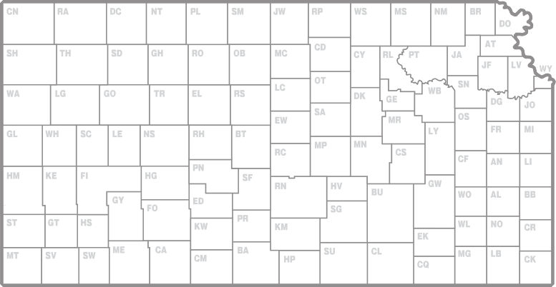
2020 Kansas Performance Tests with

 | Soybean Varieties

 |  | standard dryland irrigated

Report of Progress 1160
Kansas State University Agricultural Experiment Station and Cooperative Extension Service

CONTENTS
INTRODUCTION Statewide Growing Conditions, Diseases, Insects, Test Objectives and Procedures 1 Data Interpretation, Variety or Brand Selection 2 Summary of Entrants and Originators, Table 1 3
PERFORMANCE TEST RESULTS Riley, Riley County (dryland), Table 2 4 Kiro, Shawnee County (dryland), Table 3 5 Topeka, Shawnee County (irrigated), Table 4 6 Ottawa, Franklin County, Maturity Groups III-IV (dryland), Table 5 7 Ottawa, Franklin County, Maturity Groups IV-V (dryland), Table 6 8 Parsons, Labette County, Maturity Groups III-IV (dryland), Table 7 9 Parsons, Labette County, Maturity Groups IV-V (dryland), Table 8 10 Parsons, Labette County, Maturity Groups III-IV (double-cropped, dryland), Table 9 11 Parsons, Labette County, Maturity Groups IV-V (double-cropped, dryland), Table 10 12 McCune, Crawford County (dryland), Table 11… 13 Pittsburg, Cherokee County (dryland), Table 12… 14 Scandia, Republic County (irrigated), Table 13 15 Belleville, Republic County (dryland), Table 14 16 Assaria, Saline County (dryland), Table 15 17
YIELD SUMMARY Yield as a Percentage of Test Average from 2020 Soybean Tests, Table 16… 18
APPENDIX Descriptions of Entries, Table 17 20 Electronic Access, University Research Policy, and Duplication Policy 22
Contribution no. 21-199-S from the Kansas Agricultural Experiment Station.
- i -
2020 KANSAS SOYBEAN PERFORMANCE TESTS

