Table 1
2021 Pittsburg, Kansas Soybean Performance Test, Cherokee County
BRAND | NAME | YIELD (bu/a) | PAVG (%) | MAT (date) | HT (in) | LDG (score 1-9)
ARKANSAS | R13-13997 | 49 | 102 | 2021-10-29 | 31 | 1
ARKANSAS | R15-1587 | 47 | 97 | 2021-10-29 | 27 | 2
ARKANSAS | R15-2422 | 45 | 94 | 2021-10-20 | 32 | 1
ARKANSAS | UA46i20C | 42 | 87 | 2021-10-19 | 28 | 1
ARKANSAS | UA54i19GT | 45 | 93 | 2021-10-25 | 34 | 1
BECKS | MG3.7 | 47 | 97 | 2021-10-14 | 23 | 1
BECKS | MG4.2 | 50 | 103 | 2021-10-19 | 31 | 1
BECKS | MG4.8 | 53 | 110 | 2021-10-24 | 32 | 1
BECKS | MG5.1 | 50 | 103 | 2021-10-21 | 32 | 1
CHECK | 21MG3.1 | 46 | 96 | 2021-10-14 | 25 | 1
CHECK | 21MG3.9 | 52 | 107 | 2021-10-20 | 25 | 1
CHECK | 21MG4.8 | 50 | 103 | 2021-10-27 | 26 | 1
DONMARIO | DM46E62 | 50 | 103 | 2021-10-22 | 27 | 1
DONMARIO | DM46F62 | 48 | 99 | 2021-10-21 | 26 | 1
KANSAS AES | K15-1809 | 51 | 106 | 2021-10-30 | 25 | 1
KANSAS AES | K15-1874 | 46 | 96 | 2021-10-24 | 24 | 1
KANSAS AES | K17-4406 | 49 | 101 | 2021-10-23 | 29 | 1
KANSAS AES | K17-4973 | 48 | 99 | 2021-10-23 | 24 | 1
KANSAS AES | K179236-1 GT | 48 | 98 | 2021-10-25 | 27 | 1
KANSAS AES | K179247-8 GT | 49 | 102 | 2021-10-30 | 32 | 2
KANSAS AES | K18-6996 GT | 40 | 83 | 2021-10-18 | 20 | 1
KANSAS AES | K18-7024 GT | 43 | 90 | 2021-10-21 | 26 | 1
KANSAS AES | K18-7069 GT | 46 | 95 | 2021-10-25 | 26 | 1
KANSAS AES | KS4919N | 48 | 99 | 2021-10-25 | 27 | 1
KANSAS AES | KS5120NS | 50 | 104 | 2021-10-27 | 23 | 1
MIDLAND | 4412E3S | 47 | 98 | 2021-10-17 | 27 | 1
MIDLAND | 4602E3S | 48 | 99 | 2021-10-18 | 28 | 1
MIDLAND | 4621XFS | 54 | 111 | 2021-10-24 | 31 | 1
MIDLAND | 4677NXS | 53 | 110 | 2021-10-22 | 34 | 1
MIDLAND | 4821XFS | 51 | 106 | 2021-10-22 | 31 | 1
MIDLAND | 4880E3S | 47 | 98 | 2021-10-24 | 38 | 1
MIDLAND | 4922XFS | 50 | 103 | 2021-10-26 | 27 | 1
MISSOURI | S09-13608C | 48 | 98 | 2021-10-21 | 28 | 1
MISSOURI | S16-11644C | 50 | 103 | 2021-10-26 | 28 | 1
MISSOURI | S16-14801C | 50 | 103 | 2021-10-29 | 33 | 3
NK | 39-82X | 49 | 102 | 2021-10-24 | 26 | 1
VIRTUE SEEDS | V 4921S | 55 | 114 | 2021-10-21 | 26 | 1
WILLCROSS | WX1748NLL | 47 | 97 | 2021-10-21 | 28 | 1
WILLCROSS | WXE8146NS | 44 | 92 | 2021-10-21 | 29 | 1
WILLCROSS | WXE8148NS | 45 | 94 | 2021-10-25 | 27 | 1
WILLCROSS | WXR7878NS | 53 | 110 | 2021-10-24 | 32 | 1
 | Average | 48 | 100 | 2021-10-22 | 28 | 1
 | CV (%) | 5 | -- | -- | 8 | 19
 | LSD (0.10)* | 3 | -- | -- | 4 | 0
*Yields must differ by more than the LSD value to be considered statistically different.
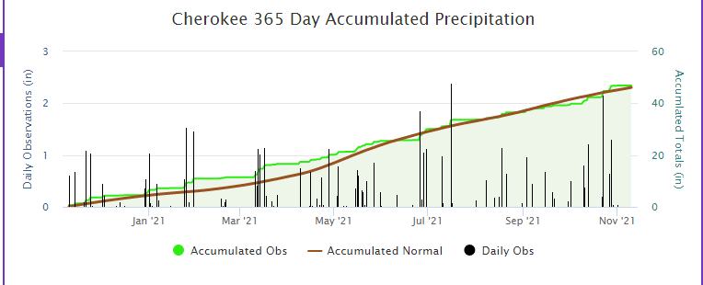
https://mesonet.k-state.edu/precip/daily/#mtIndex=24&tab=chart-tab

