Table 1
2021 McCune, Kansas Soybean Performance Test, Crawford County
BRAND | NAME | YIELD | PAVG | MAT | HT | LDG
 |  | (bu/a) | (%) | (date) | (in) | (score 1-9)
ARKANSAS | R13-13997 | 53 | 101 | 2021-10-13 | 36 | 1
ARKANSAS | R15-1587 | 56 | 108 | 2021-10-12 | 33 | 1
ARKANSAS | R15-2422 | 50 | 96 | 2021-10-06 | 35 | 2
ARKANSAS | R16-253 | 51 | 98 | 2021-10-07 | 33 | 1
ARKANSAS | UA46i20C | 54 | 103 | 2021-10-07 | 32 | 1
ARKANSAS | UA54i19GT | 54 | 104 | 2021-10-12 | 37 | 1
BECKS | MG4.2 | 53 | 101 | 2021-10-01 | 34 | 1
BECKS | MG4.8 | 53 | 101 | 2021-10-08 | 36 | 1
BECKS | MG5.1 | 49 | 94 | 2021-10-07 | 31 | 1
CHECK | 21MG3.9 | 53 | 101 | 2021-10-05 | 32 | 1
CHECK | 21MG4.8 | 54 | 103 | 2021-10-13 | 29 | 1
DONMARIO | DM46E62 | 52 | 99 | 2021-10-07 | 32 | 1
DONMARIO | DM46F62 | 49 | 95 | 2021-10-04 | 34 | 1
KANSAS AES | K15-1809 | 54 | 104 | 2021-10-13 | 25 | 1
KANSAS AES | K15-1874 | 53 | 102 | 2021-10-09 | 27 | 1
KANSAS AES | K17-4406 | 51 | 97 | 2021-10-13 | 29 | 1
KANSAS AES | K17-4973 | 49 | 95 | 2021-10-12 | 28 | 1
KANSAS AES | K179236-1 GT | 51 | 98 | 2021-10-12 | 30 | 1
KANSAS AES | K179247-8 GT | 54 | 104 | 2021-10-12 | 38 | 1
KANSAS AES | K18-6996 GT | 47 | 90 | 2021-10-11 | 21 | 1
KANSAS AES | K18-7024 GT | 51 | 98 | 2021-10-09 | 29 | 1
KANSAS AES | K18-7069 GT | 49 | 95 | 2021-10-13 | 30 | 1
KANSAS AES | KS4520NS | 52 | 99 | 2021-09-30 | 28 | 1
KANSAS AES | KS4919N | 51 | 97 | 2021-10-12 | 29 | 1
KANSAS AES | KS5120NS | 55 | 106 | 2021-10-12 | 25 | 1
MIDLAND | 4412E3S | 52 | 100 | 2021-09-30 | 30 | 1
MIDLAND | 4602E3S | 49 | 94 | 2021-10-06 | 34 | 1
MIDLAND | 4621XFS | 55 | 106 | 2021-10-07 | 35 | 1
MIDLAND | 4677NXS | 53 | 102 | 2021-10-10 | 38 | 1
MIDLAND | 4821XFS | 48 | 93 | 2021-10-04 | 31 | 1
MIDLAND | 4880E3S | 55 | 105 | 2021-10-11 | 41 | 1
MIDLAND | 4922XFS | 53 | 102 | 2021-10-10 | 31 | 1
MISSOURI | S09-13608C | 49 | 95 | 2021-10-02 | 34 | 1
MISSOURI | S16-11644C | 55 | 106 | 2021-10-12 | 35 | 2
MISSOURI | S16-14801C | 54 | 104 | 2021-10-13 | 35 | 3
VIRTUE SEEDS | V4720S | 55 | 105 | 2021-10-02 | 33 | 1
 | Average | 52 | 100 | 2021-10-08 | 32 | 1
 | CV (%) | 6 | -- | -- | 6 | 17
 | LSD (0.1)* | 4 | -- | -- | 3 | 0
*Yields must differ by more than the LSD value to be considered statistically different.
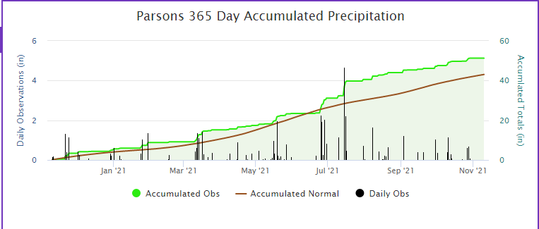
https://mesonet.k-state.edu/precip/daily/#mtIndex=24&tab=chart-tab

