Table 4
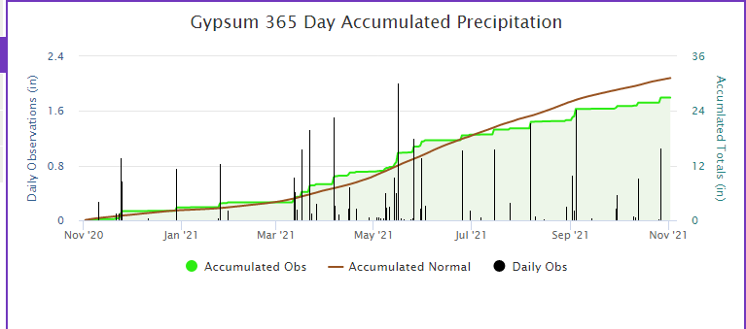
https://mesonet.k-state.edu/precip/daily/#mtIndex=24&tab=chart-tab

