Table 3
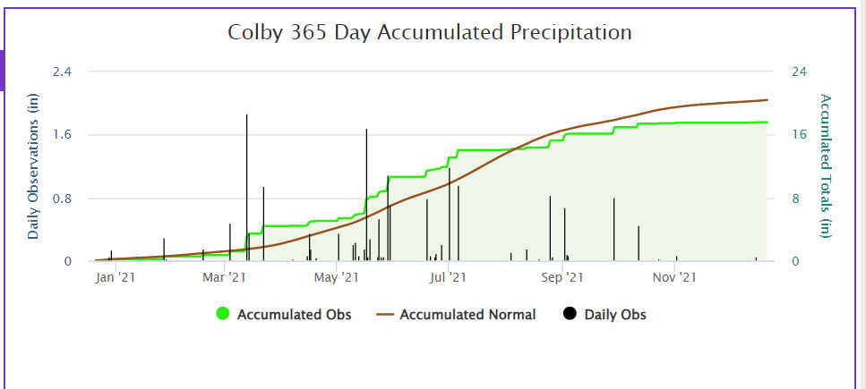
*Yields must differ by more than the LSD value to be considered statistically different,

