Profile
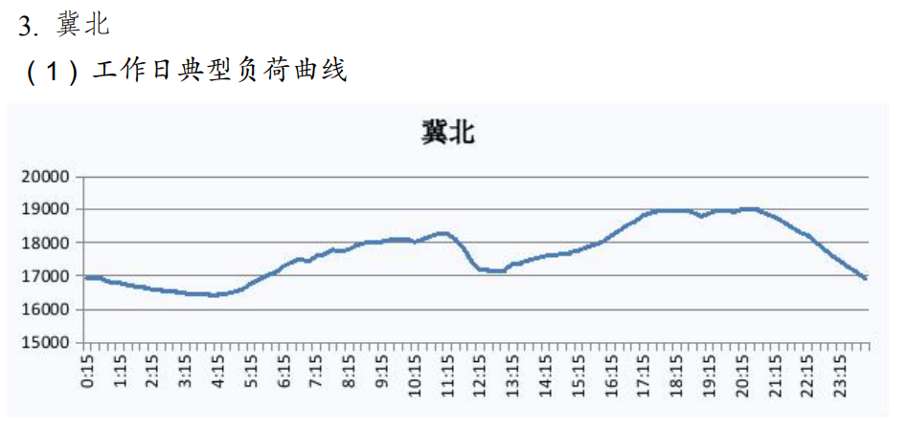
Normalized profile for 1 kW peak, 1 kW solar and wind
 | Load | Solar | Wind | Datacenter
1 | 89% | 0% | 74% | 0.93181818182
2 | 88% | 0% | 68% | 0.93181818182
3 | 87% | 0% | 61% | 0.93181818182
4 | 86% | 0% | 55% | 0.93181818182
5 | 88% | 0% | 49% | 0.93181818182
6 | 89% | 0% | 47% | 0.93181818182
7 | 91% | 0% | 48% | 0.95454545455
8 | 93% | 5% | 49% | 0.95454545455
9 | 95% | 39% | 49% | 0.95454545455
10 | 95% | 66% | 44% | 0.97727272727
11 | 96% | 75% | 40% | 0.97727272727
12 | 90% | 78% | 34% | 1
13 | 91% | 77% | 27% | 1
14 | 91% | 72% | 20% | 1
15 | 93% | 62% | 14% | 1 | $26.83
16 | 95% | 41% | 11% | 1
17 | 96% | 14% | 13% | 1
18 | 99% | 0% | 16% | 0.95454545455
19 | 100% | 0% | 21% | 0.95454545455
20 | 100% | 0% | 28% | 0.95454545455
21 | 100% | 0% | 33% | 0.93181818182
22 | 95% | 0% | 36% | 0.93181818182
23 | 92% | 0% | 39% | 0.93181818182
24 | 89% | 0% | 39% | 0.93181818182

