CC
Climate catastrophy

CO2 boundary calculations

cumulative CO2 emissions 1750-2012 | Gt | 1407.744
pre-industrial CO2 concentration | ppm | 278

time series CO2 concentration (from graph), if anthropogenic CO2 emission would stop in 2015)
year |  |  | 1750 | 1800 | 1850 | 1900 | 1950 | 2000 | 2015 | 2050 | 2100 | 2150 | 2200 | 2250 | 2300 | 2350 | 2400 | 2450 | 2500
CO2 concentration | ppm |  | 278 |  | 284 | 291 | 306 | 364 | 398 | 366 | 350 | 343 | 338 | 336 | 333 | 331 | 329 | 327 | 326
exponential increase function | ppm |  | 278.31733557 | 278.97258725 | 280.98083812 | 287.13583425 | 306 | 363.81591769 | 398.08556258
exponential decrease function | ppm
 |  | 325 |  |  |  |  |  |  | 398 | 374.15405969 | 352.93720858 | 340.87839597 | 334.02464746 | 330.12924996 | 327.91526126 | 326.65691832 | 325.94172634 | 325.53523972 | 325.30420893
 |  | total
Area | ppm*a | 244885 |  |  | 28100 | 14375 | 14925 | 16750 | 5715 | 13370 | 17900 | 17325 | 17025 | 16850 | 16725 | 16600 | 16500 | 16400 | 16325
Natural background concentration | ppm*a | 208500 |  |  | 27800 | 13900 | 13900 | 13900 | 4170 | 9730 | 13900 | 13900 | 13900 | 13900 | 13900 | 13900 | 13900 | 13900 | 13900
Anthropogenic concentration impact | ppm*a | 36385
 | ppm*a/Gt | 25.846318649
emission allowance | Gt/a | 2.7856965233
 |  |  | exponential increase function |  | exponential decrease function
1750 | 278 | 1750 | 278.31733557 | 2015 |  | 1750
1800 |  | 1800 | 278.97258725 | 2050 |  | 1800
1850 | 284 | 1850 | 280.98083812 | 2100 |  | 1850
1900 | 291 | 1900 | 287.13583425 | 2150 |  | 1900
1950 | 306 | 1950 | 306 | 2200 |  | 1950
2000 | 364 | 2000 | 363.81591769 | 2250 |  | 2000
2015 | 398 | 2015 | 398.08556258 | 2300 |  | 2015 | 398
2050 | 366 | 2050 |  | 2350 |  | 2050 | 374.15405969
2100 | 350 |  |  | 2400 |  | 2100 | 352.93720858
2150 | 343 |  |  | 2450 |  | 2150 | 340.87839597
2200 | 338 |  |  | 2500 |  | 2200 | 334.02464746
2250 | 336 |  |  |  |  | 2250 | 330.12924996
2300 | 333 |  |  |  |  | 2300 | 327.91526126
2350 | 331 |  |  |  |  | 2350 | 326.65691832
2400 | 329 |  |  |  |  | 2400 | 325.94172634
2450 | 327 |  |  |  |  | 2450 | 325.53523972
2500 | 326 |  |  |  |  | 2500 | 325.30420893
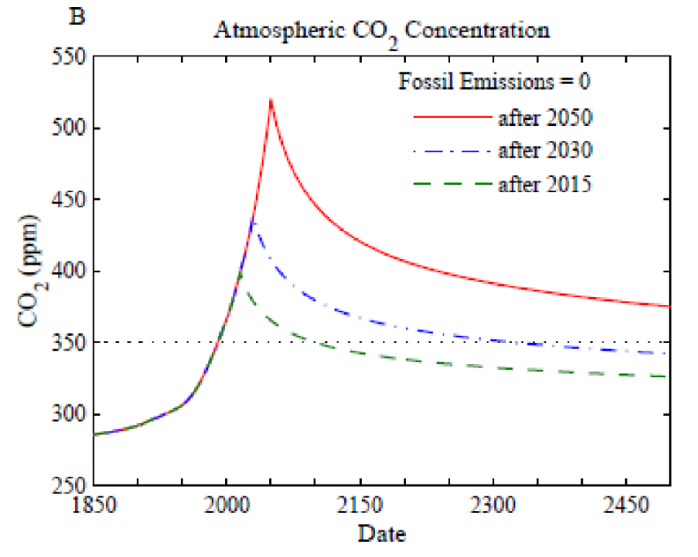

 |  | p=0.66 | p=0.5 | p=0.33
total remaining CO2 budget as of 1.1.2018 | Gt | 420 | 580 | 840 | IPCC_2018 SR1.5°C
assuming a rectangular distribution | Gt | 0 | 630 | 1260

